Sin Rebalanceo
ASIGNACIÓN DE ACTIVOS Y CAPITAL INICIAL |  |  | PREPARACIÓN DEL OPTIMIZADOR | SIMULACIÓN DE ESCENARIOS DE ASIGNACIÓN |  | SERIE DEL PORTFOLIO BALANCEADO |  |  | TEST PROFILE (En Combinador V6) | COVARIANZAS Y CORRELACIONES | SIMULACIÓN DE MONTECARLO (En MSA) | CÁLCULO DEL CAPITAL MÍNIMO OPERATIVO

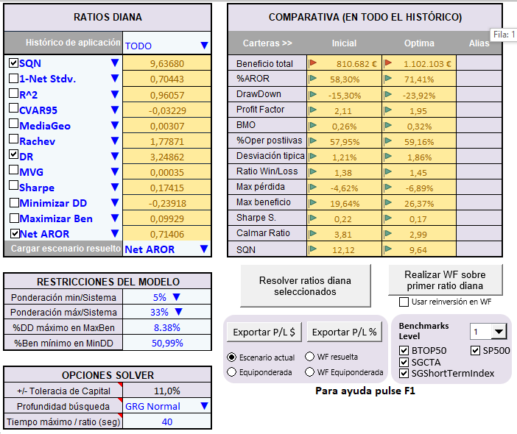
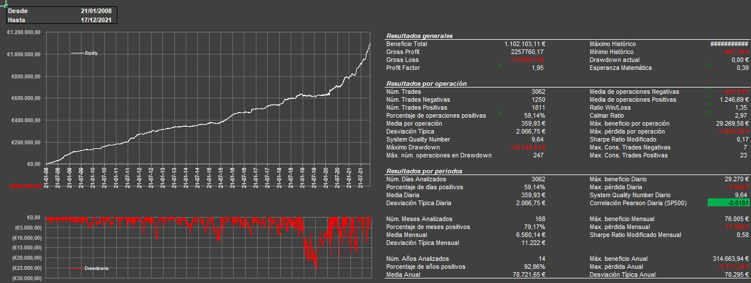
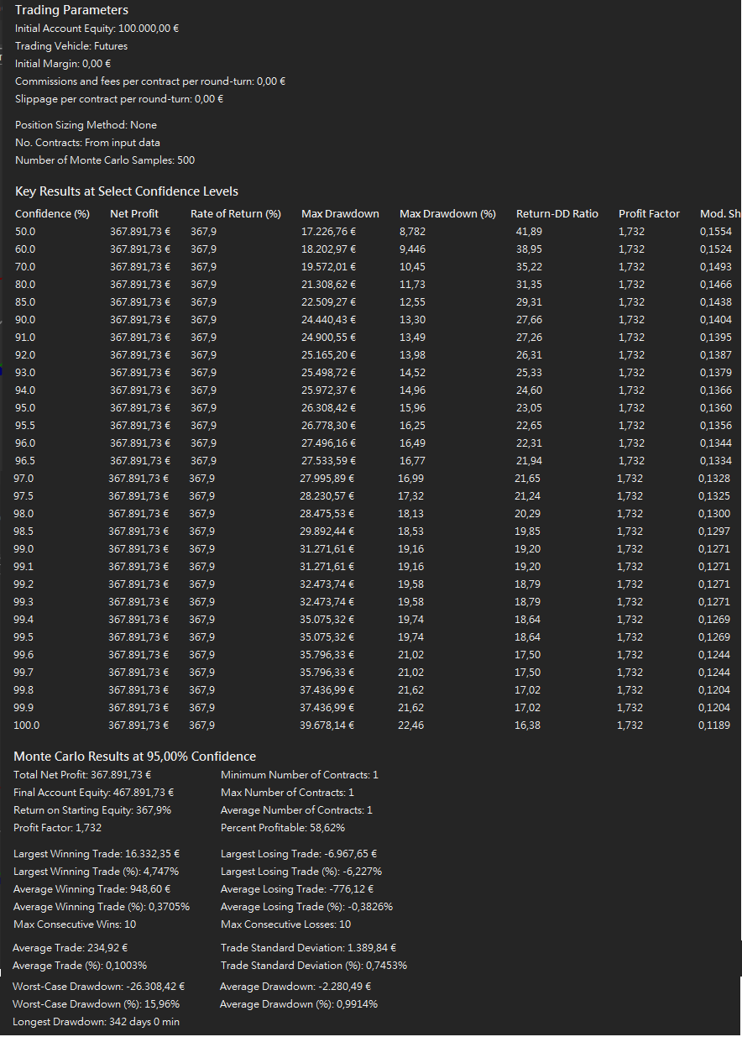
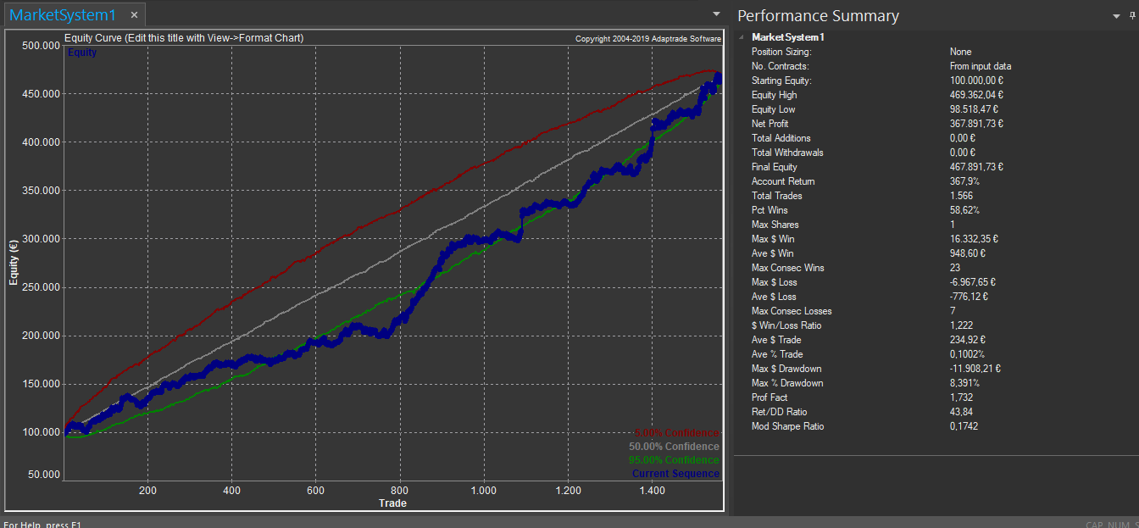
Moneda Base: | $ |  |  |  |  |  | Fecha | PnL |  |  |  |  | Activos | Garantías $ | Contratos | Totales
Cambio medio EUR/USD | 1.12 |  |  |  |  |  | 2008-01-21 | -907.19 |  |  |  |  | FGBL | $9,900 | 1 | $9,900
Criterio Inversor: | Máx. N.Profit. H.Risk |  |  |  |  |  | 2008-01-22 | 1347.17 |  |  |  |  | FGBL | $10,700 | 2 | $21,400
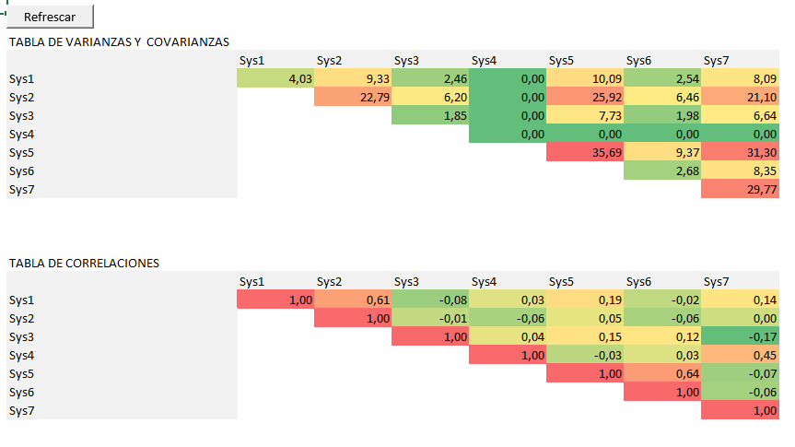
Período | 2012-2018 |  |  |  |  |  | 2008-01-23 | 413.1 |  |  |  |  | RTY | $9,200 | 1 | $9,200
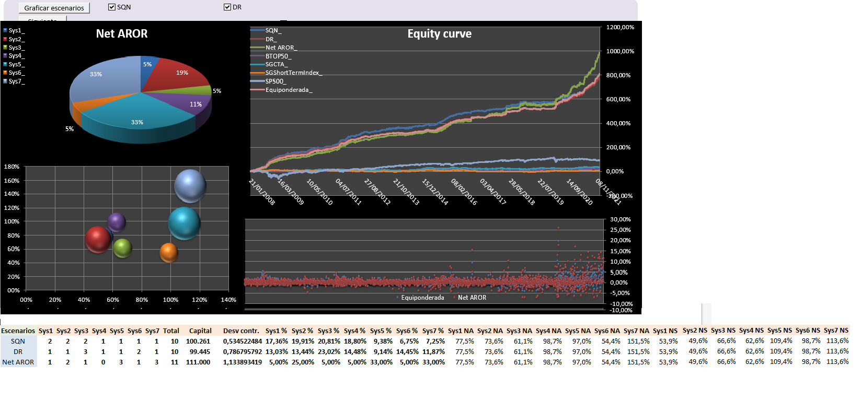
Activos | Capital x 1 contrato |  |  |  | NET AROR |  | 2008-01-25 | 1156.06 |  |  |  |  | ES | $12,600 | 0 | $0
FGBL | $9,900 |  |  |  |  |  | 2008-01-28 | -1523.29 |  |  |  |  | NQ | $11,350 | 3 | $34,050
FGBL | $ 10.700 |  |  |  |  |  | 2008-01-30 | -277.03 |  |  |  |  | ES | $9,050 | 1 | $9,050
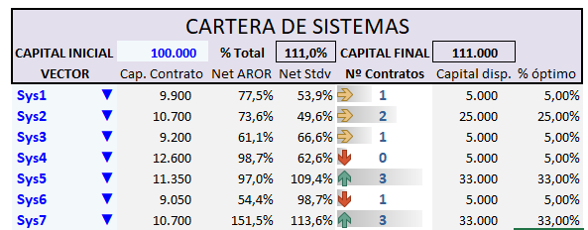
RTY | $9,200 |  |  |  |  |  | 2008-01-31 | 2482.01 |  |  |  |  | NQ | $10,700 | 3 | $32,100
ES | $12,600 |  |  |  |  |  | 2008-02-01 | 145.27 |  |  |  |  | TOTAL |  |  | $115,700
NQ | $11,350 |  |  |  |  |  | 2008-02-04 | -116.97
ES | $9,050 |  |  |  |  |  | 2008-02-05 | 225.48 |  |  |  |  | DD Montecarlo
NQ | $10,700 |  |  |  |  |  | 2008-02-06 | 589.89 |  |  |  |  | $26,308
SUMA | $62,800 | REDONDEAMOS A 63.000$ |  |  |  |  | 2008-02-07 | 1459.25
Cantidad mínima requerida para comenzar a operar el portfolio.
 |  | capital inicial disponible: 100.000$ |  |  |  |  | 2008-02-08 | 1739.61
 |  |  |  |  |  |  | 2008-02-11 | 113.33 |  |  |  |  | Capital Mínimo
Asignación inicial equiponderada por capital requerido. |  |  |  |  |  |  | 2008-02-12 | -126.13 |  |  |  |  | $142,008
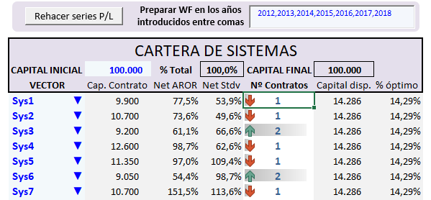
 |  |  |  |  |  |  | 2008-02-13 | 429.89
 |  |  |  |  |  |  | 2008-02-15 | 152.31
 |  |  |  |  |  |  | 2008-02-18 | 749.41
 |  |  |  |  |  |  | 2008-02-19 | -1102.08
 |  |  |  |  |  |  | 2008-02-20 | 71.86
 |  |  |  |  |  |  | 2008-02-21 | 140.56
 |  |  |  |  |  |  | 2008-02-22 | 375.69
 |  |  |  |  |  |  | 2008-02-25 | -489.06
 |  |  |  |  |  |  | 2008-02-26 | -261.39
 |  |  |  |  |  |  | 2008-02-27 | 371.8
 |  |  |  |  |  |  | 2008-02-28 | 278.99
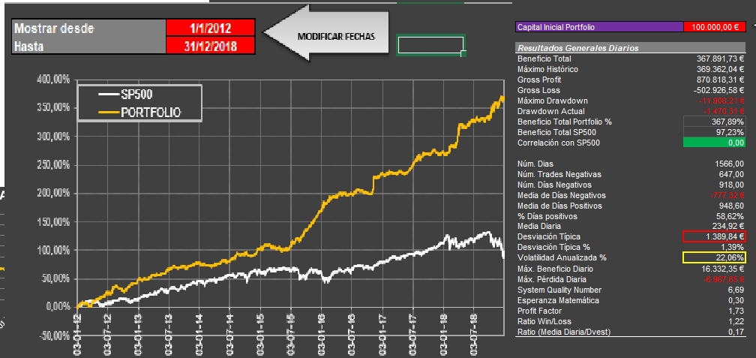
 |  |  |  |  |  |  | 2008-02-29 | 1220.63
 |  |  |  |  |  |  | 2008-03-03 | -135.55
 |  |  |  |  |  |  | 2008-03-04 | 1359.39
 |  |  |  |  |  |  | 2008-03-06 | 1279.55
1) Aunque nos interesa el Net Average Rate of Return resolvemos todos los ratios a fin de comparar resultados.
2) Elegimos las ponderaciones máxima y mínima de cada activo. 5%/33% nos parece adecuada.
3) Configuramos las opciones de Solver.
- Tolerancia de capital 11%
- Algoritmo de búsqueda: GRG
- Tiempo máximo de búsqueda (x ratio a resolver): 40 seg.
 |  |  |  |  |  |  | 2008-03-07 | 774.13
 |  |  |  |  |  |  | 2008-03-11 | 22.81
 |  |  |  |  |  |  | 2008-03-12 | 440.19
 |  |  |  |  |  |  | 2008-03-13 | -1012.48
 |  |  |  |  |  |  | 2008-03-14 | -273.18
 |  |  |  |  |  |  | 2008-03-18 | -264.26
 |  |  |  |  |  |  | 2008-03-19 | -1161.83
 |  |  |  |  |  |  | 2008-03-20 | -73.6
 |  |  |  |  |  |  | 2008-03-25 | 1957.26
 |  |  |  |  |  |  | 2008-03-26 | -242.42
 |  |  |  |  |  |  | 2008-03-27 | 661.47
 |  |  |  |  |  |  | 2008-03-28 | 461.51
 |  |  |  |  |  |  | 2008-03-31 | -119.41
 |  |  |  |  |  |  | 2008-04-01 | 719.11
 |  |  |  |  |  |  | 2008-04-02 | 1152.07
 |  |  |  |  |  |  | 2008-04-03 | 200.83
 |  |  |  |  |  |  | 2008-04-07 | 105.04
 |  |  |  |  |  |  | 2008-04-08 | -735.77
 |  |  |  |  |  |  | 2008-04-09 | 336.62
 |  |  |  |  |  |  | 2008-04-11 | 960.81
 |  |  |  |  |  |  | 2008-04-14 | 18.05
 |  |  |  |  |  |  | 2008-04-15 | 569.19
 |  |  |  |  |  |  | 2008-04-16 | 431.58
 |  |  |  |  |  |  | 2008-04-17 | -1232.41
 |  |  |  |  |  |  | 2008-04-18 | -1877.44
 |  |  |  |  |  |  | 2008-04-21 | 645.87
 |  |  |  |  |  |  | 2008-04-22 | 484.89
 |  |  |  |  |  |  | 2008-04-24 | 412.65
 |  |  |  |  |  |  | 2008-04-25 | 1216.49
 |  |  |  |  |  |  | 2008-04-28 | 107.63
 |  |  |  |  |  |  | 2008-04-29 | -416.16
 |  |  |  |  |  |  | 2008-04-30 | -48.86
 |  |  |  |  |  |  | 2008-05-01 | 408.28
 |  |  |  |  |  |  | 2008-05-02 | 2063.61
 |  |  |  |  |  |  | 2008-05-05 | 34.75
 |  |  |  |  |  |  | 2008-05-06 | -99.41
 |  |  |  |  |  |  | 2008-05-07 | 59.85
 |  |  |  |  |  |  | 2008-05-08 | 1104.1
 |  |  |  |  |  |  | 2008-05-09 | 957.76
 |  |  |  |  |  |  | 2008-05-12 | -128.35
 |  |  |  |  |  |  | 2008-05-13 | -508.72
 |  |  |  |  |  |  | 2008-05-14 | 989.37
 |  |  |  |  |  |  | 2008-05-15 | 889.43
 |  |  |  |  |  |  | 2008-05-16 | 816.47
 |  |  |  |  |  |  | 2008-05-19 | -7.19
 |  |  |  |  |  |  | 2008-05-20 | -845.56
 |  |  |  |  |  |  | 2008-05-21 | 106.49
 |  |  |  |  |  |  | 2008-05-22 | 924.01
 |  |  |  |  |  |  | 2008-05-23 | -714.01
 |  |  |  |  |  |  | 2008-05-26 | 33.26
 |  |  |  |  |  |  | 2008-05-27 | 300.44
 |  |  |  |  |  |  | 2008-05-30 | 359.45
 |  |  |  |  |  |  | 2008-06-02 | 44.04
 |  |  |  |  |  |  | 2008-06-03 | 293.85
 |  |  |  |  |  |  | 2008-06-04 | -119.24
 |  |  |  |  |  |  | 2008-06-05 | 436.48
 |  |  |  |  |  |  | 2008-06-06 | 49.39
 |  |  |  |  |  |  | 2008-06-09 | 2545.07
 |  |  |  |  |  |  | 2008-06-10 | 328.27
 |  |  |  |  |  |  | 2008-06-11 | 1857.84
 |  |  |  |  |  |  | 2008-06-12 | -714.87
 |  |  |  |  |  |  | 2008-06-13 | 121.07
 |  |  |  |  |  |  | 2008-06-18 | -67.57
 |  |  |  |  |  |  | 2008-06-19 | 399.97
 |  |  |  |  |  |  | 2008-06-23 | 184.28
 |  |  |  |  |  |  | 2008-06-24 | 556.76
 |  |  |  |  |  |  | 2008-06-25 | -1315.18
 |  |  |  |  |  |  | 2008-06-26 | 2033.36
 |  |  |  |  |  |  | 2008-06-27 | 1132.5
 |  |  |  |  |  |  | 2008-06-30 | 1355.89
 |  |  |  |  |  |  | 2008-07-01 | -1670.76
 |  |  |  |  |  |  | 2008-07-02 | 23.24
 |  |  |  |  |  |  | 2008-07-03 | -13.94
 |  |  |  |  |  |  | 2008-07-04 | 1345.98
 |  |  |  |  |  |  | 2008-07-07 | 773.78
 |  |  |  |  |  |  | 2008-07-08 | 381.86
 |  |  |  |  |  |  | 2008-07-09 | 720.93
 |  |  |  |  |  |  | 2008-07-10 | -395.21
 |  |  |  |  |  |  | 2008-07-11 | -981.27
 |  |  |  |  |  |  | 2008-07-14 | 1223.97
 |  |  |  |  |  |  | 2008-07-15 | -2121.05
 |  |  |  |  |  |  | 2008-07-16 | -1088.11
 |  |  |  |  |  |  | 2008-07-18 | 3176.41
 |  |  |  |  |  |  | 2008-07-21 | 1249.88
 |  |  |  |  |  |  | 2008-07-24 | -220.02
 |  |  |  |  |  |  | 2008-07-25 | 232.86
 |  |  |  |  |  |  | 2008-07-28 | 764.5
 |  |  |  |  |  |  | 2008-07-29 | 745.8
 |  |  |  |  |  |  | 2008-07-30 | -1007.1
 |  |  |  |  |  |  | 2008-07-31 | 672.94
 |  |  |  |  |  |  | 2008-08-01 | 197.52
 |  |  |  |  |  |  | 2008-08-04 | 80.23
 |  |  |  |  |  |  | 2008-08-05 | 273.29
 |  |  |  |  |  |  | 2008-08-06 | -697.2
 |  |  |  |  |  |  | 2008-08-07 | 1392.17
 |  |  |  |  |  |  | 2008-08-08 | 154.91
 |  |  |  |  |  |  | 2008-08-11 | 383.38
 |  |  |  |  |  |  | 2008-08-12 | 985.59
 |  |  |  |  |  |  | 2008-08-13 | -1232.41
 |  |  |  |  |  |  | 2008-08-14 | 650.44
 |  |  |  |  |  |  | 2008-08-15 | 637.74
 |  |  |  |  |  |  | 2008-08-18 | 474.89
 |  |  |  |  |  |  | 2008-08-20 | 1293.39
 |  |  |  |  |  |  | 2008-08-21 | 16.74
 |  |  |  |  |  |  | 2008-08-22 | -545.57
 |  |  |  |  |  |  | 2008-08-25 | 1699
 |  |  |  |  |  |  | 2008-08-26 | -139.39
 |  |  |  |  |  |  | 2008-08-27 | -849.82
 |  |  |  |  |  |  | 2008-08-28 | 445.37
 |  |  |  |  |  |  | 2008-08-29 | -592.79
 |  |  |  |  |  |  | 2008-09-01 | 14.12
 |  |  |  |  |  |  | 2008-09-02 | -1239.56
 |  |  |  |  |  |  | 2008-09-03 | -106
 |  |  |  |  |  |  | 2008-09-04 | 1789.45
 |  |  |  |  |  |  | 2008-09-05 | 393.79
 |  |  |  |  |  |  | 2008-09-08 | 1847.04
 |  |  |  |  |  |  | 2008-09-09 | 423.54
 |  |  |  |  |  |  | 2008-09-10 | 1708.71
 |  |  |  |  |  |  | 2008-09-11 | 1383.81
 |  |  |  |  |  |  | 2008-09-12 | -39.34
 |  |  |  |  |  |  | 2008-09-15 | 120.82
 |  |  |  |  |  |  | 2008-09-16 | 422.64
 |  |  |  |  |  |  | 2008-09-17 | -300.88
 |  |  |  |  |  |  | 2008-09-18 | 2673.21
 |  |  |  |  |  |  | 2008-09-19 | 3653.36
 |  |  |  |  |  |  | 2008-09-22 | 1291.6
 |  |  |  |  |  |  | 2008-09-23 | -238.18
 |  |  |  |  |  |  | 2008-09-26 | -731.98
 |  |  |  |  |  |  | 2008-09-29 | 3987.14
 |  |  |  |  |  |  | 2008-09-30 | -22.14
 |  |  |  |  |  |  | 2008-10-01 | -819.12
 |  |  |  |  |  |  | 2008-10-02 | 1376.59
 |  |  |  |  |  |  | 2008-10-03 | 376.65
 |  |  |  |  |  |  | 2008-10-06 | -1248.97
 |  |  |  |  |  |  | 2008-10-07 | 2611.63
 |  |  |  |  |  |  | 2008-10-08 | -3012.03
 |  |  |  |  |  |  | 2008-10-09 | 2042.89
 |  |  |  |  |  |  | 2008-10-10 | 2206.16
 |  |  |  |  |  |  | 2008-10-13 | -900.47
 |  |  |  |  |  |  | 2008-10-14 | 4140.68
 |  |  |  |  |  |  | 2008-10-15 | 1084.21
 |  |  |  |  |  |  | 2008-10-16 | 600.37
 |  |  |  |  |  |  | 2008-10-17 | -1132.79
 |  |  |  |  |  |  | 2008-10-20 | 2338.13
 |  |  |  |  |  |  | 2008-10-21 | -881.18
 |  |  |  |  |  |  | 2008-10-22 | 2230.37
 |  |  |  |  |  |  | 2008-10-23 | 391.14
 |  |  |  |  |  |  | 2008-10-24 | -506.33
 |  |  |  |  |  |  | 2008-10-27 | -6.45
 |  |  |  |  |  |  | 2008-10-28 | 5211.55
 |  |  |  |  |  |  | 2008-10-29 | -164.96
 |  |  |  |  |  |  | 2008-10-30 | 3391.41
 |  |  |  |  |  |  | 2008-10-31 | 255.61
 |  |  |  |  |  |  | 2008-11-03 | -58.06
 |  |  |  |  |  |  | 2008-11-04 | 85.59
 |  |  |  |  |  |  | 2008-11-05 | -528.21
 |  |  |  |  |  |  | 2008-11-06 | 3342.19
 |  |  |  |  |  |  | 2008-11-07 | 675.47
 |  |  |  |  |  |  | 2008-11-10 | 46.17
 |  |  |  |  |  |  | 2008-11-11 | -187.83
 |  |  |  |  |  |  | 2008-11-12 | 638.03
 |  |  |  |  |  |  | 2008-11-13 | 778.49
 |  |  |  |  |  |  | 2008-11-17 | -1023.06
 |  |  |  |  |  |  | 2008-11-18 | -1006.92
 |  |  |  |  |  |  | 2008-11-20 | -467.79
 |  |  |  |  |  |  | 2008-11-21 | 3049.72
 |  |  |  |  |  |  | 2008-12-01 | 773.98
 |  |  |  |  |  |  | 2008-12-02 | -297.1
 |  |  |  |  |  |  | 2008-12-03 | -13.27
 |  |  |  |  |  |  | 2008-12-04 | 19.91
 |  |  |  |  |  |  | 2008-12-08 | -1080.54
 |  |  |  |  |  |  | 2008-12-09 | 1050.61
 |  |  |  |  |  |  | 2008-12-10 | -115.63
 |  |  |  |  |  |  | 2008-12-11 | -1187.32
 |  |  |  |  |  |  | 2008-12-12 | 2223.9
 |  |  |  |  |  |  | 2008-12-15 | 459.2
 |  |  |  |  |  |  | 2008-12-16 | 1241.66
 |  |  |  |  |  |  | 2008-12-18 | -145.5
 |  |  |  |  |  |  | 2008-12-19 | -145.67
 |  |  |  |  |  |  | 2008-12-22 | 2486.88
 |  |  |  |  |  |  | 2008-12-24 | -106.78
 |  |  |  |  |  |  | 2008-12-26 | 49.77
 |  |  |  |  |  |  | 2008-12-29 | 662.27
 |  |  |  |  |  |  | 2009-01-02 | 936.22
 |  |  |  |  |  |  | 2009-01-05 | -645.27
 |  |  |  |  |  |  | 2009-01-06 | 2742.7
 |  |  |  |  |  |  | 2009-01-07 | -1886.14
 |  |  |  |  |  |  | 2009-01-08 | -16.3
 |  |  |  |  |  |  | 2009-01-09 | 2433.68
 |  |  |  |  |  |  | 2009-01-12 | 755.83
 |  |  |  |  |  |  | 2009-01-13 | -188.41
 |  |  |  |  |  |  | 2009-01-14 | 3152.13
 |  |  |  |  |  |  | 2009-01-15 | 995.4
 |  |  |  |  |  |  | 2009-01-16 | 86.65
 |  |  |  |  |  |  | 2009-01-19 | -213.23
 |  |  |  |  |  |  | 2009-01-20 | -506.76
 |  |  |  |  |  |  | 2009-01-21 | -349.67
 |  |  |  |  |  |  | 2009-01-22 | -1333.23
 |  |  |  |  |  |  | 2009-01-23 | 2521.26
 |  |  |  |  |  |  | 2009-01-26 | 1843.01
 |  |  |  |  |  |  | 2009-01-27 | -103.76
 |  |  |  |  |  |  | 2009-01-29 | -865.29
 |  |  |  |  |  |  | 2009-02-02 | -1039.19
 |  |  |  |  |  |  | 2009-02-03 | -46.45
 |  |  |  |  |  |  | 2009-02-06 | 1540.44
 |  |  |  |  |  |  | 2009-02-09 | 952.82
 |  |  |  |  |  |  | 2009-02-10 | -11.8
 |  |  |  |  |  |  | 2009-02-11 | 3032.74
 |  |  |  |  |  |  | 2009-02-12 | 1620.81
 |  |  |  |  |  |  | 2009-02-16 | 1495.08
 |  |  |  |  |  |  | 2009-02-17 | -1039.19
 |  |  |  |  |  |  | 2009-02-18 | 422.64
 |  |  |  |  |  |  | 2009-02-19 | 519.62
 |  |  |  |  |  |  | 2009-02-20 | -372.48
 |  |  |  |  |  |  | 2009-02-23 | 1510.35
 |  |  |  |  |  |  | 2009-02-24 | 299.52
 |  |  |  |  |  |  | 2009-02-25 | 525.85
 |  |  |  |  |  |  | 2009-02-26 | -55.5
 |  |  |  |  |  |  | 2009-02-27 | -593.46
 |  |  |  |  |  |  | 2009-03-02 | -659.5
 |  |  |  |  |  |  | 2009-03-03 | 1464.08
 |  |  |  |  |  |  | 2009-03-04 | -26.6
 |  |  |  |  |  |  | 2009-03-05 | 588.07
 |  |  |  |  |  |  | 2009-03-06 | -1077.33
 |  |  |  |  |  |  | 2009-03-09 | -1232.48
 |  |  |  |  |  |  | 2009-03-10 | 1062.68
 |  |  |  |  |  |  | 2009-03-11 | 800.13
 |  |  |  |  |  |  | 2009-03-12 | 233.63
 |  |  |  |  |  |  | 2009-03-13 | 1399.24
 |  |  |  |  |  |  | 2009-03-16 | 366.49
 |  |  |  |  |  |  | 2009-03-17 | 299.64
 |  |  |  |  |  |  | 2009-03-18 | 581.97
 |  |  |  |  |  |  | 2009-03-19 | 1478
 |  |  |  |  |  |  | 2009-03-20 | 2256.91
 |  |  |  |  |  |  | 2009-03-23 | -1245.96
 |  |  |  |  |  |  | 2009-03-24 | 1539.68
 |  |  |  |  |  |  | 2009-03-25 | 728.6
 |  |  |  |  |  |  | 2009-03-26 | -76.35
 |  |  |  |  |  |  | 2009-03-27 | -992.78
 |  |  |  |  |  |  | 2009-03-30 | -1159.08
 |  |  |  |  |  |  | 2009-03-31 | 171.91
 |  |  |  |  |  |  | 2009-04-01 | -871.66
 |  |  |  |  |  |  | 2009-04-02 | -545.99
 |  |  |  |  |  |  | 2009-04-03 | 1379.16
 |  |  |  |  |  |  | 2009-04-06 | 912.66
 |  |  |  |  |  |  | 2009-04-07 | -100.74
 |  |  |  |  |  |  | 2009-04-08 | 163.76
 |  |  |  |  |  |  | 2009-04-09 | 153.2
 |  |  |  |  |  |  | 2009-04-15 | 114.08
 |  |  |  |  |  |  | 2009-04-16 | 122.96
 |  |  |  |  |  |  | 2009-04-17 | 440.46
 |  |  |  |  |  |  | 2009-04-20 | 110.38
 |  |  |  |  |  |  | 2009-04-21 | -948.18
 |  |  |  |  |  |  | 2009-04-22 | -1226.21
 |  |  |  |  |  |  | 2009-04-23 | -106.78
 |  |  |  |  |  |  | 2009-04-24 | -45.21
 |  |  |  |  |  |  | 2009-04-27 | -270.67
 |  |  |  |  |  |  | 2009-04-28 | 10.86
 |  |  |  |  |  |  | 2009-04-29 | 1489.51
 |  |  |  |  |  |  | 2009-05-01 | 477.64
 |  |  |  |  |  |  | 2009-05-04 | 321.54
 |  |  |  |  |  |  | 2009-05-05 | -49.33
 |  |  |  |  |  |  | 2009-05-06 | 354.43
 |  |  |  |  |  |  | 2009-05-07 | 562.94
 |  |  |  |  |  |  | 2009-05-08 | 92.3
 |  |  |  |  |  |  | 2009-05-11 | -619.64
 |  |  |  |  |  |  | 2009-05-12 | 621.07
 |  |  |  |  |  |  | 2009-05-14 | 2.3
 |  |  |  |  |  |  | 2009-05-15 | 1333.57
 |  |  |  |  |  |  | 2009-05-18 | 242.38
 |  |  |  |  |  |  | 2009-05-19 | 132.36
 |  |  |  |  |  |  | 2009-05-20 | 396.96
 |  |  |  |  |  |  | 2009-05-21 | -1832.5
 |  |  |  |  |  |  | 2009-05-25 | -264.64
 |  |  |  |  |  |  | 2009-05-26 | 234.07
 |  |  |  |  |  |  | 2009-05-27 | -154.05
 |  |  |  |  |  |  | 2009-05-28 | 576.42
 |  |  |  |  |  |  | 2009-05-29 | -7.53
 |  |  |  |  |  |  | 2009-06-01 | -1364.49
 |  |  |  |  |  |  | 2009-06-02 | 412.74
 |  |  |  |  |  |  | 2009-06-03 | 294.96
 |  |  |  |  |  |  | 2009-06-05 | 351.95
 |  |  |  |  |  |  | 2009-06-08 | -330.39
 |  |  |  |  |  |  | 2009-06-09 | 41.02
 |  |  |  |  |  |  | 2009-06-10 | 921.62
 |  |  |  |  |  |  | 2009-06-11 | 16.89
 |  |  |  |  |  |  | 2009-06-12 | -867.53
 |  |  |  |  |  |  | 2009-06-15 | 927.89
 |  |  |  |  |  |  | 2009-06-16 | -161.97
 |  |  |  |  |  |  | 2009-06-17 | 2008.1
 |  |  |  |  |  |  | 2009-06-18 | -442.02
 |  |  |  |  |  |  | 2009-06-19 | 1854.98
 |  |  |  |  |  |  | 2009-06-22 | 1369.81
 |  |  |  |  |  |  | 2009-06-23 | 104.83
 |  |  |  |  |  |  | 2009-06-24 | -980.21
 |  |  |  |  |  |  | 2009-06-25 | 1058.75
 |  |  |  |  |  |  | 2009-06-26 | 861.93
 |  |  |  |  |  |  | 2009-06-29 | 783.84
 |  |  |  |  |  |  | 2009-06-30 | -358.12
 |  |  |  |  |  |  | 2009-07-02 | -654.49
 |  |  |  |  |  |  | 2009-07-03 | 124.35
 |  |  |  |  |  |  | 2009-07-06 | -151.68
 |  |  |  |  |  |  | 2009-07-07 | 479.27
 |  |  |  |  |  |  | 2009-07-08 | 974.2
 |  |  |  |  |  |  | 2009-07-09 | 138.29
 |  |  |  |  |  |  | 2009-07-10 | -382.37
 |  |  |  |  |  |  | 2009-07-13 | 255.18
 |  |  |  |  |  |  | 2009-07-14 | -24.73
 |  |  |  |  |  |  | 2009-07-15 | 788.86
 |  |  |  |  |  |  | 2009-07-16 | 1825.81
 |  |  |  |  |  |  | 2009-07-17 | 1111.79
 |  |  |  |  |  |  | 2009-07-20 | -1166.91
 |  |  |  |  |  |  | 2009-07-21 | -297.89
 |  |  |  |  |  |  | 2009-07-22 | -288.74
 |  |  |  |  |  |  | 2009-07-23 | -1045.98
 |  |  |  |  |  |  | 2009-07-24 | 204.19
 |  |  |  |  |  |  | 2009-07-27 | 710.63
 |  |  |  |  |  |  | 2009-07-28 | 194.12
 |  |  |  |  |  |  | 2009-07-29 | -52.94
 |  |  |  |  |  |  | 2009-07-30 | -462.6
 |  |  |  |  |  |  | 2009-07-31 | 2519.52
 |  |  |  |  |  |  | 2009-08-03 | 145.96
 |  |  |  |  |  |  | 2009-08-04 | -1578.3
 |  |  |  |  |  |  | 2009-08-05 | -1300.29
 |  |  |  |  |  |  | 2009-08-06 | 1165.49
 |  |  |  |  |  |  | 2009-08-07 | -1273.51
 |  |  |  |  |  |  | 2009-08-11 | 122.46
 |  |  |  |  |  |  | 2009-08-12 | -357.97
 |  |  |  |  |  |  | 2009-08-13 | 224.47
 |  |  |  |  |  |  | 2009-08-14 | 1866.77
 |  |  |  |  |  |  | 2009-08-18 | 379.88
 |  |  |  |  |  |  | 2009-08-19 | 249.54
 |  |  |  |  |  |  | 2009-08-21 | -1316.52
 |  |  |  |  |  |  | 2009-08-24 | -764.28
 |  |  |  |  |  |  | 2009-08-25 | 368.86
 |  |  |  |  |  |  | 2009-08-26 | 1151.24
 |  |  |  |  |  |  | 2009-08-27 | 398.6
 |  |  |  |  |  |  | 2009-08-28 | 870.29
 |  |  |  |  |  |  | 2009-08-31 | 65.15
 |  |  |  |  |  |  | 2009-09-01 | -145.67
 |  |  |  |  |  |  | 2009-09-02 | 82.81
 |  |  |  |  |  |  | 2009-09-03 | 542.17
 |  |  |  |  |  |  | 2009-09-04 | -148.37
 |  |  |  |  |  |  | 2009-09-07 | 744.98
 |  |  |  |  |  |  | 2009-09-08 | 890.87
 |  |  |  |  |  |  | 2009-09-09 | 359.45
 |  |  |  |  |  |  | 2009-09-10 | 1072.36
 |  |  |  |  |  |  | 2009-09-11 | 304
 |  |  |  |  |  |  | 2009-09-15 | 189.52
 |  |  |  |  |  |  | 2009-09-16 | -1515.53
 |  |  |  |  |  |  | 2009-09-17 | 576.08
 |  |  |  |  |  |  | 2009-09-18 | 455.32
 |  |  |  |  |  |  | 2009-09-21 | -232.37
 |  |  |  |  |  |  | 2009-09-22 | 1016.25
 |  |  |  |  |  |  | 2009-09-23 | 244.1
 |  |  |  |  |  |  | 2009-09-24 | 303.87
 |  |  |  |  |  |  | 2009-09-25 | 1656.79
 |  |  |  |  |  |  | 2009-09-28 | -319.13
 |  |  |  |  |  |  | 2009-09-29 | 319.73
 |  |  |  |  |  |  | 2009-09-30 | 31.43
 |  |  |  |  |  |  | 2009-10-01 | 189.16
 |  |  |  |  |  |  | 2009-10-02 | -1202.18
 |  |  |  |  |  |  | 2009-10-05 | 606.62
 |  |  |  |  |  |  | 2009-10-06 | 53.09
 |  |  |  |  |  |  | 2009-10-07 | 1243.9
 |  |  |  |  |  |  | 2009-10-08 | -525.07
 |  |  |  |  |  |  | 2009-10-09 | -1095.94
 |  |  |  |  |  |  | 2009-10-12 | -731.98
 |  |  |  |  |  |  | 2009-10-13 | 362.68
 |  |  |  |  |  |  | 2009-10-14 | 562.82
 |  |  |  |  |  |  | 2009-10-15 | -463.18
 |  |  |  |  |  |  | 2009-10-16 | 99.33
 |  |  |  |  |  |  | 2009-10-19 | 812.58
 |  |  |  |  |  |  | 2009-10-20 | 421.94
 |  |  |  |  |  |  | 2009-10-21 | 1575.57
 |  |  |  |  |  |  | 2009-10-22 | 88.32
 |  |  |  |  |  |  | 2009-10-27 | 517.97
 |  |  |  |  |  |  | 2009-10-28 | -834.8
 |  |  |  |  |  |  | 2009-10-29 | -1531.43
 |  |  |  |  |  |  | 2009-10-30 | -656.69
 |  |  |  |  |  |  | 2009-11-02 | 130.85
 |  |  |  |  |  |  | 2009-11-03 | -869.87
 |  |  |  |  |  |  | 2009-11-04 | -127.89
 |  |  |  |  |  |  | 2009-11-05 | 191.84
 |  |  |  |  |  |  | 2009-11-09 | -252.66
 |  |  |  |  |  |  | 2009-11-10 | 398.76
 |  |  |  |  |  |  | 2009-11-11 | 565.47
 |  |  |  |  |  |  | 2009-11-12 | -492.21
 |  |  |  |  |  |  | 2009-11-13 | 23.26
 |  |  |  |  |  |  | 2009-11-16 | -351.39
 |  |  |  |  |  |  | 2009-11-17 | 187.84
 |  |  |  |  |  |  | 2009-11-18 | -320.66
 |  |  |  |  |  |  | 2009-11-19 | 284.66
 |  |  |  |  |  |  | 2009-11-20 | -341.06
 |  |  |  |  |  |  | 2009-11-24 | -71.47
 |  |  |  |  |  |  | 2009-11-25 | -615.79
 |  |  |  |  |  |  | 2009-11-26 | 185.8
 |  |  |  |  |  |  | 2009-11-27 | -945.88
 |  |  |  |  |  |  | 2009-12-03 | 302.24
 |  |  |  |  |  |  | 2009-12-04 | -37.7
 |  |  |  |  |  |  | 2009-12-07 | 458.94
 |  |  |  |  |  |  | 2009-12-08 | 633.83
 |  |  |  |  |  |  | 2009-12-09 | 219.46
 |  |  |  |  |  |  | 2009-12-10 | 59.82
 |  |  |  |  |  |  | 2009-12-11 | -3.03
 |  |  |  |  |  |  | 2009-12-14 | 110.38
 |  |  |  |  |  |  | 2009-12-15 | -877.21
 |  |  |  |  |  |  | 2009-12-16 | -500.04
 |  |  |  |  |  |  | 2009-12-17 | 1341.98
 |  |  |  |  |  |  | 2009-12-18 | 110.34
 |  |  |  |  |  |  | 2009-12-21 | 139.42
 |  |  |  |  |  |  | 2009-12-22 | 522.9
 |  |  |  |  |  |  | 2009-12-23 | 771.19
 |  |  |  |  |  |  | 2009-12-24 | -701.79
 |  |  |  |  |  |  | 2009-12-28 | -364.74
 |  |  |  |  |  |  | 2009-12-29 | 116.7
 |  |  |  |  |  |  | 2009-12-30 | -121.86
 |  |  |  |  |  |  | 2009-12-31 | 161.67
 |  |  |  |  |  |  | 2010-01-04 | 28.96
 |  |  |  |  |  |  | 2010-01-05 | 71.8
 |  |  |  |  |  |  | 2010-01-06 | -22.69
 |  |  |  |  |  |  | 2010-01-07 | -142.97
 |  |  |  |  |  |  | 2010-01-08 | -250.41
 |  |  |  |  |  |  | 2010-01-11 | 139.08
 |  |  |  |  |  |  | 2010-01-12 | -746.2
 |  |  |  |  |  |  | 2010-01-13 | 612.25
 |  |  |  |  |  |  | 2010-01-14 | 452.17
 |  |  |  |  |  |  | 2010-01-15 | 400.84
 |  |  |  |  |  |  | 2010-01-18 | -496.39
 |  |  |  |  |  |  | 2010-01-19 | 376.57
 |  |  |  |  |  |  | 2010-01-20 | -489.92
 |  |  |  |  |  |  | 2010-01-22 | 1433.2
 |  |  |  |  |  |  | 2010-01-25 | 1161.93
 |  |  |  |  |  |  | 2010-01-26 | 1164.88
 |  |  |  |  |  |  | 2010-01-27 | -501.73
 |  |  |  |  |  |  | 2010-01-28 | 935.75
 |  |  |  |  |  |  | 2010-01-29 | 1140.56
 |  |  |  |  |  |  | 2010-02-01 | -116.62
 |  |  |  |  |  |  | 2010-02-02 | 20.44
 |  |  |  |  |  |  | 2010-02-03 | -622.23
 |  |  |  |  |  |  | 2010-02-04 | 1590.7
 |  |  |  |  |  |  | 2010-02-05 | 802.14
 |  |  |  |  |  |  | 2010-02-08 | 727.14
 |  |  |  |  |  |  | 2010-02-09 | 550.8
 |  |  |  |  |  |  | 2010-02-10 | -380.14
 |  |  |  |  |  |  | 2010-02-11 | -130.91
 |  |  |  |  |  |  | 2010-02-12 | 355.64
 |  |  |  |  |  |  | 2010-02-15 | -20.09
 |  |  |  |  |  |  | 2010-02-17 | -631.58
 |  |  |  |  |  |  | 2010-02-18 | 132.36
 |  |  |  |  |  |  | 2010-02-19 | 552.52
 |  |  |  |  |  |  | 2010-02-22 | 267.87
 |  |  |  |  |  |  | 2010-02-23 | 1536.34
 |  |  |  |  |  |  | 2010-02-25 | -58.52
 |  |  |  |  |  |  | 2010-03-03 | 175.12
 |  |  |  |  |  |  | 2010-03-04 | 502.97
 |  |  |  |  |  |  | 2010-03-05 | -1562.99
 |  |  |  |  |  |  | 2010-03-08 | -249.08
 |  |  |  |  |  |  | 2010-03-09 | 360.81
 |  |  |  |  |  |  | 2010-03-10 | -482.71
 |  |  |  |  |  |  | 2010-03-11 | -345.32
 |  |  |  |  |  |  | 2010-03-12 | -269.74
 |  |  |  |  |  |  | 2010-03-15 | -16.29
 |  |  |  |  |  |  | 2010-03-16 | -361.33
 |  |  |  |  |  |  | 2010-03-17 | -1165.87
 |  |  |  |  |  |  | 2010-03-18 | -240.65
 |  |  |  |  |  |  | 2010-03-19 | 964.67
 |  |  |  |  |  |  | 2010-03-22 | 543.7
 |  |  |  |  |  |  | 2010-03-25 | -168.05
 |  |  |  |  |  |  | 2010-03-26 | 445.37
 |  |  |  |  |  |  | 2010-03-29 | -64.04
 |  |  |  |  |  |  | 2010-03-30 | 168.92
 |  |  |  |  |  |  | 2010-03-31 | 86.69
 |  |  |  |  |  |  | 2010-04-01 | 15.7
 |  |  |  |  |  |  | 2010-04-06 | -759.93
 |  |  |  |  |  |  | 2010-04-07 | -227.64
 |  |  |  |  |  |  | 2010-04-08 | -267.23
 |  |  |  |  |  |  | 2010-04-09 | 1103.75
 |  |  |  |  |  |  | 2010-04-13 | -307.21
 |  |  |  |  |  |  | 2010-04-14 | 77.73
 |  |  |  |  |  |  | 2010-04-15 | -352.83
 |  |  |  |  |  |  | 2010-04-16 | 90.89
 |  |  |  |  |  |  | 2010-04-19 | 258.98
 |  |  |  |  |  |  | 2010-04-20 | 43.15
 |  |  |  |  |  |  | 2010-04-21 | 693.17
 |  |  |  |  |  |  | 2010-04-22 | 267.87
 |  |  |  |  |  |  | 2010-04-27 | 44.59
 |  |  |  |  |  |  | 2010-04-28 | 211.72
 |  |  |  |  |  |  | 2010-04-29 | 69.99
 |  |  |  |  |  |  | 2010-04-30 | 199.67
 |  |  |  |  |  |  | 2010-05-03 | -31.61
 |  |  |  |  |  |  | 2010-05-04 | -743.44
 |  |  |  |  |  |  | 2010-05-05 | 453.87
 |  |  |  |  |  |  | 2010-05-06 | 570.7
 |  |  |  |  |  |  | 2010-05-07 | 1403.85
 |  |  |  |  |  |  | 2010-05-10 | -2567.52
 |  |  |  |  |  |  | 2010-05-11 | -615.79
 |  |  |  |  |  |  | 2010-05-12 | 526.05
 |  |  |  |  |  |  | 2010-05-13 | 653.15
 |  |  |  |  |  |  | 2010-05-14 | -1006.92
 |  |  |  |  |  |  | 2010-05-17 | 1394.42
 |  |  |  |  |  |  | 2010-05-18 | 1161.42
 |  |  |  |  |  |  | 2010-05-19 | 1249.21
 |  |  |  |  |  |  | 2010-05-20 | -3221.34
 |  |  |  |  |  |  | 2010-05-21 | 3023.14
 |  |  |  |  |  |  | 2010-05-24 | -462.15
 |  |  |  |  |  |  | 2010-05-25 | -12.7
 |  |  |  |  |  |  | 2010-05-27 | 2342.77
 |  |  |  |  |  |  | 2010-05-28 | 313.21
 |  |  |  |  |  |  | 2010-06-01 | -94.71
 |  |  |  |  |  |  | 2010-06-02 | -86.79
 |  |  |  |  |  |  | 2010-06-03 | 720.69
 |  |  |  |  |  |  | 2010-06-04 | 2371.54
 |  |  |  |  |  |  | 2010-06-07 | 371.71
 |  |  |  |  |  |  | 2010-06-08 | 1540.04
 |  |  |  |  |  |  | 2010-06-09 | 527.6
 |  |  |  |  |  |  | 2010-06-10 | 854.06
 |  |  |  |  |  |  | 2010-06-11 | 1497.91
 |  |  |  |  |  |  | 2010-06-14 | 168.47
 |  |  |  |  |  |  | 2010-06-15 | 1864.83
 |  |  |  |  |  |  | 2010-06-16 | -433.79
 |  |  |  |  |  |  | 2010-06-17 | 1012.18
 |  |  |  |  |  |  | 2010-06-18 | 1135.15
 |  |  |  |  |  |  | 2010-06-21 | -504.61
 |  |  |  |  |  |  | 2010-06-22 | 508.55
 |  |  |  |  |  |  | 2010-06-23 | -710.72
 |  |  |  |  |  |  | 2010-06-24 | -163.23
 |  |  |  |  |  |  | 2010-06-25 | 727.97
 |  |  |  |  |  |  | 2010-06-28 | 1682.06
 |  |  |  |  |  |  | 2010-06-29 | -4821.94
 |  |  |  |  |  |  | 2010-06-30 | 760.97
 |  |  |  |  |  |  | 2010-07-01 | 975.7
 |  |  |  |  |  |  | 2010-07-02 | 86
 |  |  |  |  |  |  | 2010-07-05 | 97.47
 |  |  |  |  |  |  | 2010-07-06 | 713.66
 |  |  |  |  |  |  | 2010-07-07 | -185.55
 |  |  |  |  |  |  | 2010-07-08 | -806.93
 |  |  |  |  |  |  | 2010-07-09 | -808.45
 |  |  |  |  |  |  | 2010-07-12 | 1355.74
 |  |  |  |  |  |  | 2010-07-13 | 1467.69
 |  |  |  |  |  |  | 2010-07-14 | -411.05
 |  |  |  |  |  |  | 2010-07-15 | 343.29
 |  |  |  |  |  |  | 2010-07-16 | -759.17
 |  |  |  |  |  |  | 2010-07-19 | 1006.05
 |  |  |  |  |  |  | 2010-07-20 | 341.14
 |  |  |  |  |  |  | 2010-07-21 | -105.18
 |  |  |  |  |  |  | 2010-07-22 | 558.33
 |  |  |  |  |  |  | 2010-07-23 | 1047.87
 |  |  |  |  |  |  | 2010-07-26 | -43.83
 |  |  |  |  |  |  | 2010-07-27 | 418.25
 |  |  |  |  |  |  | 2010-07-28 | 214.95
 |  |  |  |  |  |  | 2010-07-29 | 762.81
 |  |  |  |  |  |  | 2010-07-30 | 325.01
 |  |  |  |  |  |  | 2010-08-02 | -304.63
 |  |  |  |  |  |  | 2010-08-03 | 2116.35
 |  |  |  |  |  |  | 2010-08-04 | -967.01
 |  |  |  |  |  |  | 2010-08-05 | -58.52
 |  |  |  |  |  |  | 2010-08-12 | 1481
 |  |  |  |  |  |  | 2010-08-13 | 971.13
 |  |  |  |  |  |  | 2010-08-16 | 908.36
 |  |  |  |  |  |  | 2010-08-17 | 104.36
 |  |  |  |  |  |  | 2010-08-18 | 122.64
 |  |  |  |  |  |  | 2010-08-19 | 445.37
 |  |  |  |  |  |  | 2010-08-20 | 550.47
 |  |  |  |  |  |  | 2010-08-24 | -2984.28
 |  |  |  |  |  |  | 2010-08-25 | 827.84
 |  |  |  |  |  |  | 2010-08-26 | -67.57
 |  |  |  |  |  |  | 2010-08-27 | 1318.1
 |  |  |  |  |  |  | 2010-08-30 | 107.38
 |  |  |  |  |  |  | 2010-08-31 | 693.63
 |  |  |  |  |  |  | 2010-09-02 | 649.16
 |  |  |  |  |  |  | 2010-09-03 | -1643.05
 |  |  |  |  |  |  | 2010-09-06 | 226.02
 |  |  |  |  |  |  | 2010-09-07 | 31.84
 |  |  |  |  |  |  | 2010-09-08 | 1582.58
 |  |  |  |  |  |  | 2010-09-09 | 903.1
 |  |  |  |  |  |  | 2010-09-10 | 2015.86
 |  |  |  |  |  |  | 2010-09-13 | -514.93
 |  |  |  |  |  |  | 2010-09-14 | 620.13
 |  |  |  |  |  |  | 2010-09-15 | 1203.37
 |  |  |  |  |  |  | 2010-09-16 | -16.29
 |  |  |  |  |  |  | 2010-09-17 | 907.19
 |  |  |  |  |  |  | 2010-09-20 | -279.53
 |  |  |  |  |  |  | 2010-09-21 | -208.42
 |  |  |  |  |  |  | 2010-09-22 | -268.1
 |  |  |  |  |  |  | 2010-09-23 | 479.7
 |  |  |  |  |  |  | 2010-09-24 | -28.49
 |  |  |  |  |  |  | 2010-09-27 | 1859.39
 |  |  |  |  |  |  | 2010-09-28 | 345.65
 |  |  |  |  |  |  | 2010-09-29 | -158.23
 |  |  |  |  |  |  | 2010-09-30 | -149.01
 |  |  |  |  |  |  | 2010-10-01 | -1138.63
 |  |  |  |  |  |  | 2010-10-04 | 352.04
 |  |  |  |  |  |  | 2010-10-05 | -7.53
 |  |  |  |  |  |  | 2010-10-06 | 1075.47
 |  |  |  |  |  |  | 2010-10-07 | -593.53
 |  |  |  |  |  |  | 2010-10-08 | -1296.86
 |  |  |  |  |  |  | 2010-10-11 | 5.02
 |  |  |  |  |  |  | 2010-10-12 | -1138.63
 |  |  |  |  |  |  | 2010-10-13 | -325.32
 |  |  |  |  |  |  | 2010-10-14 | 707.59
 |  |  |  |  |  |  | 2010-10-19 | 493.94
 |  |  |  |  |  |  | 2010-10-20 | -40.42
 |  |  |  |  |  |  | 2010-10-21 | -91.7
 |  |  |  |  |  |  | 2010-10-26 | -44.76
 |  |  |  |  |  |  | 2010-10-27 | -43.43
 |  |  |  |  |  |  | 2010-11-01 | -1189.6
 |  |  |  |  |  |  | 2010-11-02 | -883.92
 |  |  |  |  |  |  | 2010-11-03 | 520.29
 |  |  |  |  |  |  | 2010-11-04 | 1046.42
 |  |  |  |  |  |  | 2010-11-05 | -1066.83
 |  |  |  |  |  |  | 2010-11-08 | -449.04
 |  |  |  |  |  |  | 2010-11-09 | 510.27
 |  |  |  |  |  |  | 2010-11-10 | -118.11
 |  |  |  |  |  |  | 2010-11-11 | -46.45
 |  |  |  |  |  |  | 2010-11-12 | 2456.11
 |  |  |  |  |  |  | 2010-11-15 | 886.82
 |  |  |  |  |  |  | 2010-11-16 | -2323.18
 |  |  |  |  |  |  | 2010-11-17 | 600.04
 |  |  |  |  |  |  | 2010-11-18 | 25.94
 |  |  |  |  |  |  | 2010-11-22 | -158.05
 |  |  |  |  |  |  | 2010-11-23 | -46.45
 |  |  |  |  |  |  | 2010-11-24 | -184.44
 |  |  |  |  |  |  | 2010-11-26 | 55.25
 |  |  |  |  |  |  | 2010-11-30 | -115.83
 |  |  |  |  |  |  | 2010-12-01 | 1108.63
 |  |  |  |  |  |  | 2010-12-02 | 653.29
 |  |  |  |  |  |  | 2010-12-03 | 326.47
 |  |  |  |  |  |  | 2010-12-06 | 69.3
 |  |  |  |  |  |  | 2010-12-07 | 467.54
 |  |  |  |  |  |  | 2010-12-08 | 509.92
 |  |  |  |  |  |  | 2010-12-09 | 153.62
 |  |  |  |  |  |  | 2010-12-10 | 69.3
 |  |  |  |  |  |  | 2010-12-13 | -7.36
 |  |  |  |  |  |  | 2010-12-14 | 0.73
 |  |  |  |  |  |  | 2010-12-15 | 89.28
 |  |  |  |  |  |  | 2010-12-16 | 106.5
 |  |  |  |  |  |  | 2010-12-20 | 136.88
 |  |  |  |  |  |  | 2010-12-22 | 212.22
 |  |  |  |  |  |  | 2010-12-23 | -140.71
 |  |  |  |  |  |  | 2010-12-27 | 9.68
 |  |  |  |  |  |  | 2010-12-28 | 92.3
 |  |  |  |  |  |  | 2010-12-29 | -64.74
 |  |  |  |  |  |  | 2010-12-30 | -255.48
 |  |  |  |  |  |  | 2011-01-03 | 533.27
 |  |  |  |  |  |  | 2011-01-04 | 1749.86
 |  |  |  |  |  |  | 2011-01-05 | -935.84
 |  |  |  |  |  |  | 2011-01-06 | 889.59
 |  |  |  |  |  |  | 2011-01-07 | 1237.19
 |  |  |  |  |  |  | 2011-01-10 | 19.91
 |  |  |  |  |  |  | 2011-01-11 | -731.98
 |  |  |  |  |  |  | 2011-01-12 | 2463.16
 |  |  |  |  |  |  | 2011-01-18 | 291.99
 |  |  |  |  |  |  | 2011-01-19 | 832.93
 |  |  |  |  |  |  | 2011-01-24 | 284
 |  |  |  |  |  |  | 2011-01-26 | 563.43
 |  |  |  |  |  |  | 2011-01-27 | 66.29
 |  |  |  |  |  |  | 2011-01-28 | 574.46
 |  |  |  |  |  |  | 2011-01-31 | 264.47
 |  |  |  |  |  |  | 2011-02-01 | 345.67
 |  |  |  |  |  |  | 2011-02-02 | 318.4
 |  |  |  |  |  |  | 2011-02-03 | -292.55
 |  |  |  |  |  |  | 2011-02-08 | 66.87
 |  |  |  |  |  |  | 2011-02-09 | 13.88
 |  |  |  |  |  |  | 2011-02-10 | -538.21
 |  |  |  |  |  |  | 2011-02-11 | -383.85
 |  |  |  |  |  |  | 2011-02-14 | 15.64
 |  |  |  |  |  |  | 2011-02-15 | -325.33
 |  |  |  |  |  |  | 2011-02-16 | 393.6
 |  |  |  |  |  |  | 2011-02-17 | 822.67
 |  |  |  |  |  |  | 2011-02-18 | -377.06
 |  |  |  |  |  |  | 2011-02-21 | 694.75
 |  |  |  |  |  |  | 2011-02-22 | 154.39
 |  |  |  |  |  |  | 2011-02-23 | 625.91
 |  |  |  |  |  |  | 2011-02-24 | 61.34
 |  |  |  |  |  |  | 2011-02-25 | -125.6
 |  |  |  |  |  |  | 2011-03-01 | -568.51
 |  |  |  |  |  |  | 2011-03-02 | -971.75
 |  |  |  |  |  |  | 2011-03-03 | 578.84
 |  |  |  |  |  |  | 2011-03-04 | -1183.84
 |  |  |  |  |  |  | 2011-03-07 | 155.64
 |  |  |  |  |  |  | 2011-03-08 | -38.21
 |  |  |  |  |  |  | 2011-03-09 | -243.53
 |  |  |  |  |  |  | 2011-03-10 | -2301.39
 |  |  |  |  |  |  | 2011-03-11 | 81.1
 |  |  |  |  |  |  | 2011-03-14 | -654.97
 |  |  |  |  |  |  | 2011-03-15 | 127.67
 |  |  |  |  |  |  | 2011-03-16 | 3497.66
 |  |  |  |  |  |  | 2011-03-17 | 384.55
 |  |  |  |  |  |  | 2011-03-18 | 364.86
 |  |  |  |  |  |  | 2011-03-21 | -391.71
 |  |  |  |  |  |  | 2011-03-22 | -447.97
 |  |  |  |  |  |  | 2011-03-23 | -106.78
 |  |  |  |  |  |  | 2011-03-25 | 53.13
 |  |  |  |  |  |  | 2011-03-28 | 618.82
 |  |  |  |  |  |  | 2011-03-29 | 749.41
 |  |  |  |  |  |  | 2011-03-30 | -3.79
 |  |  |  |  |  |  | 2011-03-31 | 360.64
 |  |  |  |  |  |  | 2011-04-01 | -181.5
 |  |  |  |  |  |  | 2011-04-04 | 538.47
 |  |  |  |  |  |  | 2011-04-06 | 647.4
 |  |  |  |  |  |  | 2011-04-07 | -145.99
 |  |  |  |  |  |  | 2011-04-12 | -536.29
 |  |  |  |  |  |  | 2011-04-13 | 154.27
 |  |  |  |  |  |  | 2011-04-14 | -1158.4
 |  |  |  |  |  |  | 2011-04-15 | -599.03
 |  |  |  |  |  |  | 2011-04-18 | 2574.1
 |  |  |  |  |  |  | 2011-04-19 | 80.65
 |  |  |  |  |  |  | 2011-04-20 | -119.43
 |  |  |  |  |  |  | 2011-04-21 | 2117.56
 |  |  |  |  |  |  | 2011-04-25 | 156.78
 |  |  |  |  |  |  | 2011-04-26 | -936.86
 |  |  |  |  |  |  | 2011-04-27 | 146.6
 |  |  |  |  |  |  | 2011-04-28 | 1813.66
 |  |  |  |  |  |  | 2011-04-29 | 605.69
 |  |  |  |  |  |  | 2011-05-02 | 349.96
 |  |  |  |  |  |  | 2011-05-05 | 923.34
 |  |  |  |  |  |  | 2011-05-06 | -209.01
 |  |  |  |  |  |  | 2011-05-09 | 472.36
 |  |  |  |  |  |  | 2011-05-11 | 149.44
 |  |  |  |  |  |  | 2011-05-12 | 146.41
 |  |  |  |  |  |  | 2011-05-13 | 143.16
 |  |  |  |  |  |  | 2011-05-16 | -201.37
 |  |  |  |  |  |  | 2011-05-17 | 1051.98
 |  |  |  |  |  |  | 2011-05-18 | 415.42
 |  |  |  |  |  |  | 2011-05-19 | 69.86
 |  |  |  |  |  |  | 2011-05-20 | 212.22
 |  |  |  |  |  |  | 2011-05-24 | 535.01
 |  |  |  |  |  |  | 2011-05-25 | 1194.32
 |  |  |  |  |  |  | 2011-05-26 | 708.24
 |  |  |  |  |  |  | 2011-05-30 | 187.18
 |  |  |  |  |  |  | 2011-05-31 | 130.62
 |  |  |  |  |  |  | 2011-06-01 | 756.9
 |  |  |  |  |  |  | 2011-06-02 | 198.1
 |  |  |  |  |  |  | 2011-06-03 | 68.78
 |  |  |  |  |  |  | 2011-06-06 | -0.61
 |  |  |  |  |  |  | 2011-06-07 | 1467.65
 |  |  |  |  |  |  | 2011-06-08 | -293.16
 |  |  |  |  |  |  | 2011-06-09 | 490.36
 |  |  |  |  |  |  | 2011-06-10 | 705.21
 |  |  |  |  |  |  | 2011-06-13 | 604.91
 |  |  |  |  |  |  | 2011-06-14 | -476.35
 |  |  |  |  |  |  | 2011-06-15 | 168.25
 |  |  |  |  |  |  | 2011-06-16 | 146.25
 |  |  |  |  |  |  | 2011-06-17 | 544.36
 |  |  |  |  |  |  | 2011-06-20 | -833.49
 |  |  |  |  |  |  | 2011-06-21 | -704.95
 |  |  |  |  |  |  | 2011-06-22 | 878.42
 |  |  |  |  |  |  | 2011-06-23 | -994.55
 |  |  |  |  |  |  | 2011-06-27 | 43.62
 |  |  |  |  |  |  | 2011-06-28 | 111.76
 |  |  |  |  |  |  | 2011-06-29 | 951.8
 |  |  |  |  |  |  | 2011-06-30 | -1963.04
 |  |  |  |  |  |  | 2011-07-01 | -1907.41
 |  |  |  |  |  |  | 2011-07-04 | -402.96
 |  |  |  |  |  |  | 2011-07-05 | 107.51
 |  |  |  |  |  |  | 2011-07-06 | 1145.69
 |  |  |  |  |  |  | 2011-07-07 | -372.04
 |  |  |  |  |  |  | 2011-07-08 | 4523.48
 |  |  |  |  |  |  | 2011-07-12 | 292.04
 |  |  |  |  |  |  | 2011-07-13 | 1203.64
 |  |  |  |  |  |  | 2011-07-14 | 711.99
 |  |  |  |  |  |  | 2011-07-15 | 104.83
 |  |  |  |  |  |  | 2011-07-18 | 231.05
 |  |  |  |  |  |  | 2011-07-19 | 179.77
 |  |  |  |  |  |  | 2011-07-20 | 41.98
 |  |  |  |  |  |  | 2011-07-21 | -1109.59
 |  |  |  |  |  |  | 2011-07-22 | -300.61
 |  |  |  |  |  |  | 2011-07-25 | 733.95
 |  |  |  |  |  |  | 2011-07-26 | 811.7
 |  |  |  |  |  |  | 2011-07-27 | 1010.83
 |  |  |  |  |  |  | 2011-07-28 | 99.33
 |  |  |  |  |  |  | 2011-07-29 | -406.75
 |  |  |  |  |  |  | 2011-08-01 | 789.88
 |  |  |  |  |  |  | 2011-08-02 | 625.53
 |  |  |  |  |  |  | 2011-08-03 | 1545.5
 |  |  |  |  |  |  | 2011-08-04 | 890.07
 |  |  |  |  |  |  | 2011-08-05 | 2410.2
 |  |  |  |  |  |  | 2011-08-08 | 6150.38
 |  |  |  |  |  |  | 2011-08-09 | -2946.41
 |  |  |  |  |  |  | 2011-08-10 | 595.23
 |  |  |  |  |  |  | 2011-08-11 | 2334.71
 |  |  |  |  |  |  | 2011-08-15 | 321.07
 |  |  |  |  |  |  | 2011-08-16 | -1167.68
 |  |  |  |  |  |  | 2011-08-17 | 2057.41
 |  |  |  |  |  |  | 2011-08-18 | 330.59
 |  |  |  |  |  |  | 2011-08-19 | 1872.35
 |  |  |  |  |  |  | 2011-08-22 | 2969.06
 |  |  |  |  |  |  | 2011-08-23 | 2317.81
 |  |  |  |  |  |  | 2011-08-25 | 1797.66
 |  |  |  |  |  |  | 2011-08-26 | 809.35
 |  |  |  |  |  |  | 2011-08-29 | -13.81
 |  |  |  |  |  |  | 2011-08-30 | 2158.71
 |  |  |  |  |  |  | 2011-08-31 | -1392.2
 |  |  |  |  |  |  | 2011-09-01 | 2730.67
 |  |  |  |  |  |  | 2011-09-02 | -1894.43
 |  |  |  |  |  |  | 2011-09-05 | -1313.52
 |  |  |  |  |  |  | 2011-09-06 | 2547.83
 |  |  |  |  |  |  | 2011-09-07 | 244.51
 |  |  |  |  |  |  | 2011-09-08 | 401.8
 |  |  |  |  |  |  | 2011-09-09 | 2795.67
 |  |  |  |  |  |  | 2011-09-12 | -307.88
 |  |  |  |  |  |  | 2011-09-15 | 461.51
 |  |  |  |  |  |  | 2011-09-16 | 505.78
 |  |  |  |  |  |  | 2011-09-19 | -946.56
 |  |  |  |  |  |  | 2011-09-20 | -142.14
 |  |  |  |  |  |  | 2011-09-21 | 820.49
 |  |  |  |  |  |  | 2011-09-22 | -836.48
 |  |  |  |  |  |  | 2011-09-23 | -404.78
 |  |  |  |  |  |  | 2011-09-26 | -998.2
 |  |  |  |  |  |  | 2011-09-27 | 2318.96
 |  |  |  |  |  |  | 2011-09-28 | 2069.41
 |  |  |  |  |  |  | 2011-09-29 | 1607.2
 |  |  |  |  |  |  | 2011-09-30 | -1196.73
 |  |  |  |  |  |  | 2011-10-03 | 52.28
 |  |  |  |  |  |  | 2011-10-04 | 141.74
 |  |  |  |  |  |  | 2011-10-05 | -470.56
 |  |  |  |  |  |  | 2011-10-06 | -1196.73
 |  |  |  |  |  |  | 2011-10-07 | -1122.58
 |  |  |  |  |  |  | 2011-10-10 | 110.4
 |  |  |  |  |  |  | 2011-10-11 | -314.61
 |  |  |  |  |  |  | 2011-10-12 | -1523.41
 |  |  |  |  |  |  | 2011-10-13 | 1163.82
 |  |  |  |  |  |  | 2011-10-14 | 869.17
 |  |  |  |  |  |  | 2011-10-17 | 1647.58
 |  |  |  |  |  |  | 2011-10-18 | -799.85
 |  |  |  |  |  |  | 2011-10-19 | -129.51
 |  |  |  |  |  |  | 2011-10-20 | 1004.45
 |  |  |  |  |  |  | 2011-10-21 | 1419.28
 |  |  |  |  |  |  | 2011-10-24 | -1512.33
 |  |  |  |  |  |  | 2011-10-25 | -810.57
 |  |  |  |  |  |  | 2011-10-26 | -699.8
 |  |  |  |  |  |  | 2011-10-27 | 46.3
 |  |  |  |  |  |  | 2011-10-28 | 99.33
 |  |  |  |  |  |  | 2011-10-31 | 1286.1
 |  |  |  |  |  |  | 2011-11-01 | -1438.7
 |  |  |  |  |  |  | 2011-11-02 | 2720.7
 |  |  |  |  |  |  | 2011-11-03 | 2012.77
 |  |  |  |  |  |  | 2011-11-04 | 2699.62
 |  |  |  |  |  |  | 2011-11-07 | -43.43
 |  |  |  |  |  |  | 2011-11-08 | -168.61
 |  |  |  |  |  |  | 2011-11-09 | 2589.71
 |  |  |  |  |  |  | 2011-11-10 | 123.24
 |  |  |  |  |  |  | 2011-11-11 | 813.37
 |  |  |  |  |  |  | 2011-11-14 | 3076.47
 |  |  |  |  |  |  | 2011-11-15 | -1214.64
 |  |  |  |  |  |  | 2011-11-16 | 176.76
 |  |  |  |  |  |  | 2011-11-17 | -1196.73
 |  |  |  |  |  |  | 2011-11-18 | 2230.72
 |  |  |  |  |  |  | 2011-11-21 | -2010.01
 |  |  |  |  |  |  | 2011-11-22 | 1185.11
 |  |  |  |  |  |  | 2011-11-23 | 3983.65
 |  |  |  |  |  |  | 2011-11-24 | 1665.8
 |  |  |  |  |  |  | 2011-11-25 | 921.66
 |  |  |  |  |  |  | 2011-11-30 | 281.05
 |  |  |  |  |  |  | 2011-12-01 | 1401.1
 |  |  |  |  |  |  | 2011-12-02 | 632.42
 |  |  |  |  |  |  | 2011-12-05 | -1748.44
 |  |  |  |  |  |  | 2011-12-06 | 348.55
 |  |  |  |  |  |  | 2011-12-07 | 825
 |  |  |  |  |  |  | 2011-12-08 | 2239.12
 |  |  |  |  |  |  | 2011-12-09 | 801.03
 |  |  |  |  |  |  | 2011-12-12 | 2332.22
 |  |  |  |  |  |  | 2011-12-13 | 82
 |  |  |  |  |  |  | 2011-12-14 | 2647.04
 |  |  |  |  |  |  | 2011-12-15 | 1845.75
 |  |  |  |  |  |  | 2011-12-16 | 1752.04
 |  |  |  |  |  |  | 2011-12-19 | -87.62
 |  |  |  |  |  |  | 2011-12-21 | -6.91
 |  |  |  |  |  |  | 2011-12-22 | 138.93
 |  |  |  |  |  |  | 2011-12-23 | -744.79
 |  |  |  |  |  |  | 2011-12-27 | 128.14
 |  |  |  |  |  |  | 2011-12-28 | 542.19
 |  |  |  |  |  |  | 2011-12-29 | -10.26
 |  |  |  |  |  |  | 2012-01-03 | -38.02
 |  |  |  |  |  |  | 2012-01-04 | -1443.51
 |  |  |  |  |  |  | 2012-01-05 | 763.58
 |  |  |  |  |  |  | 2012-01-06 | -633.32
 |  |  |  |  |  |  | 2012-01-09 | 1292.8
 |  |  |  |  |  |  | 2012-01-10 | 427.98
 |  |  |  |  |  |  | 2012-01-11 | 865.47
 |  |  |  |  |  |  | 2012-01-12 | 384.9
 |  |  |  |  |  |  | 2012-01-13 | 445.04
 |  |  |  |  |  |  | 2012-01-17 | 102.27
 |  |  |  |  |  |  | 2012-01-18 | 330.01
 |  |  |  |  |  |  | 2012-01-19 | -210.19
 |  |  |  |  |  |  | 2012-01-20 | 2355.3
 |  |  |  |  |  |  | 2012-01-23 | 1203.47
 |  |  |  |  |  |  | 2012-01-24 | -426.07
 |  |  |  |  |  |  | 2012-01-26 | 1233.75
 |  |  |  |  |  |  | 2012-01-27 | -45.21
 |  |  |  |  |  |  | 2012-01-30 | -127.56
 |  |  |  |  |  |  | 2012-01-31 | 549.9
 |  |  |  |  |  |  | 2012-02-01 | -198.89
 |  |  |  |  |  |  | 2012-02-02 | 98.91
 |  |  |  |  |  |  | 2012-02-03 | 1659.85
 |  |  |  |  |  |  | 2012-02-06 | -1196.73
 |  |  |  |  |  |  | 2012-02-07 | -403.99
 |  |  |  |  |  |  | 2012-02-08 | 521.62
 |  |  |  |  |  |  | 2012-02-09 | 37.8
 |  |  |  |  |  |  | 2012-02-10 | -63.9
 |  |  |  |  |  |  | 2012-02-13 | -907.51
 |  |  |  |  |  |  | 2012-02-14 | -983.62
 |  |  |  |  |  |  | 2012-02-15 | -581.02
 |  |  |  |  |  |  | 2012-02-17 | 207.29
 |  |  |  |  |  |  | 2012-02-20 | -318.65
 |  |  |  |  |  |  | 2012-02-21 | 30.25
 |  |  |  |  |  |  | 2012-02-22 | 1693.25
 |  |  |  |  |  |  | 2012-02-23 | 380.75
 |  |  |  |  |  |  | 2012-02-24 | 11.3
 |  |  |  |  |  |  | 2012-02-27 | 265.74
 |  |  |  |  |  |  | 2012-02-28 | -112.81
 |  |  |  |  |  |  | 2012-02-29 | -82.65
 |  |  |  |  |  |  | 2012-03-01 | -48.69
 |  |  |  |  |  |  | 2012-03-02 | 130.6
 |  |  |  |  |  |  | 2012-03-06 | -324.63
 |  |  |  |  |  |  | 2012-03-07 | -2116.83
 |  |  |  |  |  |  | 2012-03-08 | -833.57
 |  |  |  |  |  |  | 2012-03-09 | -615.79
 |  |  |  |  |  |  | 2012-03-12 | -360.82
 |  |  |  |  |  |  | 2012-03-13 | -1322.23
 |  |  |  |  |  |  | 2012-03-14 | 743.53
 |  |  |  |  |  |  | 2012-03-15 | -341.86
 |  |  |  |  |  |  | 2012-03-16 | 7.97
 |  |  |  |  |  |  | 2012-03-19 | -99.35
 |  |  |  |  |  |  | 2012-03-20 | -1023.06
 |  |  |  |  |  |  | 2012-03-21 | -91.7
 |  |  |  |  |  |  | 2012-03-22 | -893.97
 |  |  |  |  |  |  | 2012-03-23 | 783.88
 |  |  |  |  |  |  | 2012-03-26 | 1475.57
 |  |  |  |  |  |  | 2012-03-27 | -594.65
 |  |  |  |  |  |  | 2012-03-28 | 2735.34
 |  |  |  |  |  |  | 2012-03-29 | 462.38
 |  |  |  |  |  |  | 2012-03-30 | 3.97
 |  |  |  |  |  |  | 2012-04-02 | 1302.14
 |  |  |  |  |  |  | 2012-04-03 | 46.18
 |  |  |  |  |  |  | 2012-04-04 | 1205.8
 |  |  |  |  |  |  | 2012-04-05 | 2342.38
 |  |  |  |  |  |  | 2012-04-06 | 66.29
 |  |  |  |  |  |  | 2012-04-09 | 590.21
 |  |  |  |  |  |  | 2012-04-10 | 488.95
 |  |  |  |  |  |  | 2012-04-11 | 631.7
 |  |  |  |  |  |  | 2012-04-12 | -1142.29
 |  |  |  |  |  |  | 2012-04-16 | 524.51
 |  |  |  |  |  |  | 2012-04-17 | 615.56
 |  |  |  |  |  |  | 2012-04-18 | 105.48
 |  |  |  |  |  |  | 2012-04-19 | 352.35
 |  |  |  |  |  |  | 2012-04-20 | 154.91
 |  |  |  |  |  |  | 2012-04-23 | -1329.65
 |  |  |  |  |  |  | 2012-04-24 | 481.26
 |  |  |  |  |  |  | 2012-04-25 | -164.5
 |  |  |  |  |  |  | 2012-04-26 | 1639.57
 |  |  |  |  |  |  | 2012-04-27 | 708.1
 |  |  |  |  |  |  | 2012-04-30 | 761.08
 |  |  |  |  |  |  | 2012-05-02 | 58.09
 |  |  |  |  |  |  | 2012-05-03 | -52.48
 |  |  |  |  |  |  | 2012-05-04 | 203.32
 |  |  |  |  |  |  | 2012-05-07 | 801.72
 |  |  |  |  |  |  | 2012-05-08 | -2584.64
 |  |  |  |  |  |  | 2012-05-10 | 1118.12
 |  |  |  |  |  |  | 2012-05-11 | 622.87
 |  |  |  |  |  |  | 2012-05-14 | -619.64
 |  |  |  |  |  |  | 2012-05-15 | -1.26
 |  |  |  |  |  |  | 2012-05-16 | 313.73
 |  |  |  |  |  |  | 2012-05-17 | 1834.97
 |  |  |  |  |  |  | 2012-05-18 | 2238.89
 |  |  |  |  |  |  | 2012-05-21 | -1862.05
 |  |  |  |  |  |  | 2012-05-22 | -931.81
 |  |  |  |  |  |  | 2012-05-23 | 740.2
 |  |  |  |  |  |  | 2012-05-24 | -112.81
 |  |  |  |  |  |  | 2012-05-25 | 1022.07
 |  |  |  |  |  |  | 2012-05-28 | 287.33
 |  |  |  |  |  |  | 2012-05-29 | 368.96
 |  |  |  |  |  |  | 2012-05-30 | 317.76
 |  |  |  |  |  |  | 2012-06-04 | 110.34
 |  |  |  |  |  |  | 2012-06-05 | -291.32
 |  |  |  |  |  |  | 2012-06-06 | 344.08
 |  |  |  |  |  |  | 2012-06-07 | 212.8
 |  |  |  |  |  |  | 2012-06-08 | -832.02
 |  |  |  |  |  |  | 2012-06-11 | 690.61
 |  |  |  |  |  |  | 2012-06-12 | 2695.54
 |  |  |  |  |  |  | 2012-06-13 | -1344.61
 |  |  |  |  |  |  | 2012-06-14 | -109.79
 |  |  |  |  |  |  | 2012-06-15 | -1080.54
 |  |  |  |  |  |  | 2012-06-19 | 3663.59
 |  |  |  |  |  |  | 2012-06-20 | 756.19
 |  |  |  |  |  |  | 2012-06-21 | -1080.79
 |  |  |  |  |  |  | 2012-06-22 | 1963.73
 |  |  |  |  |  |  | 2012-06-26 | 924.06
 |  |  |  |  |  |  | 2012-06-27 | 1139.34
 |  |  |  |  |  |  | 2012-06-28 | -1152.15
 |  |  |  |  |  |  | 2012-06-29 | -54.84
 |  |  |  |  |  |  | 2012-07-02 | -1073.84
 |  |  |  |  |  |  | 2012-07-03 | -1581.93
 |  |  |  |  |  |  | 2012-07-04 | 1979.82
 |  |  |  |  |  |  | 2012-07-05 | 317.2
 |  |  |  |  |  |  | 2012-07-06 | 600.96
 |  |  |  |  |  |  | 2012-07-10 | 27.95
 |  |  |  |  |  |  | 2012-07-11 | 1288.22
 |  |  |  |  |  |  | 2012-07-12 | -773.75
 |  |  |  |  |  |  | 2012-07-13 | -1814.38
 |  |  |  |  |  |  | 2012-07-17 | 976.85
 |  |  |  |  |  |  | 2012-07-18 | -199
 |  |  |  |  |  |  | 2012-07-19 | -999.85
 |  |  |  |  |  |  | 2012-07-20 | -207.64
 |  |  |  |  |  |  | 2012-07-24 | 1046.04
 |  |  |  |  |  |  | 2012-07-25 | -743.57
 |  |  |  |  |  |  | 2012-07-26 | -1.15
 |  |  |  |  |  |  | 2012-07-27 | 1514.06
 |  |  |  |  |  |  | 2012-07-30 | 1276.09
 |  |  |  |  |  |  | 2012-07-31 | 1659.06
 |  |  |  |  |  |  | 2012-08-01 | 2383.57
 |  |  |  |  |  |  | 2012-08-02 | 1682.13
 |  |  |  |  |  |  | 2012-08-03 | 3249.27
 |  |  |  |  |  |  | 2012-08-06 | -704.81
 |  |  |  |  |  |  | 2012-08-07 | -929.62
 |  |  |  |  |  |  | 2012-08-08 | 538.34
 |  |  |  |  |  |  | 2012-08-09 | 1226.01
 |  |  |  |  |  |  | 2012-08-10 | -719.85
 |  |  |  |  |  |  | 2012-08-13 | 317.2
 |  |  |  |  |  |  | 2012-08-14 | 1162.88
 |  |  |  |  |  |  | 2012-08-16 | -61.02
 |  |  |  |  |  |  | 2012-08-17 | 99.96
 |  |  |  |  |  |  | 2012-08-20 | 445.04
 |  |  |  |  |  |  | 2012-08-21 | 382
 |  |  |  |  |  |  | 2012-08-22 | -193.14
 |  |  |  |  |  |  | 2012-08-23 | 1048.01
 |  |  |  |  |  |  | 2012-08-24 | -586.74
 |  |  |  |  |  |  | 2012-08-27 | -89.31
 |  |  |  |  |  |  | 2012-08-28 | -486.36
 |  |  |  |  |  |  | 2012-08-29 | -1193.23
 |  |  |  |  |  |  | 2012-08-30 | -643.75
 |  |  |  |  |  |  | 2012-08-31 | 348.55
 |  |  |  |  |  |  | 2012-09-03 | -139.06
 |  |  |  |  |  |  | 2012-09-04 | -359.71
 |  |  |  |  |  |  | 2012-09-05 | -1042.6
 |  |  |  |  |  |  | 2012-09-07 | 27.75
 |  |  |  |  |  |  | 2012-09-10 | -280.78
 |  |  |  |  |  |  | 2012-09-12 | 364.69
 |  |  |  |  |  |  | 2012-09-13 | -124.88
 |  |  |  |  |  |  | 2012-09-14 | -292.81
 |  |  |  |  |  |  | 2012-09-18 | -22.69
 |  |  |  |  |  |  | 2012-09-19 | 370.09
 |  |  |  |  |  |  | 2012-09-20 | -700.33
 |  |  |  |  |  |  | 2012-09-21 | -623.41
 |  |  |  |  |  |  | 2012-09-24 | -48.45
 |  |  |  |  |  |  | 2012-09-25 | -782.56
 |  |  |  |  |  |  | 2012-09-26 | -576.36
 |  |  |  |  |  |  | 2012-09-27 | -1767.03
 |  |  |  |  |  |  | 2012-09-28 | -993.4
 |  |  |  |  |  |  | 2012-10-01 | 554.45
 |  |  |  |  |  |  | 2012-10-02 | 223.53
 |  |  |  |  |  |  | 2012-10-03 | -70.58
 |  |  |  |  |  |  | 2012-10-04 | -506.69
 |  |  |  |  |  |  | 2012-10-05 | 252.77
 |  |  |  |  |  |  | 2012-10-08 | -917.22
 |  |  |  |  |  |  | 2012-10-09 | -1227.02
 |  |  |  |  |  |  | 2012-10-10 | -219.17
 |  |  |  |  |  |  | 2012-10-11 | 549.34
 |  |  |  |  |  |  | 2012-10-12 | 1630.33
 |  |  |  |  |  |  | 2012-10-15 | 798.26
 |  |  |  |  |  |  | 2012-10-16 | 1354.2
 |  |  |  |  |  |  | 2012-10-17 | 228.73
 |  |  |  |  |  |  | 2012-10-18 | -47.42
 |  |  |  |  |  |  | 2012-10-19 | -393.73
 |  |  |  |  |  |  | 2012-10-22 | -47.42
 |  |  |  |  |  |  | 2012-10-23 | -1518.62
 |  |  |  |  |  |  | 2012-10-24 | 1342.13
 |  |  |  |  |  |  | 2012-10-25 | 1037.93
 |  |  |  |  |  |  | 2012-10-26 | 1051.8
 |  |  |  |  |  |  | 2012-10-29 | 1351.85
 |  |  |  |  |  |  | 2012-10-30 | 735.83
 |  |  |  |  |  |  | 2012-10-31 | 784.02
 |  |  |  |  |  |  | 2012-11-01 | 350.82
 |  |  |  |  |  |  | 2012-11-02 | 17.58
 |  |  |  |  |  |  | 2012-11-05 | -196.38
 |  |  |  |  |  |  | 2012-11-06 | 59.12
 |  |  |  |  |  |  | 2012-11-07 | 171.05
 |  |  |  |  |  |  | 2012-11-08 | 409.61
 |  |  |  |  |  |  | 2012-11-09 | 432.8
 |  |  |  |  |  |  | 2012-11-12 | 1016.97
 |  |  |  |  |  |  | 2012-11-13 | 887.92
 |  |  |  |  |  |  | 2012-11-15 | 1142.98
 |  |  |  |  |  |  | 2012-11-16 | 755.27
 |  |  |  |  |  |  | 2012-11-19 | 18.04
 |  |  |  |  |  |  | 2012-11-20 | 581.81
 |  |  |  |  |  |  | 2012-11-21 | 342.75
 |  |  |  |  |  |  | 2012-11-23 | -343.58
 |  |  |  |  |  |  | 2012-11-26 | -238.18
 |  |  |  |  |  |  | 2012-11-27 | 556.24
 |  |  |  |  |  |  | 2012-11-28 | 114.47
 |  |  |  |  |  |  | 2012-11-29 | -385.64
 |  |  |  |  |  |  | 2012-11-30 | 548.91
 |  |  |  |  |  |  | 2012-12-03 | 110.11
 |  |  |  |  |  |  | 2012-12-04 | 20.89
 |  |  |  |  |  |  | 2012-12-05 | 1260.1
 |  |  |  |  |  |  | 2012-12-06 | -693.24
 |  |  |  |  |  |  | 2012-12-12 | 61.63
 |  |  |  |  |  |  | 2012-12-13 | 41.96
 |  |  |  |  |  |  | 2012-12-14 | -166.68
 |  |  |  |  |  |  | 2012-12-17 | -190.29
 |  |  |  |  |  |  | 2012-12-18 | -673.88
 |  |  |  |  |  |  | 2012-12-19 | 435.13
 |  |  |  |  |  |  | 2012-12-20 | -548.02
 |  |  |  |  |  |  | 2012-12-21 | 349
 |  |  |  |  |  |  | 2012-12-24 | -67.57
 |  |  |  |  |  |  | 2012-12-26 | 919.16
 |  |  |  |  |  |  | 2012-12-27 | 3049.44
 |  |  |  |  |  |  | 2012-12-28 | 222.52
 |  |  |  |  |  |  | 2012-12-31 | 1621.18
 |  |  |  |  |  |  | 2013-01-02 | 418.98
 |  |  |  |  |  |  | 2013-01-03 | 813.85
 |  |  |  |  |  |  | 2013-01-04 | 647.69
 |  |  |  |  |  |  | 2013-01-07 | -603.51
 |  |  |  |  |  |  | 2013-01-08 | 41.02
 |  |  |  |  |  |  | 2013-01-09 | -61.02
 |  |  |  |  |  |  | 2013-01-10 | 1598.12
 |  |  |  |  |  |  | 2013-01-11 | 2.26
 |  |  |  |  |  |  | 2013-01-14 | -55.5
 |  |  |  |  |  |  | 2013-01-15 | -1011.44
 |  |  |  |  |  |  | 2013-01-16 | -757.53
 |  |  |  |  |  |  | 2013-01-17 | 671.4
 |  |  |  |  |  |  | 2013-01-18 | 119.56
 |  |  |  |  |  |  | 2013-01-21 | -238.28
 |  |  |  |  |  |  | 2013-01-22 | -895.52
 |  |  |  |  |  |  | 2013-01-23 | -846.9
 |  |  |  |  |  |  | 2013-01-24 | -1400.16
 |  |  |  |  |  |  | 2013-01-25 | 2669.48
 |  |  |  |  |  |  | 2013-01-28 | 341.62
 |  |  |  |  |  |  | 2013-01-30 | 99
 |  |  |  |  |  |  | 2013-02-01 | -170.78
 |  |  |  |  |  |  | 2013-02-04 | 784.18
 |  |  |  |  |  |  | 2013-02-05 | 284.66
 |  |  |  |  |  |  | 2013-02-06 | -45.5
 |  |  |  |  |  |  | 2013-02-07 | 1086.59
 |  |  |  |  |  |  | 2013-02-08 | -898.02
 |  |  |  |  |  |  | 2013-02-11 | -15.62
 |  |  |  |  |  |  | 2013-02-12 | -296.28
 |  |  |  |  |  |  | 2013-02-13 | 427.38
 |  |  |  |  |  |  | 2013-02-14 | -264.55
 |  |  |  |  |  |  | 2013-02-15 | -664.62
 |  |  |  |  |  |  | 2013-02-18 | -151.04
 |  |  |  |  |  |  | 2013-02-19 | -554.2
 |  |  |  |  |  |  | 2013-02-20 | 256.33
 |  |  |  |  |  |  | 2013-02-21 | -696.52
 |  |  |  |  |  |  | 2013-02-22 | -256.92
 |  |  |  |  |  |  | 2013-02-25 | 149.44
 |  |  |  |  |  |  | 2013-02-26 | 821.66
 |  |  |  |  |  |  | 2013-02-28 | 430.98
 |  |  |  |  |  |  | 2013-03-01 | 235.59
 |  |  |  |  |  |  | 2013-03-06 | 515.82
 |  |  |  |  |  |  | 2013-03-07 | 868.92
 |  |  |  |  |  |  | 2013-03-08 | 1094.94
 |  |  |  |  |  |  | 2013-03-11 | 223.75
 |  |  |  |  |  |  | 2013-03-12 | -360.76
 |  |  |  |  |  |  | 2013-03-14 | 327.47
 |  |  |  |  |  |  | 2013-03-15 | 30.14
 |  |  |  |  |  |  | 2013-03-18 | -170.46
 |  |  |  |  |  |  | 2013-03-19 | 2371.99
 |  |  |  |  |  |  | 2013-03-20 | 99.96
 |  |  |  |  |  |  | 2013-03-21 | -756.85
 |  |  |  |  |  |  | 2013-03-25 | 2300.07
 |  |  |  |  |  |  | 2013-03-26 | 30.14
 |  |  |  |  |  |  | 2013-04-03 | 111.76
 |  |  |  |  |  |  | 2013-04-04 | 768.81
 |  |  |  |  |  |  | 2013-04-05 | -548.95
 |  |  |  |  |  |  | 2013-04-08 | 769.3
 |  |  |  |  |  |  | 2013-04-10 | -805.47
 |  |  |  |  |  |  | 2013-04-11 | -66.78
 |  |  |  |  |  |  | 2013-04-12 | -344.25
 |  |  |  |  |  |  | 2013-04-15 | 849.39
 |  |  |  |  |  |  | 2013-04-16 | -1248.49
 |  |  |  |  |  |  | 2013-04-17 | 1520.56
 |  |  |  |  |  |  | 2013-04-18 | 864.17
 |  |  |  |  |  |  | 2013-04-19 | 207.6
 |  |  |  |  |  |  | 2013-04-22 | 626.94
 |  |  |  |  |  |  | 2013-04-24 | -1121.05
 |  |  |  |  |  |  | 2013-04-26 | 80.08
 |  |  |  |  |  |  | 2013-04-29 | -31.36
 |  |  |  |  |  |  | 2013-04-30 | -357.33
 |  |  |  |  |  |  | 2013-05-01 | 415.04
 |  |  |  |  |  |  | 2013-05-02 | 165.24
 |  |  |  |  |  |  | 2013-05-03 | -838.7
 |  |  |  |  |  |  | 2013-05-06 | -979.18
 |  |  |  |  |  |  | 2013-05-07 | 1822.99
 |  |  |  |  |  |  | 2013-05-08 | 80.17
 |  |  |  |  |  |  | 2013-05-09 | -771.2
 |  |  |  |  |  |  | 2013-05-10 | 562.27
 |  |  |  |  |  |  | 2013-05-14 | -252.66
 |  |  |  |  |  |  | 2013-05-15 | 365.16
 |  |  |  |  |  |  | 2013-05-16 | 487.89
 |  |  |  |  |  |  | 2013-05-17 | -414.99
 |  |  |  |  |  |  | 2013-05-20 | 424.47
 |  |  |  |  |  |  | 2013-05-21 | 46.3
 |  |  |  |  |  |  | 2013-05-22 | 67.55
 |  |  |  |  |  |  | 2013-05-23 | -170.78
 |  |  |  |  |  |  | 2013-05-24 | 650.82
 |  |  |  |  |  |  | 2013-05-27 | 303.88
 |  |  |  |  |  |  | 2013-05-28 | -68.69
 |  |  |  |  |  |  | 2013-05-29 | -520.87
 |  |  |  |  |  |  | 2013-05-30 | 41.02
 |  |  |  |  |  |  | 2013-06-04 | -46.45
 |  |  |  |  |  |  | 2013-06-06 | 479.98
 |  |  |  |  |  |  | 2013-06-07 | -555.08
 |  |  |  |  |  |  | 2013-06-10 | 1325.59
 |  |  |  |  |  |  | 2013-06-11 | -1781.48
 |  |  |  |  |  |  | 2013-06-12 | 959.79
 |  |  |  |  |  |  | 2013-06-13 | 1858.88
 |  |  |  |  |  |  | 2013-06-14 | 741.11
 |  |  |  |  |  |  | 2013-06-17 | 943.24
 |  |  |  |  |  |  | 2013-06-18 | 226.56
 |  |  |  |  |  |  | 2013-06-19 | -342.7
 |  |  |  |  |  |  | 2013-06-20 | 27.75
 |  |  |  |  |  |  | 2013-06-21 | 2285.62
 |  |  |  |  |  |  | 2013-06-24 | 187.18
 |  |  |  |  |  |  | 2013-06-25 | -572.27
 |  |  |  |  |  |  | 2013-06-28 | 1156.04
 |  |  |  |  |  |  | 2013-07-01 | 1042.05
 |  |  |  |  |  |  | 2013-07-02 | 610.63
 |  |  |  |  |  |  | 2013-07-04 | 653.09
 |  |  |  |  |  |  | 2013-07-05 | -1018.95
 |  |  |  |  |  |  | 2013-07-08 | -664.11
 |  |  |  |  |  |  | 2013-07-09 | 1099.82
 |  |  |  |  |  |  | 2013-07-11 | -1118.02
 |  |  |  |  |  |  | 2013-07-12 | 1520.31
 |  |  |  |  |  |  | 2013-07-15 | -183.73
 |  |  |  |  |  |  | 2013-07-16 | 988.19
 |  |  |  |  |  |  | 2013-07-17 | 541.54
 |  |  |  |  |  |  | 2013-07-18 | 156.24
 |  |  |  |  |  |  | 2013-07-22 | -392.39
 |  |  |  |  |  |  | 2013-07-23 | 176.62
 |  |  |  |  |  |  | 2013-07-24 | 1981.68
 |  |  |  |  |  |  | 2013-07-25 | -13.27
 |  |  |  |  |  |  | 2013-07-29 | 89.28
 |  |  |  |  |  |  | 2013-07-30 | -22.32
 |  |  |  |  |  |  | 2013-07-31 | -76.61
 |  |  |  |  |  |  | 2013-08-01 | 59.34
 |  |  |  |  |  |  | 2013-08-05 | 1257.61
 |  |  |  |  |  |  | 2013-08-06 | 80.23
 |  |  |  |  |  |  | 2013-08-07 | -325.32
 |  |  |  |  |  |  | 2013-08-09 | -13.81
 |  |  |  |  |  |  | 2013-08-12 | -1111.26
 |  |  |  |  |  |  | 2013-08-16 | -330.78
 |  |  |  |  |  |  | 2013-08-19 | -1038.73
 |  |  |  |  |  |  | 2013-08-20 | 724.9
 |  |  |  |  |  |  | 2013-08-21 | -549.13
 |  |  |  |  |  |  | 2013-08-22 | 940.1
 |  |  |  |  |  |  | 2013-08-27 | -2075.77
 |  |  |  |  |  |  | 2013-08-28 | 1254.11
 |  |  |  |  |  |  | 2013-08-29 | 547.02
 |  |  |  |  |  |  | 2013-08-30 | -98.9
 |  |  |  |  |  |  | 2013-09-03 | -799.19
 |  |  |  |  |  |  | 2013-09-04 | 125.48
 |  |  |  |  |  |  | 2013-09-06 | 187.18
 |  |  |  |  |  |  | 2013-09-10 | -36.62
 |  |  |  |  |  |  | 2013-09-11 | 93.82
 |  |  |  |  |  |  | 2013-09-12 | -180.51
 |  |  |  |  |  |  | 2013-09-13 | 23.86
 |  |  |  |  |  |  | 2013-09-16 | -410.12
 |  |  |  |  |  |  | 2013-09-17 | 1437.86
 |  |  |  |  |  |  | 2013-09-18 | 1020.88
 |  |  |  |  |  |  | 2013-09-19 | 137.75
 |  |  |  |  |  |  | 2013-09-20 | -287.31
 |  |  |  |  |  |  | 2013-09-23 | -1154.03
 |  |  |  |  |  |  | 2013-09-24 | 1252.54
 |  |  |  |  |  |  | 2013-09-26 | -608.79
 |  |  |  |  |  |  | 2013-09-27 | 1388.43
 |  |  |  |  |  |  | 2013-09-30 | -823.39
 |  |  |  |  |  |  | 2013-10-01 | -97.52
 |  |  |  |  |  |  | 2013-10-02 | -839.97
 |  |  |  |  |  |  | 2013-10-03 | 1003.78
 |  |  |  |  |  |  | 2013-10-04 | -91.68
 |  |  |  |  |  |  | 2013-10-07 | -767.45
 |  |  |  |  |  |  | 2013-10-08 | 463.52
 |  |  |  |  |  |  | 2013-10-09 | 679
 |  |  |  |  |  |  | 2013-10-10 | -3440.48
 |  |  |  |  |  |  | 2013-10-11 | 284.63
 |  |  |  |  |  |  | 2013-10-14 | 339.51
 |  |  |  |  |  |  | 2013-10-15 | -251.23
 |  |  |  |  |  |  | 2013-10-16 | 466.64
 |  |  |  |  |  |  | 2013-10-17 | -558.44
 |  |  |  |  |  |  | 2013-10-18 | -88.32
 |  |  |  |  |  |  | 2013-10-21 | -621.43
 |  |  |  |  |  |  | 2013-10-22 | 1539.34
 |  |  |  |  |  |  | 2013-10-23 | -76.61
 |  |  |  |  |  |  | 2013-10-25 | 564.86
 |  |  |  |  |  |  | 2013-10-28 | 1033.22
 |  |  |  |  |  |  | 2013-10-29 | 364.85
 |  |  |  |  |  |  | 2013-10-30 | 302.7
 |  |  |  |  |  |  | 2013-11-05 | -31.37
 |  |  |  |  |  |  | 2013-11-06 | -317.38
 |  |  |  |  |  |  | 2013-11-07 | 1571.79
 |  |  |  |  |  |  | 2013-11-08 | -473.94
 |  |  |  |  |  |  | 2013-11-11 | -470.56
 |  |  |  |  |  |  | 2013-11-12 | 292.17
 |  |  |  |  |  |  | 2013-11-13 | 695.18
 |  |  |  |  |  |  | 2013-11-15 | 440.35
 |  |  |  |  |  |  | 2013-11-18 | 1452.53
 |  |  |  |  |  |  | 2013-11-20 | -659.2
 |  |  |  |  |  |  | 2013-11-21 | 800.37
 |  |  |  |  |  |  | 2013-11-22 | -906.26
 |  |  |  |  |  |  | 2013-11-25 | 196.22
 |  |  |  |  |  |  | 2013-11-26 | 1465.1
 |  |  |  |  |  |  | 2013-11-27 | -906.81
 |  |  |  |  |  |  | 2013-11-28 | 4.78
 |  |  |  |  |  |  | 2013-11-29 | -520.34
 |  |  |  |  |  |  | 2013-12-02 | 1028.76
 |  |  |  |  |  |  | 2013-12-03 | -615.79
 |  |  |  |  |  |  | 2013-12-04 | 1994.93
 |  |  |  |  |  |  | 2013-12-05 | 316.43
 |  |  |  |  |  |  | 2013-12-06 | -229.67
 |  |  |  |  |  |  | 2013-12-12 | 77.3
 |  |  |  |  |  |  | 2013-12-13 | 1345.13
 |  |  |  |  |  |  | 2013-12-16 | -1123.25
 |  |  |  |  |  |  | 2013-12-17 | -75.33
 |  |  |  |  |  |  | 2013-12-18 | 249.9
 |  |  |  |  |  |  | 2013-12-19 | -5.29
 |  |  |  |  |  |  | 2013-12-20 | -286.54
 |  |  |  |  |  |  | 2013-12-23 | -525.76
 |  |  |  |  |  |  | 2013-12-24 | 273.13
 |  |  |  |  |  |  | 2013-12-26 | 506.23
 |  |  |  |  |  |  | 2013-12-27 | 441.38
 |  |  |  |  |  |  | 2013-12-30 | 74.23
 |  |  |  |  |  |  | 2013-12-31 | -137.68
 |  |  |  |  |  |  | 2014-01-02 | -151.68
 |  |  |  |  |  |  | 2014-01-06 | 11.3
 |  |  |  |  |  |  | 2014-01-07 | -1556.7
 |  |  |  |  |  |  | 2014-01-08 | -690.81
 |  |  |  |  |  |  | 2014-01-09 | -970.3
 |  |  |  |  |  |  | 2014-01-10 | 1859.73
 |  |  |  |  |  |  | 2014-01-13 | 1127.01
 |  |  |  |  |  |  | 2014-01-14 | -3116.73
 |  |  |  |  |  |  | 2014-01-15 | -441.51
 |  |  |  |  |  |  | 2014-01-16 | 978.56
 |  |  |  |  |  |  | 2014-01-17 | 58.09
 |  |  |  |  |  |  | 2014-01-20 | 219.46
 |  |  |  |  |  |  | 2014-01-23 | 318.96
 |  |  |  |  |  |  | 2014-01-24 | -341.15
 |  |  |  |  |  |  | 2014-01-27 | 781.6
 |  |  |  |  |  |  | 2014-01-28 | 757.4
 |  |  |  |  |  |  | 2014-01-29 | 736.02
 |  |  |  |  |  |  | 2014-01-30 | -168.34
 |  |  |  |  |  |  | 2014-01-31 | 209.45
 |  |  |  |  |  |  | 2014-02-04 | -1397.27
 |  |  |  |  |  |  | 2014-02-05 | 820.61
 |  |  |  |  |  |  | 2014-02-06 | -2599.65
 |  |  |  |  |  |  | 2014-02-07 | 461.51
 |  |  |  |  |  |  | 2014-02-12 | -176.82
 |  |  |  |  |  |  | 2014-02-13 | 690.01
 |  |  |  |  |  |  | 2014-02-14 | -73.06
 |  |  |  |  |  |  | 2014-02-17 | -29.71
 |  |  |  |  |  |  | 2014-02-18 | -935.44
 |  |  |  |  |  |  | 2014-02-19 | 88.35
 |  |  |  |  |  |  | 2014-02-21 | 501.71
 |  |  |  |  |  |  | 2014-02-24 | -116.61
 |  |  |  |  |  |  | 2014-02-25 | -214.98
 |  |  |  |  |  |  | 2014-02-26 | -284.21
 |  |  |  |  |  |  | 2014-03-05 | 126.82
 |  |  |  |  |  |  | 2014-03-06 | -182.69
 |  |  |  |  |  |  | 2014-03-07 | -788.52
 |  |  |  |  |  |  | 2014-03-10 | -628.28
 |  |  |  |  |  |  | 2014-03-11 | -58.03
 |  |  |  |  |  |  | 2014-03-12 | 714.49
 |  |  |  |  |  |  | 2014-03-13 | 482.03
 |  |  |  |  |  |  | 2014-03-14 | 682.39
 |  |  |  |  |  |  | 2014-03-17 | -3925.05
 |  |  |  |  |  |  | 2014-03-18 | 389.36
 |  |  |  |  |  |  | 2014-03-19 | 604.17
 |  |  |  |  |  |  | 2014-03-20 | 749.61
 |  |  |  |  |  |  | 2014-03-24 | 914.87
 |  |  |  |  |  |  | 2014-03-25 | 440.7
 |  |  |  |  |  |  | 2014-03-26 | 104.57
 |  |  |  |  |  |  | 2014-03-27 | 1037.1
 |  |  |  |  |  |  | 2014-03-28 | -899.61
 |  |  |  |  |  |  | 2014-03-31 | -699.43
 |  |  |  |  |  |  | 2014-04-01 | -501.45
 |  |  |  |  |  |  | 2014-04-02 | 1175.39
 |  |  |  |  |  |  | 2014-04-03 | 699.02
 |  |  |  |  |  |  | 2014-04-04 | 1097.97
 |  |  |  |  |  |  | 2014-04-07 | -1872.46
 |  |  |  |  |  |  | 2014-04-08 | 573.48
 |  |  |  |  |  |  | 2014-04-09 | -811.67
 |  |  |  |  |  |  | 2014-04-10 | 1119.09
 |  |  |  |  |  |  | 2014-04-11 | 1485.77
 |  |  |  |  |  |  | 2014-04-14 | -1414.91
 |  |  |  |  |  |  | 2014-04-15 | 1672.19
 |  |  |  |  |  |  | 2014-04-17 | 864.92
 |  |  |  |  |  |  | 2014-04-22 | -296.28
 |  |  |  |  |  |  | 2014-04-23 | 139.64
 |  |  |  |  |  |  | 2014-04-24 | -609.02
 |  |  |  |  |  |  | 2014-04-25 | 575.13
 |  |  |  |  |  |  | 2014-04-28 | -508.42
 |  |  |  |  |  |  | 2014-04-29 | -821.09
 |  |  |  |  |  |  | 2014-04-30 | 634.73
 |  |  |  |  |  |  | 2014-05-01 | -173.14
 |  |  |  |  |  |  | 2014-05-02 | 313.7
 |  |  |  |  |  |  | 2014-05-05 | -167.1
 |  |  |  |  |  |  | 2014-05-06 | 220.25
 |  |  |  |  |  |  | 2014-05-07 | 797.3
 |  |  |  |  |  |  | 2014-05-08 | 484.07
 |  |  |  |  |  |  | 2014-05-09 | 907.07
 |  |  |  |  |  |  | 2014-05-12 | -43.05
 |  |  |  |  |  |  | 2014-05-13 | 1987.65
 |  |  |  |  |  |  | 2014-05-14 | 507.82
 |  |  |  |  |  |  | 2014-05-16 | 66.29
 |  |  |  |  |  |  | 2014-05-20 | 622.87
 |  |  |  |  |  |  | 2014-05-21 | 200.51
 |  |  |  |  |  |  | 2014-05-22 | 152.74
 |  |  |  |  |  |  | 2014-05-23 | -895.96
 |  |  |  |  |  |  | 2014-05-26 | -1156.64
 |  |  |  |  |  |  | 2014-05-27 | 627.11
 |  |  |  |  |  |  | 2014-05-28 | 804.71
 |  |  |  |  |  |  | 2014-05-29 | 92.28
 |  |  |  |  |  |  | 2014-05-30 | -53.35
 |  |  |  |  |  |  | 2014-06-02 | 130.64
 |  |  |  |  |  |  | 2014-06-03 | 29.79
 |  |  |  |  |  |  | 2014-06-04 | -911.6
 |  |  |  |  |  |  | 2014-06-05 | 670.6
 |  |  |  |  |  |  | 2014-06-06 | -262.91
 |  |  |  |  |  |  | 2014-06-09 | 235.74
 |  |  |  |  |  |  | 2014-06-10 | 836.55
 |  |  |  |  |  |  | 2014-06-11 | -1868
 |  |  |  |  |  |  | 2014-06-13 | -1490.51
 |  |  |  |  |  |  | 2014-06-16 | -566.2
 |  |  |  |  |  |  | 2014-06-17 | 838.46
 |  |  |  |  |  |  | 2014-06-19 | 594
 |  |  |  |  |  |  | 2014-06-20 | -84.02
 |  |  |  |  |  |  | 2014-06-23 | 257.7
 |  |  |  |  |  |  | 2014-06-24 | -239.66
 |  |  |  |  |  |  | 2014-06-25 | 316.96
 |  |  |  |  |  |  | 2014-06-26 | -22.32
 |  |  |  |  |  |  | 2014-07-02 | -269.94
 |  |  |  |  |  |  | 2014-07-03 | 406.17
 |  |  |  |  |  |  | 2014-07-04 | -27.29
 |  |  |  |  |  |  | 2014-07-07 | 410.62
 |  |  |  |  |  |  | 2014-07-08 | 1177.51
 |  |  |  |  |  |  | 2014-07-09 | 442.86
 |  |  |  |  |  |  | 2014-07-10 | 2346.54
 |  |  |  |  |  |  | 2014-07-11 | 622.87
 |  |  |  |  |  |  | 2014-07-14 | -25.34
 |  |  |  |  |  |  | 2014-07-15 | 430.65
 |  |  |  |  |  |  | 2014-07-17 | -377.6
 |  |  |  |  |  |  | 2014-07-22 | 47.05
 |  |  |  |  |  |  | 2014-07-23 | 111.76
 |  |  |  |  |  |  | 2014-07-24 | 636.43
 |  |  |  |  |  |  | 2014-07-25 | 278.35
 |  |  |  |  |  |  | 2014-07-28 | -38.52
 |  |  |  |  |  |  | 2014-07-29 | -79.63
 |  |  |  |  |  |  | 2014-07-30 | 9.42
 |  |  |  |  |  |  | 2014-07-31 | -66.8
 |  |  |  |  |  |  | 2014-08-01 | 284.36
 |  |  |  |  |  |  | 2014-08-04 | -293.65
 |  |  |  |  |  |  | 2014-08-05 | -222.29
 |  |  |  |  |  |  | 2014-08-06 | 2708.85
 |  |  |  |  |  |  | 2014-08-07 | 876.08
 |  |  |  |  |  |  | 2014-08-08 | 2804.61
 |  |  |  |  |  |  | 2014-08-11 | -70.32
 |  |  |  |  |  |  | 2014-08-12 | -112.34
 |  |  |  |  |  |  | 2014-08-13 | 1678.35
 |  |  |  |  |  |  | 2014-08-15 | 1053.94
 |  |  |  |  |  |  | 2014-08-18 | -1557.63
 |  |  |  |  |  |  | 2014-08-19 | -551.44
 |  |  |  |  |  |  | 2014-08-20 | 483.94
 |  |  |  |  |  |  | 2014-08-21 | -7.97
 |  |  |  |  |  |  | 2014-08-22 | 122.96
 |  |  |  |  |  |  | 2014-08-25 | -107.01
 |  |  |  |  |  |  | 2014-08-26 | -84.02
 |  |  |  |  |  |  | 2014-09-03 | -1083.32
 |  |  |  |  |  |  | 2014-09-04 | -208.33
 |  |  |  |  |  |  | 2014-09-05 | 122.64
 |  |  |  |  |  |  | 2014-09-08 | 836.48
 |  |  |  |  |  |  | 2014-09-09 | 89.96
 |  |  |  |  |  |  | 2014-09-10 | -848.16
 |  |  |  |  |  |  | 2014-09-11 | -142.97
 |  |  |  |  |  |  | 2014-09-12 | 517.03
 |  |  |  |  |  |  | 2014-09-15 | 189.25
 |  |  |  |  |  |  | 2014-09-16 | 735.62
 |  |  |  |  |  |  | 2014-09-17 | -43.43
 |  |  |  |  |  |  | 2014-09-18 | -64.55
 |  |  |  |  |  |  | 2014-09-22 | -718.33
 |  |  |  |  |  |  | 2014-09-23 | 77.3
 |  |  |  |  |  |  | 2014-09-24 | -1953.87
 |  |  |  |  |  |  | 2014-09-25 | 1334.91
 |  |  |  |  |  |  | 2014-09-26 | 147.43
 |  |  |  |  |  |  | 2014-09-29 | 238.81
 |  |  |  |  |  |  | 2014-09-30 | 235.93
 |  |  |  |  |  |  | 2014-10-01 | 1649.85
 |  |  |  |  |  |  | 2014-10-02 | 530.1
 |  |  |  |  |  |  | 2014-10-06 | 21.7
 |  |  |  |  |  |  | 2014-10-07 | -758.97
 |  |  |  |  |  |  | 2014-10-08 | 819.75
 |  |  |  |  |  |  | 2014-10-09 | -792.85
 |  |  |  |  |  |  | 2014-10-10 | 2208.17
 |  |  |  |  |  |  | 2014-10-13 | 982.7
 |  |  |  |  |  |  | 2014-10-14 | 215.13
 |  |  |  |  |  |  | 2014-10-15 | -4111.18
 |  |  |  |  |  |  | 2014-10-16 | 242.48
 |  |  |  |  |  |  | 2014-10-20 | -1112.37
 |  |  |  |  |  |  | 2014-10-21 | -209.14
 |  |  |  |  |  |  | 2014-10-22 | -964.07
 |  |  |  |  |  |  | 2014-10-23 | 74.23
 |  |  |  |  |  |  | 2014-10-24 | -360.83
 |  |  |  |  |  |  | 2014-10-27 | 53.76
 |  |  |  |  |  |  | 2014-10-28 | -597.51
 |  |  |  |  |  |  | 2014-10-29 | 505.02
 |  |  |  |  |  |  | 2014-10-30 | 807.77
 |  |  |  |  |  |  | 2014-10-31 | 198
 |  |  |  |  |  |  | 2014-11-03 | -1064.22
 |  |  |  |  |  |  | 2014-11-04 | -416.28
 |  |  |  |  |  |  | 2014-11-05 | -445.99
 |  |  |  |  |  |  | 2014-11-06 | 560.66
 |  |  |  |  |  |  | 2014-11-07 | -937.78
 |  |  |  |  |  |  | 2014-11-10 | 120.05
 |  |  |  |  |  |  | 2014-11-11 | 325.12
 |  |  |  |  |  |  | 2014-11-13 | 371.8
 |  |  |  |  |  |  | 2014-11-18 | -58.52
 |  |  |  |  |  |  | 2014-11-19 | 836.55
 |  |  |  |  |  |  | 2014-11-20 | 605.97
 |  |  |  |  |  |  | 2014-11-21 | 226.56
 |  |  |  |  |  |  | 2014-11-24 | -388.7
 |  |  |  |  |  |  | 2014-11-25 | 248.42
 |  |  |  |  |  |  | 2014-11-26 | 104.83
 |  |  |  |  |  |  | 2014-11-27 | 654.84
 |  |  |  |  |  |  | 2014-11-28 | 633.32
 |  |  |  |  |  |  | 2014-12-01 | 122.64
 |  |  |  |  |  |  | 2014-12-02 | -306.25
 |  |  |  |  |  |  | 2014-12-03 | -283.64
 |  |  |  |  |  |  | 2014-12-04 | -115.83
 |  |  |  |  |  |  | 2014-12-08 | 2288.88
 |  |  |  |  |  |  | 2014-12-09 | -1481.16
 |  |  |  |  |  |  | 2014-12-10 | 841.22
 |  |  |  |  |  |  | 2014-12-11 | 804.67
 |  |  |  |  |  |  | 2014-12-12 | 193.3
 |  |  |  |  |  |  | 2014-12-15 | 2634.87
 |  |  |  |  |  |  | 2014-12-16 | 2962.72
 |  |  |  |  |  |  | 2014-12-17 | -354.16
 |  |  |  |  |  |  | 2014-12-19 | 362.75
 |  |  |  |  |  |  | 2014-12-22 | 70.54
 |  |  |  |  |  |  | 2014-12-23 | 19.02
 |  |  |  |  |  |  | 2014-12-24 | 74.23
 |  |  |  |  |  |  | 2014-12-29 | 300.43
 |  |  |  |  |  |  | 2014-12-31 | 273.28
 |  |  |  |  |  |  | 2015-01-02 | 1158.94
 |  |  |  |  |  |  | 2015-01-05 | 1337.86
 |  |  |  |  |  |  | 2015-01-06 | 1544.98
 |  |  |  |  |  |  | 2015-01-07 | -2287.8
 |  |  |  |  |  |  | 2015-01-08 | 42.7
 |  |  |  |  |  |  | 2015-01-09 | -1002.46
 |  |  |  |  |  |  | 2015-01-12 | 653.91
 |  |  |  |  |  |  | 2015-01-14 | -2281.71
 |  |  |  |  |  |  | 2015-01-15 | 369.8
 |  |  |  |  |  |  | 2015-01-16 | 1298.34
 |  |  |  |  |  |  | 2015-01-19 | -44.69
 |  |  |  |  |  |  | 2015-01-20 | 1160.35
 |  |  |  |  |  |  | 2015-01-21 | 279.46
 |  |  |  |  |  |  | 2015-01-22 | 2225.6
 |  |  |  |  |  |  | 2015-01-23 | 148.88
 |  |  |  |  |  |  | 2015-01-26 | 622.87
 |  |  |  |  |  |  | 2015-01-27 | 23.86
 |  |  |  |  |  |  | 2015-01-28 | 1630.63
 |  |  |  |  |  |  | 2015-01-29 | 1193.01
 |  |  |  |  |  |  | 2015-02-02 | 639.01
 |  |  |  |  |  |  | 2015-02-04 | -863.5
 |  |  |  |  |  |  | 2015-02-05 | 977.88
 |  |  |  |  |  |  | 2015-02-06 | -760.58
 |  |  |  |  |  |  | 2015-02-09 | -1235.43
 |  |  |  |  |  |  | 2015-02-10 | -887.99
 |  |  |  |  |  |  | 2015-02-11 | 0.58
 |  |  |  |  |  |  | 2015-02-12 | 1102.93
 |  |  |  |  |  |  | 2015-02-13 | -1092.86
 |  |  |  |  |  |  | 2015-02-16 | 1400.14
 |  |  |  |  |  |  | 2015-02-17 | 1033.3
 |  |  |  |  |  |  | 2015-02-18 | -395.44
 |  |  |  |  |  |  | 2015-02-19 | -731.98
 |  |  |  |  |  |  | 2015-02-20 | 1172
 |  |  |  |  |  |  | 2015-02-23 | 515.83
 |  |  |  |  |  |  | 2015-02-24 | -1057.48
 |  |  |  |  |  |  | 2015-02-25 | 469.8
 |  |  |  |  |  |  | 2015-02-26 | 380.82
 |  |  |  |  |  |  | 2015-02-27 | -189.62
 |  |  |  |  |  |  | 2015-03-02 | -1109.48
 |  |  |  |  |  |  | 2015-03-03 | -667.72
 |  |  |  |  |  |  | 2015-03-04 | -819.12
 |  |  |  |  |  |  | 2015-03-05 | 146.48
 |  |  |  |  |  |  | 2015-03-06 | -275.08
 |  |  |  |  |  |  | 2015-03-09 | -54.53
 |  |  |  |  |  |  | 2015-03-10 | -4273
 |  |  |  |  |  |  | 2015-03-11 | 205.57
 |  |  |  |  |  |  | 2015-03-12 | 1322.6
 |  |  |  |  |  |  | 2015-03-13 | -872.95
 |  |  |  |  |  |  | 2015-03-16 | -92.95
 |  |  |  |  |  |  | 2015-03-17 | 500.88
 |  |  |  |  |  |  | 2015-03-18 | 2044.84
 |  |  |  |  |  |  | 2015-03-19 | 1131.84
 |  |  |  |  |  |  | 2015-03-20 | -2338.43
 |  |  |  |  |  |  | 2015-03-23 | -275.3
 |  |  |  |  |  |  | 2015-03-24 | -379.17
 |  |  |  |  |  |  | 2015-03-25 | 93.53
 |  |  |  |  |  |  | 2015-03-26 | -692.64
 |  |  |  |  |  |  | 2015-03-27 | 331.81
 |  |  |  |  |  |  | 2015-03-30 | -442.05
 |  |  |  |  |  |  | 2015-03-31 | 786.59
 |  |  |  |  |  |  | 2015-04-01 | 80.2
 |  |  |  |  |  |  | 2015-04-02 | 1112.59
 |  |  |  |  |  |  | 2015-04-06 | -3727.21
 |  |  |  |  |  |  | 2015-04-07 | 770.42
 |  |  |  |  |  |  | 2015-04-08 | 171.05
 |  |  |  |  |  |  | 2015-04-09 | -115.83
 |  |  |  |  |  |  | 2015-04-14 | 427.42
 |  |  |  |  |  |  | 2015-04-21 | 1687.88
 |  |  |  |  |  |  | 2015-04-22 | 701.85
 |  |  |  |  |  |  | 2015-04-23 | -409.87
 |  |  |  |  |  |  | 2015-04-24 | -1486.16
 |  |  |  |  |  |  | 2015-04-27 | 159.16
 |  |  |  |  |  |  | 2015-04-28 | 392.43
 |  |  |  |  |  |  | 2015-04-29 | 975.38
 |  |  |  |  |  |  | 2015-04-30 | -2762.11
 |  |  |  |  |  |  | 2015-05-01 | -737.32
 |  |  |  |  |  |  | 2015-05-04 | -164.09
 |  |  |  |  |  |  | 2015-05-05 | -1281.24
 |  |  |  |  |  |  | 2015-05-06 | -6.45
 |  |  |  |  |  |  | 2015-05-07 | 642.04
 |  |  |  |  |  |  | 2015-05-11 | 247.59
 |  |  |  |  |  |  | 2015-05-12 | -2396.63
 |  |  |  |  |  |  | 2015-05-13 | -64.55
 |  |  |  |  |  |  | 2015-05-14 | 327.57
 |  |  |  |  |  |  | 2015-05-15 | 121.35
 |  |  |  |  |  |  | 2015-05-19 | 1397.81
 |  |  |  |  |  |  | 2015-05-20 | 396.96
 |  |  |  |  |  |  | 2015-05-21 | 348.55
 |  |  |  |  |  |  | 2015-05-25 | -499.75
 |  |  |  |  |  |  | 2015-05-26 | -754.63
 |  |  |  |  |  |  | 2015-05-27 | 86.18
 |  |  |  |  |  |  | 2015-05-29 | 412.15
 |  |  |  |  |  |  | 2015-06-01 | -956.52
 |  |  |  |  |  |  | 2015-06-02 | 4870.91
 |  |  |  |  |  |  | 2015-06-03 | 594.53
 |  |  |  |  |  |  | 2015-06-05 | 88.32
 |  |  |  |  |  |  | 2015-06-08 | -130.91
 |  |  |  |  |  |  | 2015-06-09 | -1775.05
 |  |  |  |  |  |  | 2015-06-10 | -3335.21
 |  |  |  |  |  |  | 2015-06-11 | 332.41
 |  |  |  |  |  |  | 2015-06-12 | -1234.91
 |  |  |  |  |  |  | 2015-06-15 | -177.06
 |  |  |  |  |  |  | 2015-06-16 | 2326.27
 |  |  |  |  |  |  | 2015-06-17 | -244.63
 |  |  |  |  |  |  | 2015-06-18 | 282.33
 |  |  |  |  |  |  | 2015-06-19 | 903.28
 |  |  |  |  |  |  | 2015-06-22 | 231.06
 |  |  |  |  |  |  | 2015-06-23 | 61.63
 |  |  |  |  |  |  | 2015-06-24 | -38.77
 |  |  |  |  |  |  | 2015-06-26 | 2896.73
 |  |  |  |  |  |  | 2015-06-29 | -1312.91
 |  |  |  |  |  |  | 2015-06-30 | 2283.32
 |  |  |  |  |  |  | 2015-07-01 | -832.09
 |  |  |  |  |  |  | 2015-07-03 | 1268.64
 |  |  |  |  |  |  | 2015-07-07 | 2391.35
 |  |  |  |  |  |  | 2015-07-08 | 315.51
 |  |  |  |  |  |  | 2015-07-09 | 1893.59
 |  |  |  |  |  |  | 2015-07-10 | 2782.68
 |  |  |  |  |  |  | 2015-07-14 | -177.06
 |  |  |  |  |  |  | 2015-07-15 | 2142.09
 |  |  |  |  |  |  | 2015-07-16 | -1838.17
 |  |  |  |  |  |  | 2015-07-17 | -1983.25
 |  |  |  |  |  |  | 2015-07-20 | 1536.07
 |  |  |  |  |  |  | 2015-07-21 | 1223.08
 |  |  |  |  |  |  | 2015-07-22 | 749.68
 |  |  |  |  |  |  | 2015-07-23 | -874.95
 |  |  |  |  |  |  | 2015-07-24 | 856.07
 |  |  |  |  |  |  | 2015-07-27 | -2797.45
 |  |  |  |  |  |  | 2015-07-28 | 1977.36
 |  |  |  |  |  |  | 2015-07-29 | -13.27
 |  |  |  |  |  |  | 2015-07-30 | 2308.92
 |  |  |  |  |  |  | 2015-07-31 | 84.77
 |  |  |  |  |  |  | 2015-08-03 | 923.69
 |  |  |  |  |  |  | 2015-08-04 | 10.86
 |  |  |  |  |  |  | 2015-08-05 | 767.08
 |  |  |  |  |  |  | 2015-08-06 | 198.9
 |  |  |  |  |  |  | 2015-08-07 | 1321.28
 |  |  |  |  |  |  | 2015-08-11 | 890.21
 |  |  |  |  |  |  | 2015-08-13 | -19.3
 |  |  |  |  |  |  | 2015-08-14 | 429.23
 |  |  |  |  |  |  | 2015-08-17 | 347.92
 |  |  |  |  |  |  | 2015-08-19 | -1234.83
 |  |  |  |  |  |  | 2015-08-20 | -2313.98
 |  |  |  |  |  |  | 2015-08-21 | -3964.66
 |  |  |  |  |  |  | 2015-08-25 | 3766.19
 |  |  |  |  |  |  | 2015-08-26 | -1762.55
 |  |  |  |  |  |  | 2015-08-28 | 759.89
 |  |  |  |  |  |  | 2015-08-31 | 2046.98
 |  |  |  |  |  |  | 2015-09-01 | 520.61
 |  |  |  |  |  |  | 2015-09-02 | 3349.95
 |  |  |  |  |  |  | 2015-09-04 | 1010.83
 |  |  |  |  |  |  | 2015-09-08 | -112.81
 |  |  |  |  |  |  | 2015-09-09 | 194.38
 |  |  |  |  |  |  | 2015-09-10 | 31.97
 |  |  |  |  |  |  | 2015-09-11 | 865.59
 |  |  |  |  |  |  | 2015-09-14 | -76.61
 |  |  |  |  |  |  | 2015-09-15 | 1831.07
 |  |  |  |  |  |  | 2015-09-16 | 255.12
 |  |  |  |  |  |  | 2015-09-18 | 1114.09
 |  |  |  |  |  |  | 2015-09-21 | 893.22
 |  |  |  |  |  |  | 2015-09-22 | -186.98
 |  |  |  |  |  |  | 2015-09-23 | 3135.23
 |  |  |  |  |  |  | 2015-09-28 | 3868.58
 |  |  |  |  |  |  | 2015-09-29 | -1453.95
 |  |  |  |  |  |  | 2015-09-30 | -1231.95
 |  |  |  |  |  |  | 2015-10-01 | 97.2
 |  |  |  |  |  |  | 2015-10-05 | -61.02
 |  |  |  |  |  |  | 2015-10-06 | 425.96
 |  |  |  |  |  |  | 2015-10-07 | 3262.87
 |  |  |  |  |  |  | 2015-10-08 | -557.7
 |  |  |  |  |  |  | 2015-10-09 | -513.49
 |  |  |  |  |  |  | 2015-10-12 | 1318.05
 |  |  |  |  |  |  | 2015-10-13 | 199.58
 |  |  |  |  |  |  | 2015-10-14 | 686.12
 |  |  |  |  |  |  | 2015-10-15 | 330.59
 |  |  |  |  |  |  | 2015-10-16 | -336.35
 |  |  |  |  |  |  | 2015-10-20 | 2234.74
 |  |  |  |  |  |  | 2015-10-21 | 1466.86
 |  |  |  |  |  |  | 2015-10-22 | 1902.5
 |  |  |  |  |  |  | 2015-10-23 | -1910.9
 |  |  |  |  |  |  | 2015-10-26 | -158.2
 |  |  |  |  |  |  | 2015-10-27 | 880.61
 |  |  |  |  |  |  | 2015-10-28 | 764.9
 |  |  |  |  |  |  | 2015-10-29 | 126.19
 |  |  |  |  |  |  | 2015-10-30 | -651.78
 |  |  |  |  |  |  | 2015-11-02 | 1457.75
 |  |  |  |  |  |  | 2015-11-03 | 1246.56
 |  |  |  |  |  |  | 2015-11-04 | 2593.05
 |  |  |  |  |  |  | 2015-11-05 | -152.02
 |  |  |  |  |  |  | 2015-11-06 | 10.89
 |  |  |  |  |  |  | 2015-11-09 | -46.45
 |  |  |  |  |  |  | 2015-11-10 | 13.88
 |  |  |  |  |  |  | 2015-11-11 | 458.06
 |  |  |  |  |  |  | 2015-11-12 | -371.97
 |  |  |  |  |  |  | 2015-11-13 | 1882.87
 |  |  |  |  |  |  | 2015-11-16 | 791.61
 |  |  |  |  |  |  | 2015-11-18 | 1111.45
 |  |  |  |  |  |  | 2015-11-19 | 479.99
 |  |  |  |  |  |  | 2015-11-20 | 431.67
 |  |  |  |  |  |  | 2015-11-23 | 1447.93
 |  |  |  |  |  |  | 2015-11-25 | 1508.03
 |  |  |  |  |  |  | 2015-11-26 | 7.97
 |  |  |  |  |  |  | 2015-12-01 | 999.9
 |  |  |  |  |  |  | 2015-12-02 | 113.45
 |  |  |  |  |  |  | 2015-12-03 | 1223.94
 |  |  |  |  |  |  | 2015-12-04 | 901.58
 |  |  |  |  |  |  | 2015-12-07 | 318.52
 |  |  |  |  |  |  | 2015-12-08 | 260.78
 |  |  |  |  |  |  | 2015-12-09 | 287.31
 |  |  |  |  |  |  | 2015-12-10 | 1196.31
 |  |  |  |  |  |  | 2015-12-11 | 1044.07
 |  |  |  |  |  |  | 2015-12-14 | 1820.88
 |  |  |  |  |  |  | 2015-12-15 | 662.27
 |  |  |  |  |  |  | 2015-12-16 | 1585.27
 |  |  |  |  |  |  | 2015-12-17 | 458.94
 |  |  |  |  |  |  | 2015-12-18 | 665.91
 |  |  |  |  |  |  | 2015-12-21 | 1592.86
 |  |  |  |  |  |  | 2015-12-22 | -37.4
 |  |  |  |  |  |  | 2015-12-23 | 662.27
 |  |  |  |  |  |  | 2015-12-28 | -631.25
 |  |  |  |  |  |  | 2015-12-29 | 1068.92
 |  |  |  |  |  |  | 2015-12-30 | -237.4
 |  |  |  |  |  |  | 2015-12-31 | 9.68
 |  |  |  |  |  |  | 2016-01-04 | 23.24
 |  |  |  |  |  |  | 2016-01-05 | 1983.82
 |  |  |  |  |  |  | 2016-01-06 | 154.05
 |  |  |  |  |  |  | 2016-01-07 | -3887.58
 |  |  |  |  |  |  | 2016-01-08 | 8298.62
 |  |  |  |  |  |  | 2016-01-11 | 2399.09
 |  |  |  |  |  |  | 2016-01-12 | -1284.36
 |  |  |  |  |  |  | 2016-01-14 | 2575.28
 |  |  |  |  |  |  | 2016-01-15 | -4460.2
 |  |  |  |  |  |  | 2016-01-18 | 1877.2
 |  |  |  |  |  |  | 2016-01-19 | 7497.95
 |  |  |  |  |  |  | 2016-01-20 | -4372.1
 |  |  |  |  |  |  | 2016-01-21 | -218.38
 |  |  |  |  |  |  | 2016-01-22 | 3914.73
 |  |  |  |  |  |  | 2016-01-25 | 143.58
 |  |  |  |  |  |  | 2016-01-26 | -2532.36
 |  |  |  |  |  |  | 2016-01-27 | -52.48
 |  |  |  |  |  |  | 2016-01-28 | -73.6
 |  |  |  |  |  |  | 2016-02-02 | 146.59
 |  |  |  |  |  |  | 2016-02-03 | 977.88
 |  |  |  |  |  |  | 2016-02-04 | -61.53
 |  |  |  |  |  |  | 2016-02-05 | 187.18
 |  |  |  |  |  |  | 2016-02-08 | 2579.62
 |  |  |  |  |  |  | 2016-02-09 | 3390.51
 |  |  |  |  |  |  | 2016-02-10 | 5.02
 |  |  |  |  |  |  | 2016-02-11 | -2297.85
 |  |  |  |  |  |  | 2016-02-12 | -195.9
 |  |  |  |  |  |  | 2016-02-15 | 1299.22
 |  |  |  |  |  |  | 2016-02-16 | -1068.9
 |  |  |  |  |  |  | 2016-02-17 | -7.53
 |  |  |  |  |  |  | 2016-02-18 | 3790.47
 |  |  |  |  |  |  | 2016-02-19 | -92.96
 |  |  |  |  |  |  | 2016-02-22 | 4143.01
 |  |  |  |  |  |  | 2016-02-23 | -125.21
 |  |  |  |  |  |  | 2016-02-24 | -2281.71
 |  |  |  |  |  |  | 2016-02-25 | 168.95
 |  |  |  |  |  |  | 2016-02-26 | 145.96
 |  |  |  |  |  |  | 2016-02-29 | -2330.12
 |  |  |  |  |  |  | 2016-03-01 | 2220.39
 |  |  |  |  |  |  | 2016-03-02 | -1354.69
 |  |  |  |  |  |  | 2016-03-03 | 562.75
 |  |  |  |  |  |  | 2016-03-04 | 1265.65
 |  |  |  |  |  |  | 2016-03-07 | -519.06
 |  |  |  |  |  |  | 2016-03-09 | 937.23
 |  |  |  |  |  |  | 2016-03-10 | 641.26
 |  |  |  |  |  |  | 2016-03-14 | 720.36
 |  |  |  |  |  |  | 2016-03-15 | -260.73
 |  |  |  |  |  |  | 2016-03-17 | -103.76
 |  |  |  |  |  |  | 2016-03-18 | -333.81
 |  |  |  |  |  |  | 2016-03-21 | 544.19
 |  |  |  |  |  |  | 2016-03-22 | -204.54
 |  |  |  |  |  |  | 2016-03-23 | 346.2
 |  |  |  |  |  |  | 2016-03-24 | -1632.4
 |  |  |  |  |  |  | 2016-03-28 | -67.57
 |  |  |  |  |  |  | 2016-03-29 | 1440.53
 |  |  |  |  |  |  | 2016-03-30 | 137.87
 |  |  |  |  |  |  | 2016-03-31 | 1160.98
 |  |  |  |  |  |  | 2016-04-01 | -1024.81
 |  |  |  |  |  |  | 2016-04-04 | 919.2
 |  |  |  |  |  |  | 2016-04-05 | -1997.07
 |  |  |  |  |  |  | 2016-04-06 | -73.6
 |  |  |  |  |  |  | 2016-04-07 | -146.89
 |  |  |  |  |  |  | 2016-04-08 | 2409.2
 |  |  |  |  |  |  | 2016-04-11 | 1543.56
 |  |  |  |  |  |  | 2016-04-12 | 1078.49
 |  |  |  |  |  |  | 2016-04-13 | 869.03
 |  |  |  |  |  |  | 2016-04-14 | -238.18
 |  |  |  |  |  |  | 2016-04-15 | 85.85
 |  |  |  |  |  |  | 2016-04-18 | 537.1
 |  |  |  |  |  |  | 2016-04-19 | 1650.42
 |  |  |  |  |  |  | 2016-04-20 | -322.67
 |  |  |  |  |  |  | 2016-04-21 | 16.89
 |  |  |  |  |  |  | 2016-04-25 | -7.24
 |  |  |  |  |  |  | 2016-04-27 | 855.84
 |  |  |  |  |  |  | 2016-04-28 | 107.38
 |  |  |  |  |  |  | 2016-04-29 | -5694.49
 |  |  |  |  |  |  | 2016-05-02 | 1026.82
 |  |  |  |  |  |  | 2016-05-03 | 1218.71
 |  |  |  |  |  |  | 2016-05-04 | -2184.04
 |  |  |  |  |  |  | 2016-05-05 | 237.84
 |  |  |  |  |  |  | 2016-05-06 | 1282.27
 |  |  |  |  |  |  | 2016-05-09 | 667.54
 |  |  |  |  |  |  | 2016-05-10 | 2051.04
 |  |  |  |  |  |  | 2016-05-13 | -606.07
 |  |  |  |  |  |  | 2016-05-16 | 646.1
 |  |  |  |  |  |  | 2016-05-17 | 1015.66
 |  |  |  |  |  |  | 2016-05-18 | -1658.87
 |  |  |  |  |  |  | 2016-05-19 | -180.09
 |  |  |  |  |  |  | 2016-05-20 | -528.65
 |  |  |  |  |  |  | 2016-05-23 | 110.38
 |  |  |  |  |  |  | 2016-05-24 | -451.22
 |  |  |  |  |  |  | 2016-05-25 | 460.82
 |  |  |  |  |  |  | 2016-05-26 | 1569.3
 |  |  |  |  |  |  | 2016-05-27 | -1189.56
 |  |  |  |  |  |  | 2016-05-30 | -176.11
 |  |  |  |  |  |  | 2016-05-31 | -1799.22
 |  |  |  |  |  |  | 2016-06-01 | -296.28
 |  |  |  |  |  |  | 2016-06-02 | -684.19
 |  |  |  |  |  |  | 2016-06-03 | 460.25
 |  |  |  |  |  |  | 2016-06-06 | -38.02
 |  |  |  |  |  |  | 2016-06-07 | -61.02
 |  |  |  |  |  |  | 2016-06-08 | 92.3
 |  |  |  |  |  |  | 2016-06-09 | -32.65
 |  |  |  |  |  |  | 2016-06-10 | 30.45
 |  |  |  |  |  |  | 2016-06-13 | 58.09
 |  |  |  |  |  |  | 2016-06-14 | 1202.54
 |  |  |  |  |  |  | 2016-06-15 | 0
 |  |  |  |  |  |  | 2016-06-16 | 309.64
 |  |  |  |  |  |  | 2016-06-17 | 74.09
 |  |  |  |  |  |  | 2016-06-20 | -261.28
 |  |  |  |  |  |  | 2016-06-21 | 129.72
 |  |  |  |  |  |  | 2016-06-22 | -300.83
 |  |  |  |  |  |  | 2016-06-23 | 252.16
 |  |  |  |  |  |  | 2016-06-24 | 435.19
 |  |  |  |  |  |  | 2016-06-27 | 881.06
 |  |  |  |  |  |  | 2016-06-28 | -2028.76
 |  |  |  |  |  |  | 2016-06-29 | 339.64
 |  |  |  |  |  |  | 2016-06-30 | 440.7
 |  |  |  |  |  |  | 2016-07-01 | -65.45
 |  |  |  |  |  |  | 2016-07-04 | 688.11
 |  |  |  |  |  |  | 2016-07-05 | -1540.51
 |  |  |  |  |  |  | 2016-07-06 | 95.32
 |  |  |  |  |  |  | 2016-07-07 | -109.37
 |  |  |  |  |  |  | 2016-07-08 | 74.09
 |  |  |  |  |  |  | 2016-07-11 | -1340.68
 |  |  |  |  |  |  | 2016-07-12 | 224.98
 |  |  |  |  |  |  | 2016-07-13 | 2539.07
 |  |  |  |  |  |  | 2016-07-14 | 1163.7
 |  |  |  |  |  |  | 2016-07-15 | 1720.77
 |  |  |  |  |  |  | 2016-07-18 | -91.68
 |  |  |  |  |  |  | 2016-07-19 | -68.4
 |  |  |  |  |  |  | 2016-07-20 | 444.19
 |  |  |  |  |  |  | 2016-07-22 | -509.3
 |  |  |  |  |  |  | 2016-07-25 | -927.17
 |  |  |  |  |  |  | 2016-07-26 | -92.95
 |  |  |  |  |  |  | 2016-07-27 | 2205.88
 |  |  |  |  |  |  | 2016-07-28 | -34.39
 |  |  |  |  |  |  | 2016-07-29 | 2334.63
 |  |  |  |  |  |  | 2016-08-01 | -130.91
 |  |  |  |  |  |  | 2016-08-02 | 970.62
 |  |  |  |  |  |  | 2016-08-03 | -354.51
 |  |  |  |  |  |  | 2016-08-04 | 756.83
 |  |  |  |  |  |  | 2016-08-08 | 805.53
 |  |  |  |  |  |  | 2016-08-09 | -2107.14
 |  |  |  |  |  |  | 2016-08-10 | 972.3
 |  |  |  |  |  |  | 2016-08-11 | 10.86
 |  |  |  |  |  |  | 2016-08-12 | -276.35
 |  |  |  |  |  |  | 2016-08-15 | -499.6
 |  |  |  |  |  |  | 2016-08-16 | -1316.12
 |  |  |  |  |  |  | 2016-08-17 | -438.28
 |  |  |  |  |  |  | 2016-08-18 | 105.04
 |  |  |  |  |  |  | 2016-08-19 | -724.55
 |  |  |  |  |  |  | 2016-08-22 | 1156.06
 |  |  |  |  |  |  | 2016-08-23 | 145.21
 |  |  |  |  |  |  | 2016-08-24 | -32.65
 |  |  |  |  |  |  | 2016-08-25 | 162.17
 |  |  |  |  |  |  | 2016-08-26 | -526.26
 |  |  |  |  |  |  | 2016-08-29 | 202.21
 |  |  |  |  |  |  | 2016-08-30 | -790.05
 |  |  |  |  |  |  | 2016-08-31 | 110.38
 |  |  |  |  |  |  | 2016-09-01 | 220.45
 |  |  |  |  |  |  | 2016-09-02 | -673.88
 |  |  |  |  |  |  | 2016-09-05 | -605.25
 |  |  |  |  |  |  | 2016-09-06 | 2683.95
 |  |  |  |  |  |  | 2016-09-09 | -1813.75
 |  |  |  |  |  |  | 2016-09-12 | -2170.14
 |  |  |  |  |  |  | 2016-09-15 | 135.16
 |  |  |  |  |  |  | 2016-09-16 | -410.8
 |  |  |  |  |  |  | 2016-09-19 | 1386.46
 |  |  |  |  |  |  | 2016-09-20 | 377.66
 |  |  |  |  |  |  | 2016-09-21 | -364.28
 |  |  |  |  |  |  | 2016-09-22 | 1035.86
 |  |  |  |  |  |  | 2016-09-23 | -1093.92
 |  |  |  |  |  |  | 2016-09-26 | -1705.31
 |  |  |  |  |  |  | 2016-09-27 | 814.87
 |  |  |  |  |  |  | 2016-09-28 | -289.6
 |  |  |  |  |  |  | 2016-09-29 | 269.74
 |  |  |  |  |  |  | 2016-09-30 | 121.35
 |  |  |  |  |  |  | 2016-10-03 | -27.49
 |  |  |  |  |  |  | 2016-10-04 | -613.81
 |  |  |  |  |  |  | 2016-10-05 | -91.53
 |  |  |  |  |  |  | 2016-10-06 | -34.39
 |  |  |  |  |  |  | 2016-10-13 | -1321.2
 |  |  |  |  |  |  | 2016-10-14 | -93.38
 |  |  |  |  |  |  | 2016-10-17 | -22.59
 |  |  |  |  |  |  | 2016-10-18 | 23.86
 |  |  |  |  |  |  | 2016-10-19 | 136.64
 |  |  |  |  |  |  | 2016-10-20 | -110.94
 |  |  |  |  |  |  | 2016-10-21 | -576.2
 |  |  |  |  |  |  | 2016-10-24 | 194.86
 |  |  |  |  |  |  | 2016-10-25 | -804.46
 |  |  |  |  |  |  | 2016-10-27 | 1187.65
 |  |  |  |  |  |  | 2016-10-28 | 318.98
 |  |  |  |  |  |  | 2016-10-31 | 1538.7
 |  |  |  |  |  |  | 2016-11-01 | 2214.62
 |  |  |  |  |  |  | 2016-11-02 | 1534.74
 |  |  |  |  |  |  | 2016-11-03 | 1998.2
 |  |  |  |  |  |  | 2016-11-04 | 473.51
 |  |  |  |  |  |  | 2016-11-08 | 61.17
 |  |  |  |  |  |  | 2016-11-09 | 16332.35
 |  |  |  |  |  |  | 2016-11-10 | 5112.6
 |  |  |  |  |  |  | 2016-11-14 | 207.28
 |  |  |  |  |  |  | 2016-11-15 | 0.31
 |  |  |  |  |  |  | 2016-11-16 | -65.85
 |  |  |  |  |  |  | 2016-11-17 | -76.35
 |  |  |  |  |  |  | 2016-11-18 | 168.95
 |  |  |  |  |  |  | 2016-11-21 | -964.72
 |  |  |  |  |  |  | 2016-11-22 | 664.19
 |  |  |  |  |  |  | 2016-11-23 | -1589.67
 |  |  |  |  |  |  | 2016-11-24 | -1241.22
 |  |  |  |  |  |  | 2016-11-25 | 58.63
 |  |  |  |  |  |  | 2016-11-28 | -122
 |  |  |  |  |  |  | 2016-11-29 | -106.37
 |  |  |  |  |  |  | 2016-11-30 | 835.4
 |  |  |  |  |  |  | 2016-12-01 | -296.91
 |  |  |  |  |  |  | 2016-12-02 | 952.09
 |  |  |  |  |  |  | 2016-12-05 | 2281.52
 |  |  |  |  |  |  | 2016-12-06 | 1104.74
 |  |  |  |  |  |  | 2016-12-07 | -22.69
 |  |  |  |  |  |  | 2016-12-08 | 49.77
 |  |  |  |  |  |  | 2016-12-09 | -1530.45
 |  |  |  |  |  |  | 2016-12-12 | -869.31
 |  |  |  |  |  |  | 2016-12-13 | -547.57
 |  |  |  |  |  |  | 2016-12-14 | 1283.24
 |  |  |  |  |  |  | 2016-12-15 | -165.44
 |  |  |  |  |  |  | 2016-12-16 | -79.24
 |  |  |  |  |  |  | 2016-12-19 | 3360.57
 |  |  |  |  |  |  | 2016-12-21 | -109.79
 |  |  |  |  |  |  | 2016-12-23 | 952.73
 |  |  |  |  |  |  | 2016-12-27 | 691.31
 |  |  |  |  |  |  | 2016-12-28 | 639.01
 |  |  |  |  |  |  | 2016-12-29 | 52.09
 |  |  |  |  |  |  | 2016-12-30 | 77.3
 |  |  |  |  |  |  | 2017-01-03 | -340.47
 |  |  |  |  |  |  | 2017-01-04 | -731.98
 |  |  |  |  |  |  | 2017-01-05 | 58.57
 |  |  |  |  |  |  | 2017-01-06 | -435.78
 |  |  |  |  |  |  | 2017-01-09 | -527.75
 |  |  |  |  |  |  | 2017-01-10 | 13.53
 |  |  |  |  |  |  | 2017-01-11 | 148.21
 |  |  |  |  |  |  | 2017-01-12 | 209.97
 |  |  |  |  |  |  | 2017-01-13 | -1008.74
 |  |  |  |  |  |  | 2017-01-16 | -6.45
 |  |  |  |  |  |  | 2017-01-17 | -923.78
 |  |  |  |  |  |  | 2017-01-18 | 431.8
 |  |  |  |  |  |  | 2017-01-20 | 1569.96
 |  |  |  |  |  |  | 2017-01-23 | -476.86
 |  |  |  |  |  |  | 2017-01-24 | 834.33
 |  |  |  |  |  |  | 2017-01-25 | -305.56
 |  |  |  |  |  |  | 2017-01-26 | 1539.16
 |  |  |  |  |  |  | 2017-01-27 | 53.04
 |  |  |  |  |  |  | 2017-01-30 | -248.5
 |  |  |  |  |  |  | 2017-01-31 | -139.16
 |  |  |  |  |  |  | 2017-02-01 | -200.28
 |  |  |  |  |  |  | 2017-02-02 | -387.23
 |  |  |  |  |  |  | 2017-02-03 | 1079.38
 |  |  |  |  |  |  | 2017-02-06 | 1198.81
 |  |  |  |  |  |  | 2017-02-07 | 107.38
 |  |  |  |  |  |  | 2017-02-08 | 2649.24
 |  |  |  |  |  |  | 2017-02-09 | -927.99
 |  |  |  |  |  |  | 2017-02-10 | 8.78
 |  |  |  |  |  |  | 2017-02-13 | -1648.98
 |  |  |  |  |  |  | 2017-02-14 | 390.41
 |  |  |  |  |  |  | 2017-02-15 | 249.11
 |  |  |  |  |  |  | 2017-02-16 | -703.16
 |  |  |  |  |  |  | 2017-02-17 | 635.84
 |  |  |  |  |  |  | 2017-02-20 | 60.58
 |  |  |  |  |  |  | 2017-02-21 | -245
 |  |  |  |  |  |  | 2017-02-22 | 93.82
 |  |  |  |  |  |  | 2017-02-23 | 399.62
 |  |  |  |  |  |  | 2017-02-27 | -342.74
 |  |  |  |  |  |  | 2017-03-01 | -352.32
 |  |  |  |  |  |  | 2017-03-02 | -675.57
 |  |  |  |  |  |  | 2017-03-03 | -455.26
 |  |  |  |  |  |  | 2017-03-06 | 23.24
 |  |  |  |  |  |  | 2017-03-08 | 140.9
 |  |  |  |  |  |  | 2017-03-09 | 82.81
 |  |  |  |  |  |  | 2017-03-13 | -79.63
 |  |  |  |  |  |  | 2017-03-14 | -43.43
 |  |  |  |  |  |  | 2017-03-15 | 83.25
 |  |  |  |  |  |  | 2017-03-16 | 170.9
 |  |  |  |  |  |  | 2017-03-20 | -174.76
 |  |  |  |  |  |  | 2017-03-21 | -161.07
 |  |  |  |  |  |  | 2017-03-22 | 827.99
 |  |  |  |  |  |  | 2017-03-23 | -732.17
 |  |  |  |  |  |  | 2017-03-24 | 111.76
 |  |  |  |  |  |  | 2017-03-27 | -1870.54
 |  |  |  |  |  |  | 2017-03-28 | -568.63
 |  |  |  |  |  |  | 2017-03-29 | 1981.37
 |  |  |  |  |  |  | 2017-03-30 | -34.86
 |  |  |  |  |  |  | 2017-03-31 | -180.09
 |  |  |  |  |  |  | 2017-04-03 | 1301.29
 |  |  |  |  |  |  | 2017-04-04 | -34.86
 |  |  |  |  |  |  | 2017-04-05 | -58.52
 |  |  |  |  |  |  | 2017-04-06 | 76.85
 |  |  |  |  |  |  | 2017-04-07 | 321.09
 |  |  |  |  |  |  | 2017-04-10 | 786.41
 |  |  |  |  |  |  | 2017-04-11 | -173.14
 |  |  |  |  |  |  | 2017-04-12 | 1107.56
 |  |  |  |  |  |  | 2017-04-13 | 552.54
 |  |  |  |  |  |  | 2017-04-17 | -1198.26
 |  |  |  |  |  |  | 2017-04-18 | -34.72
 |  |  |  |  |  |  | 2017-04-20 | 751.96
 |  |  |  |  |  |  | 2017-04-21 | 317.71
 |  |  |  |  |  |  | 2017-04-24 | -653.95
 |  |  |  |  |  |  | 2017-04-25 | -1201.12
 |  |  |  |  |  |  | 2017-04-26 | 446.71
 |  |  |  |  |  |  | 2017-04-27 | -868.35
 |  |  |  |  |  |  | 2017-04-28 | 752.14
 |  |  |  |  |  |  | 2017-05-01 | -1064.84
 |  |  |  |  |  |  | 2017-05-02 | -202.99
 |  |  |  |  |  |  | 2017-05-03 | -251.89
 |  |  |  |  |  |  | 2017-05-04 | 671.28
 |  |  |  |  |  |  | 2017-05-08 | -61.53
 |  |  |  |  |  |  | 2017-05-09 | -1466.09
 |  |  |  |  |  |  | 2017-05-10 | -325.22
 |  |  |  |  |  |  | 2017-05-11 | -70.58
 |  |  |  |  |  |  | 2017-05-12 | 80.37
 |  |  |  |  |  |  | 2017-05-15 | -7.69
 |  |  |  |  |  |  | 2017-05-16 | 342.33
 |  |  |  |  |  |  | 2017-05-17 | -975.65
 |  |  |  |  |  |  | 2017-05-18 | 2060.42
 |  |  |  |  |  |  | 2017-05-19 | -189.62
 |  |  |  |  |  |  | 2017-05-22 | 583.19
 |  |  |  |  |  |  | 2017-05-23 | -189.36
 |  |  |  |  |  |  | 2017-05-24 | -805.41
 |  |  |  |  |  |  | 2017-05-25 | -329.83
 |  |  |  |  |  |  | 2017-05-26 | 1526.55
 |  |  |  |  |  |  | 2017-05-29 | 1256.88
 |  |  |  |  |  |  | 2017-05-30 | -393.73
 |  |  |  |  |  |  | 2017-05-31 | 504.2
 |  |  |  |  |  |  | 2017-06-01 | 456.26
 |  |  |  |  |  |  | 2017-06-02 | 211.7
 |  |  |  |  |  |  | 2017-06-06 | 718.91
 |  |  |  |  |  |  | 2017-06-07 | 495.89
 |  |  |  |  |  |  | 2017-06-08 | 481.4
 |  |  |  |  |  |  | 2017-06-13 | 1154.35
 |  |  |  |  |  |  | 2017-06-14 | 1213.18
 |  |  |  |  |  |  | 2017-06-15 | 34.23
 |  |  |  |  |  |  | 2017-06-16 | 678.26
 |  |  |  |  |  |  | 2017-06-20 | 734.32
 |  |  |  |  |  |  | 2017-06-21 | 802.1
 |  |  |  |  |  |  | 2017-06-22 | 69
 |  |  |  |  |  |  | 2017-06-23 | 468.29
 |  |  |  |  |  |  | 2017-06-26 | -195.9
 |  |  |  |  |  |  | 2017-06-27 | 2621.58
 |  |  |  |  |  |  | 2017-06-28 | 137.09
 |  |  |  |  |  |  | 2017-06-30 | 1292.33
 |  |  |  |  |  |  | 2017-07-03 | 1129.14
 |  |  |  |  |  |  | 2017-07-04 | 1804.26
 |  |  |  |  |  |  | 2017-07-05 | 1049.8
 |  |  |  |  |  |  | 2017-07-06 | -37.4
 |  |  |  |  |  |  | 2017-07-07 | 1165.52
 |  |  |  |  |  |  | 2017-07-10 | -28.35
 |  |  |  |  |  |  | 2017-07-11 | 396.96
 |  |  |  |  |  |  | 2017-07-12 | -13.81
 |  |  |  |  |  |  | 2017-07-13 | 907.38
 |  |  |  |  |  |  | 2017-07-14 | 991.76
 |  |  |  |  |  |  | 2017-07-17 | 807.79
 |  |  |  |  |  |  | 2017-07-18 | 940.77
 |  |  |  |  |  |  | 2017-07-19 | -175.09
 |  |  |  |  |  |  | 2017-07-20 | -283.65
 |  |  |  |  |  |  | 2017-07-21 | 103.92
 |  |  |  |  |  |  | 2017-07-24 | -536.95
 |  |  |  |  |  |  | 2017-07-25 | 801.04
 |  |  |  |  |  |  | 2017-07-28 | 20.96
 |  |  |  |  |  |  | 2017-07-31 | 1186.83
 |  |  |  |  |  |  | 2017-08-01 | 5692.53
 |  |  |  |  |  |  | 2017-08-02 | 214.95
 |  |  |  |  |  |  | 2017-08-03 | 52.28
 |  |  |  |  |  |  | 2017-08-04 | 1192.18
 |  |  |  |  |  |  | 2017-08-07 | 444.3
 |  |  |  |  |  |  | 2017-08-08 | -383.42
 |  |  |  |  |  |  | 2017-08-09 | -1909
 |  |  |  |  |  |  | 2017-08-10 | -3874.06
 |  |  |  |  |  |  | 2017-08-11 | 1154.47
 |  |  |  |  |  |  | 2017-08-14 | -2362.12
 |  |  |  |  |  |  | 2017-08-15 | -482.02
 |  |  |  |  |  |  | 2017-08-16 | 1300.23
 |  |  |  |  |  |  | 2017-08-17 | 439.66
 |  |  |  |  |  |  | 2017-08-18 | 1908.2
 |  |  |  |  |  |  | 2017-08-21 | 88.32
 |  |  |  |  |  |  | 2017-08-22 | -306.32
 |  |  |  |  |  |  | 2017-08-24 | 784.24
 |  |  |  |  |  |  | 2017-08-28 | 1429.7
 |  |  |  |  |  |  | 2017-08-29 | 3166.49
 |  |  |  |  |  |  | 2017-08-31 | 30.14
 |  |  |  |  |  |  | 2017-09-01 | 565.36
 |  |  |  |  |  |  | 2017-09-05 | 1938.19
 |  |  |  |  |  |  | 2017-09-06 | 1318
 |  |  |  |  |  |  | 2017-09-07 | -1078.36
 |  |  |  |  |  |  | 2017-09-08 | -819.12
 |  |  |  |  |  |  | 2017-09-11 | -1823.82
 |  |  |  |  |  |  | 2017-09-12 | 1707.72
 |  |  |  |  |  |  | 2017-09-13 | -11.46
 |  |  |  |  |  |  | 2017-09-15 | 604.17
 |  |  |  |  |  |  | 2017-09-18 | -149.65
 |  |  |  |  |  |  | 2017-09-19 | 53.97
 |  |  |  |  |  |  | 2017-09-20 | 46.3
 |  |  |  |  |  |  | 2017-09-22 | -1178.7
 |  |  |  |  |  |  | 2017-09-25 | 350.36
 |  |  |  |  |  |  | 2017-09-26 | 797.09
 |  |  |  |  |  |  | 2017-09-27 | -195.43
 |  |  |  |  |  |  | 2017-09-29 | -414.48
 |  |  |  |  |  |  | 2017-10-02 | 82.72
 |  |  |  |  |  |  | 2017-10-03 | 24.82
 |  |  |  |  |  |  | 2017-10-04 | -967.17
 |  |  |  |  |  |  | 2017-10-05 | 137.93
 |  |  |  |  |  |  | 2017-10-06 | 367.44
 |  |  |  |  |  |  | 2017-10-09 | 118.93
 |  |  |  |  |  |  | 2017-10-10 | -120.9
 |  |  |  |  |  |  | 2017-10-11 | -723.79
 |  |  |  |  |  |  | 2017-10-12 | -202.53
 |  |  |  |  |  |  | 2017-10-13 | 883.58
 |  |  |  |  |  |  | 2017-10-16 | 1097.97
 |  |  |  |  |  |  | 2017-10-17 | 255.61
 |  |  |  |  |  |  | 2017-10-18 | 99.96
 |  |  |  |  |  |  | 2017-10-19 | -189.62
 |  |  |  |  |  |  | 2017-10-20 | 566.15
 |  |  |  |  |  |  | 2017-10-23 | 188.28
 |  |  |  |  |  |  | 2017-10-25 | 283.63
 |  |  |  |  |  |  | 2017-10-26 | 2040.27
 |  |  |  |  |  |  | 2017-10-27 | 276.16
 |  |  |  |  |  |  | 2017-10-30 | 899.31
 |  |  |  |  |  |  | 2017-10-31 | -872.96
 |  |  |  |  |  |  | 2017-11-01 | 1540.51
 |  |  |  |  |  |  | 2017-11-02 | 422.34
 |  |  |  |  |  |  | 2017-11-03 | -563.65
 |  |  |  |  |  |  | 2017-11-06 | -5.81
 |  |  |  |  |  |  | 2017-11-07 | 662.27
 |  |  |  |  |  |  | 2017-11-14 | 138.77
 |  |  |  |  |  |  | 2017-11-15 | -340.31
 |  |  |  |  |  |  | 2017-11-16 | -4218.43
 |  |  |  |  |  |  | 2017-11-17 | 464.72
 |  |  |  |  |  |  | 2017-11-20 | 671.28
 |  |  |  |  |  |  | 2017-11-22 | -1039.66
 |  |  |  |  |  |  | 2017-11-23 | 735.4
 |  |  |  |  |  |  | 2017-11-24 | -1112.37
 |  |  |  |  |  |  | 2017-11-27 | 1139.65
 |  |  |  |  |  |  | 2017-11-28 | -499.6
 |  |  |  |  |  |  | 2017-11-29 | 916.48
 |  |  |  |  |  |  | 2017-11-30 | -4372.79
 |  |  |  |  |  |  | 2017-12-01 | -94
 |  |  |  |  |  |  | 2017-12-04 | 230.28
 |  |  |  |  |  |  | 2017-12-05 | 1211.92
 |  |  |  |  |  |  | 2017-12-06 | -1190.42
 |  |  |  |  |  |  | 2017-12-08 | -154.65
 |  |  |  |  |  |  | 2017-12-11 | 364.69
 |  |  |  |  |  |  | 2017-12-13 | -336.33
 |  |  |  |  |  |  | 2017-12-14 | 342.75
 |  |  |  |  |  |  | 2017-12-18 | -594.26
 |  |  |  |  |  |  | 2017-12-19 | 3780.66
 |  |  |  |  |  |  | 2017-12-21 | -164.96
 |  |  |  |  |  |  | 2017-12-22 | 396.96
 |  |  |  |  |  |  | 2017-12-26 | 496.39
 |  |  |  |  |  |  | 2017-12-27 | 718.91
 |  |  |  |  |  |  | 2017-12-28 | 787.37
 |  |  |  |  |  |  | 2017-12-29 | 736.02
 |  |  |  |  |  |  | 2018-01-02 | -4108.04
 |  |  |  |  |  |  | 2018-01-03 | 102.7
 |  |  |  |  |  |  | 2018-01-04 | -745.06
 |  |  |  |  |  |  | 2018-01-05 | -3039.96
 |  |  |  |  |  |  | 2018-01-08 | 669.14
 |  |  |  |  |  |  | 2018-01-09 | 1264.35
 |  |  |  |  |  |  | 2018-01-10 | -2297.85
 |  |  |  |  |  |  | 2018-01-11 | -107.01
 |  |  |  |  |  |  | 2018-01-12 | -6.29
 |  |  |  |  |  |  | 2018-01-15 | 667.79
 |  |  |  |  |  |  | 2018-01-16 | -475.87
 |  |  |  |  |  |  | 2018-01-17 | 1591.07
 |  |  |  |  |  |  | 2018-01-19 | -95.44
 |  |  |  |  |  |  | 2018-01-22 | 24.09
 |  |  |  |  |  |  | 2018-01-23 | 24.54
 |  |  |  |  |  |  | 2018-01-24 | 2626.18
 |  |  |  |  |  |  | 2018-01-25 | 1090.75
 |  |  |  |  |  |  | 2018-01-31 | 104.83
 |  |  |  |  |  |  | 2018-02-02 | -632.73
 |  |  |  |  |  |  | 2018-02-05 | 3098.14
 |  |  |  |  |  |  | 2018-02-06 | 5816.46
 |  |  |  |  |  |  | 2018-02-07 | 1230.21
 |  |  |  |  |  |  | 2018-02-08 | -2297.85
 |  |  |  |  |  |  | 2018-02-09 | 3254.56
 |  |  |  |  |  |  | 2018-02-13 | 98.33
 |  |  |  |  |  |  | 2018-02-14 | 552.63
 |  |  |  |  |  |  | 2018-02-16 | 315.56
 |  |  |  |  |  |  | 2018-02-19 | 81.33
 |  |  |  |  |  |  | 2018-02-20 | -562.61
 |  |  |  |  |  |  | 2018-02-21 | -935.3
 |  |  |  |  |  |  | 2018-02-22 | 39.89
 |  |  |  |  |  |  | 2018-02-23 | 1156.06
 |  |  |  |  |  |  | 2018-02-27 | -189.62
 |  |  |  |  |  |  | 2018-02-28 | 497.67
 |  |  |  |  |  |  | 2018-03-01 | 1764.93
 |  |  |  |  |  |  | 2018-03-02 | -5003.46
 |  |  |  |  |  |  | 2018-03-05 | 273.68
 |  |  |  |  |  |  | 2018-03-07 | 1106.97
 |  |  |  |  |  |  | 2018-03-12 | -650.44
 |  |  |  |  |  |  | 2018-03-13 | 2504.48
 |  |  |  |  |  |  | 2018-03-14 | 2743.78
 |  |  |  |  |  |  | 2018-03-15 | 396.27
 |  |  |  |  |  |  | 2018-03-19 | -884.69
 |  |  |  |  |  |  | 2018-03-20 | 2172.22
 |  |  |  |  |  |  | 2018-03-21 | 1355.93
 |  |  |  |  |  |  | 2018-03-22 | -2982.28
 |  |  |  |  |  |  | 2018-03-23 | 3432.91
 |  |  |  |  |  |  | 2018-03-26 | 2213.42
 |  |  |  |  |  |  | 2018-03-27 | 1152.27
 |  |  |  |  |  |  | 2018-03-28 | 4752.79
 |  |  |  |  |  |  | 2018-03-29 | 2546.4
 |  |  |  |  |  |  | 2018-04-03 | 2667.56
 |  |  |  |  |  |  | 2018-04-04 | 10469.16
 |  |  |  |  |  |  | 2018-04-05 | -225.52
 |  |  |  |  |  |  | 2018-04-06 | 514.19
 |  |  |  |  |  |  | 2018-04-09 | -121.86
 |  |  |  |  |  |  | 2018-04-10 | 7687.27
 |  |  |  |  |  |  | 2018-04-11 | 175.08
 |  |  |  |  |  |  | 2018-04-12 | -433.32
 |  |  |  |  |  |  | 2018-04-13 | -7.07
 |  |  |  |  |  |  | 2018-04-16 | -688.06
 |  |  |  |  |  |  | 2018-04-17 | 720.36
 |  |  |  |  |  |  | 2018-04-18 | -528.65
 |  |  |  |  |  |  | 2018-04-23 | -60.35
 |  |  |  |  |  |  | 2018-04-24 | -1504.2
 |  |  |  |  |  |  | 2018-04-25 | -4112.47
 |  |  |  |  |  |  | 2018-04-26 | -282.78
 |  |  |  |  |  |  | 2018-04-27 | 23.24
 |  |  |  |  |  |  | 2018-04-30 | 471.48
 |  |  |  |  |  |  | 2018-05-01 | 2810.45
 |  |  |  |  |  |  | 2018-05-02 | -393.46
 |  |  |  |  |  |  | 2018-05-03 | 1200.35
 |  |  |  |  |  |  | 2018-05-04 | -189.62
 |  |  |  |  |  |  | 2018-05-07 | 3.15
 |  |  |  |  |  |  | 2018-05-08 | 703.55
 |  |  |  |  |  |  | 2018-05-09 | -658.65
 |  |  |  |  |  |  | 2018-05-10 | -3126.31
 |  |  |  |  |  |  | 2018-05-11 | 998.18
 |  |  |  |  |  |  | 2018-05-14 | 919.48
 |  |  |  |  |  |  | 2018-05-15 | -2392.56
 |  |  |  |  |  |  | 2018-05-16 | 249.15
 |  |  |  |  |  |  | 2018-05-18 | 2329.12
 |  |  |  |  |  |  | 2018-05-21 | 1276.45
 |  |  |  |  |  |  | 2018-05-22 | 107.38
 |  |  |  |  |  |  | 2018-05-23 | -267.23
 |  |  |  |  |  |  | 2018-05-24 | 1329.92
 |  |  |  |  |  |  | 2018-05-28 | -67.57
 |  |  |  |  |  |  | 2018-05-29 | -266.64
 |  |  |  |  |  |  | 2018-05-30 | 74.47
 |  |  |  |  |  |  | 2018-05-31 | 92.93
 |  |  |  |  |  |  | 2018-06-04 | -189.62
 |  |  |  |  |  |  | 2018-06-05 | 99.2
 |  |  |  |  |  |  | 2018-06-06 | 2865.36
 |  |  |  |  |  |  | 2018-06-07 | 2748.84
 |  |  |  |  |  |  | 2018-06-08 | -456.85
 |  |  |  |  |  |  | 2018-06-11 | 342.75
 |  |  |  |  |  |  | 2018-06-12 | -930.15
 |  |  |  |  |  |  | 2018-06-13 | -1274.7
 |  |  |  |  |  |  | 2018-06-14 | 3142.84
 |  |  |  |  |  |  | 2018-06-19 | 2190.95
 |  |  |  |  |  |  | 2018-06-20 | -34.23
 |  |  |  |  |  |  | 2018-06-22 | 1897.66
 |  |  |  |  |  |  | 2018-06-25 | -2297.85
 |  |  |  |  |  |  | 2018-06-26 | 1336.05
 |  |  |  |  |  |  | 2018-06-27 | -3898.59
 |  |  |  |  |  |  | 2018-06-28 | 3028.64
 |  |  |  |  |  |  | 2018-06-29 | 243.62
 |  |  |  |  |  |  | 2018-07-02 | -2112.95
 |  |  |  |  |  |  | 2018-07-03 | 187.11
 |  |  |  |  |  |  | 2018-07-05 | 74.09
 |  |  |  |  |  |  | 2018-07-06 | -70.32
 |  |  |  |  |  |  | 2018-07-09 | -501.18
 |  |  |  |  |  |  | 2018-07-10 | 1441.02
 |  |  |  |  |  |  | 2018-07-11 | -26.37
 |  |  |  |  |  |  | 2018-07-12 | 927.63
 |  |  |  |  |  |  | 2018-07-13 | 1957.46
 |  |  |  |  |  |  | 2018-07-16 | 1215.29
 |  |  |  |  |  |  | 2018-07-17 | 269.26
 |  |  |  |  |  |  | 2018-07-19 | 988.33
 |  |  |  |  |  |  | 2018-07-20 | -5.81
 |  |  |  |  |  |  | 2018-07-23 | -2923.32
 |  |  |  |  |  |  | 2018-07-25 | 168.47
 |  |  |  |  |  |  | 2018-07-26 | -587.37
 |  |  |  |  |  |  | 2018-07-27 | 4.37
 |  |  |  |  |  |  | 2018-07-30 | -1619.44
 |  |  |  |  |  |  | 2018-07-31 | 1388.7
 |  |  |  |  |  |  | 2018-08-01 | 302.67
 |  |  |  |  |  |  | 2018-08-02 | -70.58
 |  |  |  |  |  |  | 2018-08-03 | -21.15
 |  |  |  |  |  |  | 2018-08-06 | 335.22
 |  |  |  |  |  |  | 2018-08-07 | -1118.02
 |  |  |  |  |  |  | 2018-08-08 | 1238.7
 |  |  |  |  |  |  | 2018-08-09 | 504.5
 |  |  |  |  |  |  | 2018-08-10 | -2292.5
 |  |  |  |  |  |  | 2018-08-13 | 1001.43
 |  |  |  |  |  |  | 2018-08-14 | 1913.8
 |  |  |  |  |  |  | 2018-08-16 | -170.46
 |  |  |  |  |  |  | 2018-08-17 | 655.14
 |  |  |  |  |  |  | 2018-08-22 | -383.42
 |  |  |  |  |  |  | 2018-08-24 | -470.56
 |  |  |  |  |  |  | 2018-08-27 | 1016.81
 |  |  |  |  |  |  | 2018-08-28 | 115.37
 |  |  |  |  |  |  | 2018-08-29 | -3857.07
 |  |  |  |  |  |  | 2018-08-30 | 1936.92
 |  |  |  |  |  |  | 2018-08-31 | 720.35
 |  |  |  |  |  |  | 2018-09-03 | -796.02
 |  |  |  |  |  |  | 2018-09-04 | -166.38
 |  |  |  |  |  |  | 2018-09-05 | -4234.45
 |  |  |  |  |  |  | 2018-09-06 | 2334.21
 |  |  |  |  |  |  | 2018-09-07 | 1331.74
 |  |  |  |  |  |  | 2018-09-10 | 2899.86
 |  |  |  |  |  |  | 2018-09-11 | -61.02
 |  |  |  |  |  |  | 2018-09-17 | -345.32
 |  |  |  |  |  |  | 2018-09-18 | 1198.18
 |  |  |  |  |  |  | 2018-09-19 | 171.05
 |  |  |  |  |  |  | 2018-09-21 | 86.68
 |  |  |  |  |  |  | 2018-09-27 | 1970.22
 |  |  |  |  |  |  | 2018-09-28 | -2313.98
 |  |  |  |  |  |  | 2018-10-02 | -2297.85
 |  |  |  |  |  |  | 2018-10-03 | 639.01
 |  |  |  |  |  |  | 2018-10-04 | -2313.98
 |  |  |  |  |  |  | 2018-10-05 | 2989.26
 |  |  |  |  |  |  | 2018-10-08 | 230.28
 |  |  |  |  |  |  | 2018-10-09 | 1539.22
 |  |  |  |  |  |  | 2018-10-11 | 4878.15
 |  |  |  |  |  |  | 2018-10-12 | 3430.14
 |  |  |  |  |  |  | 2018-10-15 | 284.66
 |  |  |  |  |  |  | 2018-10-16 | 3723.98
 |  |  |  |  |  |  | 2018-10-17 | -262.21
 |  |  |  |  |  |  | 2018-10-18 | 2902.73
 |  |  |  |  |  |  | 2018-10-19 | 1343.2
 |  |  |  |  |  |  | 2018-10-22 | 5470.81
 |  |  |  |  |  |  | 2018-10-23 | -2486.73
 |  |  |  |  |  |  | 2018-10-24 | 299.89
 |  |  |  |  |  |  | 2018-10-25 | -1106.2
 |  |  |  |  |  |  | 2018-10-26 | -6786.27
 |  |  |  |  |  |  | 2018-10-29 | -130.91
 |  |  |  |  |  |  | 2018-10-30 | 6177.79
 |  |  |  |  |  |  | 2018-10-31 | 139.42
 |  |  |  |  |  |  | 2018-11-01 | 1452.04
 |  |  |  |  |  |  | 2018-11-02 | 6203.52
 |  |  |  |  |  |  | 2018-11-05 | -499.6
 |  |  |  |  |  |  | 2018-11-06 | -514.18
 |  |  |  |  |  |  | 2018-11-07 | 649.21
 |  |  |  |  |  |  | 2018-11-08 | 33.26
 |  |  |  |  |  |  | 2018-11-09 | -1632.12
 |  |  |  |  |  |  | 2018-11-12 | 1714.33
 |  |  |  |  |  |  | 2018-11-13 | -1862.66
 |  |  |  |  |  |  | 2018-11-14 | 736.22
 |  |  |  |  |  |  | 2018-11-15 | 579.51
 |  |  |  |  |  |  | 2018-11-16 | -122
 |  |  |  |  |  |  | 2018-11-19 | 333.6
 |  |  |  |  |  |  | 2018-11-20 | -6967.65
 |  |  |  |  |  |  | 2018-11-21 | 1445.58
 |  |  |  |  |  |  | 2018-11-22 | -1877.92
 |  |  |  |  |  |  | 2018-11-23 | 3108.17
 |  |  |  |  |  |  | 2018-11-27 | -103.48
 |  |  |  |  |  |  | 2018-11-28 | -843.67
 |  |  |  |  |  |  | 2018-11-29 | -622.69
 |  |  |  |  |  |  | 2018-11-30 | 2496.72
 |  |  |  |  |  |  | 2018-12-03 | 6964.6
 |  |  |  |  |  |  | 2018-12-05 | -317.21
 |  |  |  |  |  |  | 2018-12-06 | 3239.15
 |  |  |  |  |  |  | 2018-12-11 | -317.92
 |  |  |  |  |  |  | 2018-12-12 | 3762.87
 |  |  |  |  |  |  | 2018-12-13 | 378.39
 |  |  |  |  |  |  | 2018-12-14 | -26.37
 |  |  |  |  |  |  | 2018-12-17 | 461.51
 |  |  |  |  |  |  | 2018-12-18 | -2932.38
 |  |  |  |  |  |  | 2018-12-19 | -2154.17
 |  |  |  |  |  |  | 2018-12-20 | 1523.36
 |  |  |  |  |  |  | 2018-12-21 | -4158.28
 |  |  |  |  |  |  | 2018-12-24 | 3191.97
 |  |  |  |  |  |  | 2018-12-26 | 2807.16
 |  |  |  |  |  |  | 2018-12-27 | 295.91
 |  |  |  |  |  |  | 2018-12-28 | -57.76
 |  |  |  |  |  |  | 2018-12-31 | 13.88
 |  |  |  |  |  |  | 2019-01-03 | -287.76
 |  |  |  |  |  |  | 2019-01-04 | -2297.85
 |  |  |  |  |  |  | 2019-01-07 | -927.88
 |  |  |  |  |  |  | 2019-01-08 | 1352.87
 |  |  |  |  |  |  | 2019-01-09 | -914.56
 |  |  |  |  |  |  | 2019-01-10 | -2187.47
 |  |  |  |  |  |  | 2019-01-11 | -216.67
 |  |  |  |  |  |  | 2019-01-14 | -2313.98
 |  |  |  |  |  |  | 2019-01-15 | 2336.55
 |  |  |  |  |  |  | 2019-01-17 | -2313.98
 |  |  |  |  |  |  | 2019-01-18 | -1352.97
 |  |  |  |  |  |  | 2019-01-21 | -2361.75
 |  |  |  |  |  |  | 2019-01-22 | -1002.52
 |  |  |  |  |  |  | 2019-01-23 | 70.63
 |  |  |  |  |  |  | 2019-01-24 | 1212.61
 |  |  |  |  |  |  | 2019-01-28 | -2297.85
 |  |  |  |  |  |  | 2019-01-29 | 76.14
 |  |  |  |  |  |  | 2019-01-30 | 57.31
 |  |  |  |  |  |  | 2019-01-31 | -4118.83
 |  |  |  |  |  |  | 2019-02-01 | 1004.81
 |  |  |  |  |  |  | 2019-02-04 | 88.11
 |  |  |  |  |  |  | 2019-02-05 | 3880.4
 |  |  |  |  |  |  | 2019-02-06 | 1442.84
 |  |  |  |  |  |  | 2019-02-07 | -2453.94
 |  |  |  |  |  |  | 2019-02-08 | 66.29
 |  |  |  |  |  |  | 2019-02-11 | 131.51
 |  |  |  |  |  |  | 2019-02-12 | 3589.74
 |  |  |  |  |  |  | 2019-02-13 | -666.88
 |  |  |  |  |  |  | 2019-02-14 | 1575.58
 |  |  |  |  |  |  | 2019-02-15 | -2297.85
 |  |  |  |  |  |  | 2019-02-18 | -553.44
 |  |  |  |  |  |  | 2019-02-19 | -179.16
 |  |  |  |  |  |  | 2019-02-20 | 434.55
 |  |  |  |  |  |  | 2019-02-21 | 322.27
 |  |  |  |  |  |  | 2019-02-22 | 2525.94
 |  |  |  |  |  |  | 2019-02-25 | -178.65
 |  |  |  |  |  |  | 2019-02-26 | -2507.18
 |  |  |  |  |  |  | 2019-02-27 | -2261.83
 |  |  |  |  |  |  | 2019-02-28 | -121.86
 |  |  |  |  |  |  | 2019-03-04 | 228.03
 |  |  |  |  |  |  | 2019-03-05 | -761.02
 |  |  |  |  |  |  | 2019-03-06 | 106.5
 |  |  |  |  |  |  | 2019-03-08 | -1476.04
 |  |  |  |  |  |  | 2019-03-11 | -4785.52
 |  |  |  |  |  |  | 2019-03-12 | 1369.35
 |  |  |  |  |  |  | 2019-03-13 | 372.77
 |  |  |  |  |  |  | 2019-03-14 | 1831.5
 |  |  |  |  |  |  | 2019-03-15 | 1596.09
 |  |  |  |  |  |  | 2019-03-18 | 3615.08
 |  |  |  |  |  |  | 2019-03-19 | -11.73
 |  |  |  |  |  |  | 2019-03-20 | 1236.06
 |  |  |  |  |  |  | 2019-03-21 | -2242.34
 |  |  |  |  |  |  | 2019-03-22 | 766.16
 |  |  |  |  |  |  | 2019-03-25 | -1448.14
 |  |  |  |  |  |  | 2019-03-26 | -2782.86
 |  |  |  |  |  |  | 2019-03-27 | -549.85
 |  |  |  |  |  |  | 2019-03-28 | 656.79
 |  |  |  |  |  |  | 2019-03-29 | 199.37
 |  |  |  |  |  |  | 2019-04-01 | -985.97
 |  |  |  |  |  |  | 2019-04-02 | 286.34
 |  |  |  |  |  |  | 2019-04-03 | -2317.92
 |  |  |  |  |  |  | 2019-04-04 | -342.96
 |  |  |  |  |  |  | 2019-04-05 | -586.74
 |  |  |  |  |  |  | 2019-04-08 | -44.74
 |  |  |  |  |  |  | 2019-04-09 | -212.63
 |  |  |  |  |  |  | 2019-04-10 | 460.51
 |  |  |  |  |  |  | 2019-04-12 | 2654.14
 |  |  |  |  |  |  | 2019-04-15 | -233.46
 |  |  |  |  |  |  | 2019-04-16 | -73.6
 |  |  |  |  |  |  | 2019-04-17 | 285.34
 |  |  |  |  |  |  | 2019-04-18 | 972.07
 |  |  |  |  |  |  | 2019-04-23 | -317.59
 |  |  |  |  |  |  | 2019-04-24 | 1933.58
 |  |  |  |  |  |  | 2019-04-25 | 2584.71
 |  |  |  |  |  |  | 2019-04-26 | 2059.03
 |  |  |  |  |  |  | 2019-04-29 | -195.9
 |  |  |  |  |  |  | 2019-04-30 | -869.78
 |  |  |  |  |  |  | 2019-05-01 | -173.14
 |  |  |  |  |  |  | 2019-05-02 | 435.38
 |  |  |  |  |  |  | 2019-05-03 | -1074.74
 |  |  |  |  |  |  | 2019-05-07 | 3721.86
 |  |  |  |  |  |  | 2019-05-08 | 1833.09
 |  |  |  |  |  |  | 2019-05-09 | -6939.74
 |  |  |  |  |  |  | 2019-05-13 | -1392.86
 |  |  |  |  |  |  | 2019-05-14 | 1130.54
 |  |  |  |  |  |  | 2019-05-15 | -2281.71
 |  |  |  |  |  |  | 2019-05-16 | 113.41
 |  |  |  |  |  |  | 2019-05-20 | -2281.71
 |  |  |  |  |  |  | 2019-05-21 | 5.85
 |  |  |  |  |  |  | 2019-05-22 | -1816.12
 |  |  |  |  |  |  | 2019-05-24 | 1529.9
 |  |  |  |  |  |  | 2019-05-27 | 2568.09
 |  |  |  |  |  |  | 2019-05-28 | 2947.23
 |  |  |  |  |  |  | 2019-05-29 | -6746.65
 |  |  |  |  |  |  | 2019-05-30 | 26.67
 |  |  |  |  |  |  | 2019-05-31 | -355.64
 |  |  |  |  |  |  | 2019-06-03 | 27.75
 |  |  |  |  |  |  | 2019-06-04 | 1400.96
 |  |  |  |  |  |  | 2019-06-05 | 27.75
 |  |  |  |  |  |  | 2019-06-06 | 3172
 |  |  |  |  |  |  | 2019-06-07 | -533.86
 |  |  |  |  |  |  | 2019-06-10 | -3997.7
 |  |  |  |  |  |  | 2019-06-11 | 4520.37
 |  |  |  |  |  |  | 2019-06-12 | -91.7
 |  |  |  |  |  |  | 2019-06-18 | -4108.04
 |  |  |  |  |  |  | 2019-06-19 | 1489.16
 |  |  |  |  |  |  | 2019-06-20 | -3821.51
 |  |  |  |  |  |  | 2019-06-21 | 2942.14
 |  |  |  |  |  |  | 2019-06-24 | 0.31
 |  |  |  |  |  |  | 2019-06-25 | -2281.71
 |  |  |  |  |  |  | 2019-06-26 | -2123.97
 |  |  |  |  |  |  | 2019-06-27 | 3394.47
 |  |  |  |  |  |  | 2019-06-28 | -83.99
 |  |  |  |  |  |  | 2019-07-01 | 1382.42
 |  |  |  |  |  |  | 2019-07-02 | -54.49
 |  |  |  |  |  |  | 2019-07-04 | -7.53
 |  |  |  |  |  |  | 2019-07-05 | -533.86
 |  |  |  |  |  |  | 2019-07-08 | -3059.31
 |  |  |  |  |  |  | 2019-07-09 | 3252.2
 |  |  |  |  |  |  | 2019-07-10 | -282.4
 |  |  |  |  |  |  | 2019-07-11 | 7.84
 |  |  |  |  |  |  | 2019-07-12 | 339.49
 |  |  |  |  |  |  | 2019-07-16 | -208.27
 |  |  |  |  |  |  | 2019-07-17 | 875.18
 |  |  |  |  |  |  | 2019-07-18 | 1550.04
 |  |  |  |  |  |  | 2019-07-19 | -26.37
 |  |  |  |  |  |  | 2019-07-22 | 651.56
 |  |  |  |  |  |  | 2019-07-23 | 327.44
 |  |  |  |  |  |  | 2019-07-24 | -673.88
 |  |  |  |  |  |  | 2019-07-25 | 203.32
 |  |  |  |  |  |  | 2019-07-26 | -992.25
 |  |  |  |  |  |  | 2019-07-29 | -160.72
...

Con Rebalanceo
ASIGNACIÓN DE ACTIVOS Y CAPITAL INICIAL |  |  | PREPARACIÓN DEL OPTIMIZADOR | SIMULACIÓN IN SAMPLE DEL RATIO OMEGA |  | WalK Forward 2012-2018 | SERIE OS DEL PORTFOLIO REBALANCEADO |  |  | TEST PROFILE (En Portfolio Constructor) |  | COVARIANZAS Y CORRELACIONES | BENCHMARK: Portfolio Out Sample / S&P500 (2009-2015) | SIMULACIÓN DE MONTECARLO (En MSA) | CÁLCULO DEL CAPITAL MÍNIMO OPERATIVO POR PERIODOS

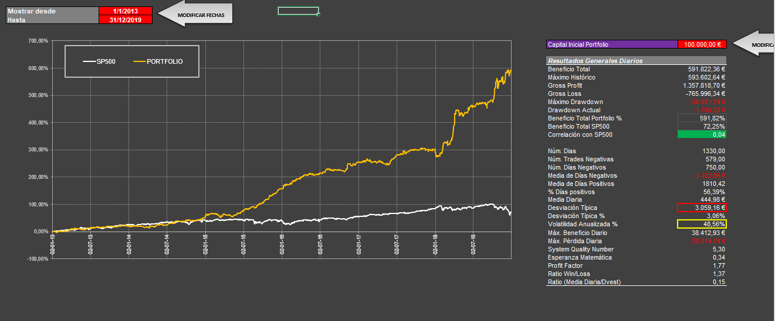
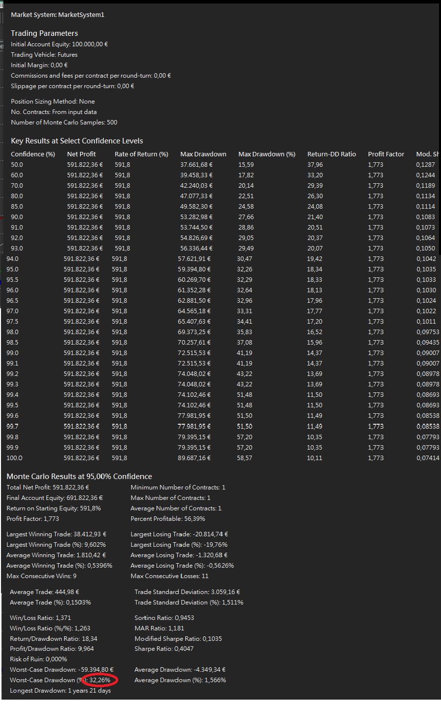
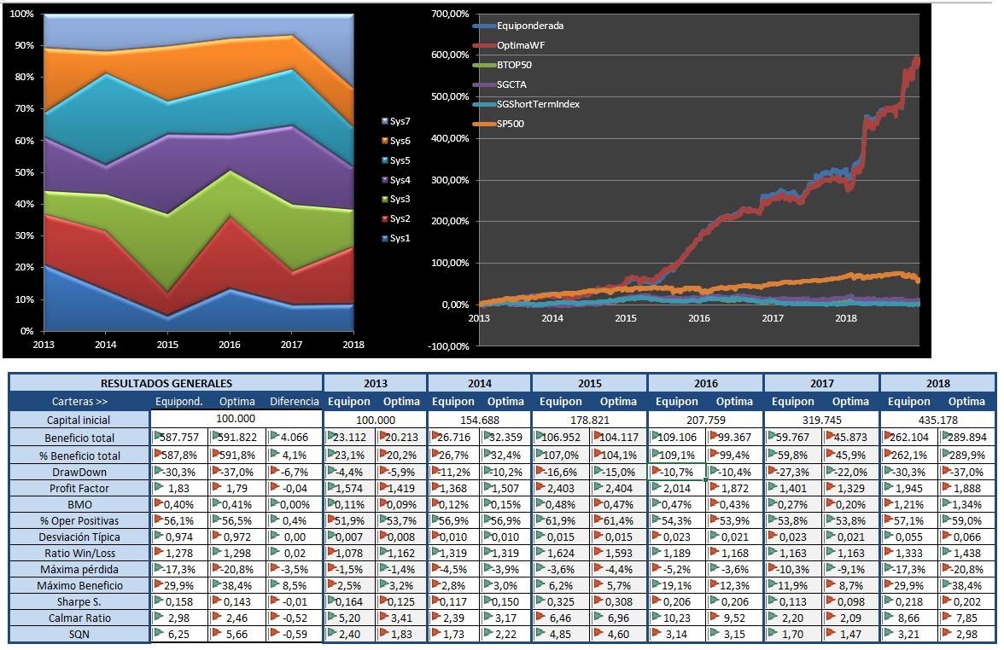
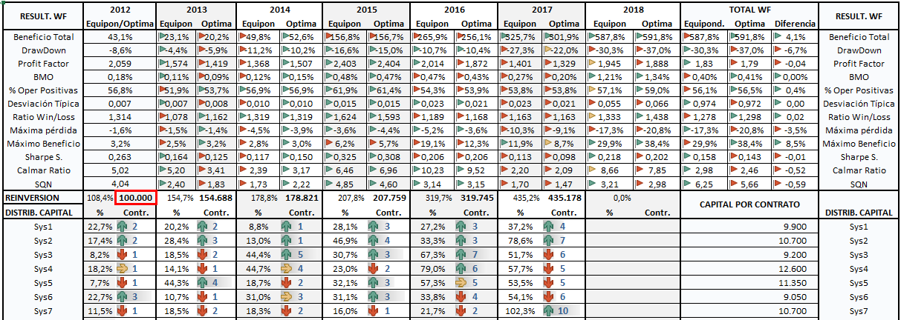
Moneda Base: | $
Cambio medio EUR/USD | 1.12 |  |  |  |  |  |  | Fecha | PnL |  |  |  |  |  | Contratos para empezar en Enero de >> |  | 2013 |  | 2014 |  | 2015 |  | 2016 |  | 2017 |  | 2018
Criterio Inversor: | Máx. diversificación |  |  |  |  |  |  | 2013-01-02, | 435.93 |  |  |  |  |  | Activos | Garantías € | Contratos | Totales | Contratos | Totales | Contratos | Totales | Contratos | Totales | Contratos | Totales | Contratos | Totales
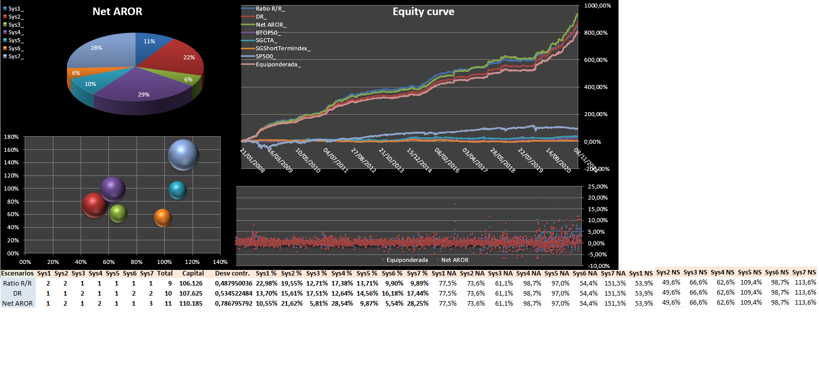
Período | 2012-2018 |  |  |  |  |  |  | 2013-01-03, | 456.24 |  |  |  |  |  | FGBL | 5,800 € | 2 | 11,600 € | 2 | 11,600 € | 1 | 5,800 € | 3 | 34,800 € | 3 | 34,800 € | 4 | 23,200 €
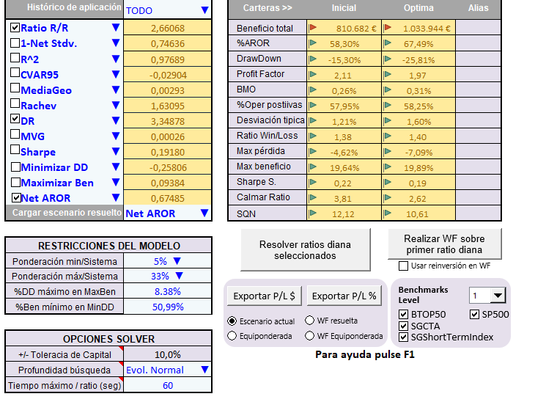
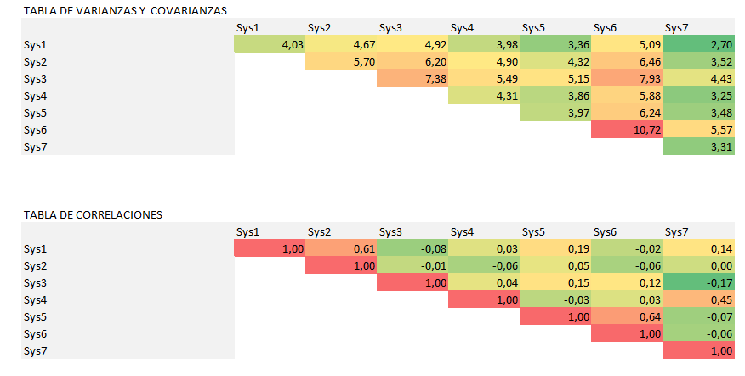
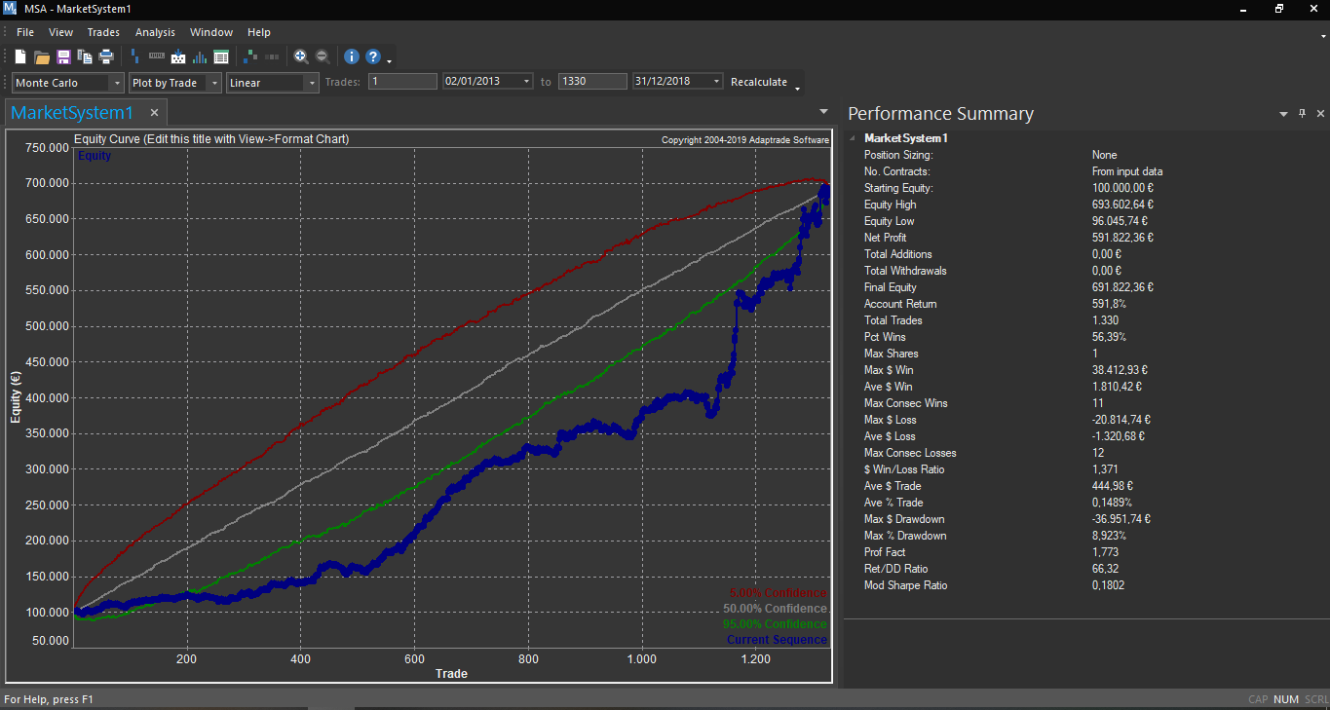
Activos | Capital x 1 contrato |  |  |  |  |  |  | 2013-01-04, | 105.37 |  |  |  |  |  | FGBL | 5,800 € | 2 | 11,600 € | 3 | 17,400 € | 1 | 5,800 € | 4 | 46,400 € | 3 | 52,200 € | 7 | 40,600 €
FGBL | 9,900 € |  |  |  |  |  |  | 2013-01-07, | -127.54 |  |  |  |  |  | RTY | 4,100 € | 1 | 4,100 € | 2 | 8,200 € | 5 | 20,500 € | 3 | 12,300 € | 7 | 57,400 € | 6 | 123,000 €
FGBL | 10,700 € |  |  |  |  |  |  | 2013-01-08, | 60.63 |  |  |  |  |  | ES | 6,500 € | 1 | 6,500 € | 1 | 6,500 € | 4 | 26,000 € | 2 | 13,000 € | 6 | 39,000 € | 5 | 130,000 €
RTY | 9,200 € |  |  |  |  |  |  | 2013-01-09, | -249.24 |  |  |  |  |  | NQ | 6,200 € | 1 | 6,200 € | 4 | 24,800 € | 2 | 12,400 € | 3 | 18,600 € | 5 | 124,000 € | 5 | 62,000 €
ES | 12,600 € |  |  |  | NET AROR |  |  | 2013-01-10, | 1209.03 |  |  |  |  |  | ES | 4,100 € | 3 | 12,300 € | 1 | 4,100 € | 3 | 12,300 € | 3 | 36,900 € | 4 | 16,400 € | 5 | 61,500 €
NQ | 11,350 € |  |  |  |  |  |  | 2013-01-11, | 75.31 |  |  |  |  |  | NQ | 6,200 € | 1 | 6,200 € | 2 | 12,400 € | 2 | 12,400 € | 1 | 6,200 € | 2 | 24,800 € | 5 | 62,000 €
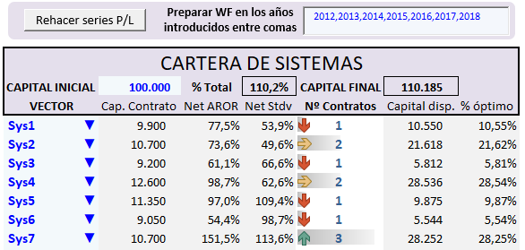
ES | 9,050 € |  |  |  |  |  |  | 2013-01-14, | -82.03 |  |  |  |  |  | TOTALES |  |  | 58,500 € |  | 85,000 € |  | 95,200 € |  | 168,200 € |  | 348,600 € |  | 502,300 €
NQ | 10,700 € |  |  |  |  |  |  | 2013-01-15, | -1292.35 |  |  |  |  |  |  | DD Montecarlo |  | 8,816 € |  | 13,395 € |  | 11,945 € |  | 20,246 € |  | 32,302 € |  | 57,655 €
SUMA | 73,500 € | REDONDEAMOS A 40.000$ |  |  |  |  |  | 2013-01-16, | -1065.52
 |  | Capital inicial disponible: 100.000$ |  |  |  |  |  | 2013-01-17, | -176.87 |  |  |  |  |  |  | Capital mínimo |  | 67,316 € |  | 98,395 € |  | 107,145 € |  | 188,446 € |  | 380,902 € |  | 559,955 €
 |  |  |  |  |  |  |  | 2013-01-18, | -174.3
Asignación inicial equiponderada por capital requerido. |  |  |  |  |  |  |  | 2013-01-21, | -621.09
 |  |  |  |  |  |  |  | 2013-01-22, | -1209.84
 |  |  |  |  |  |  |  | 2013-01-23, | 81.49
 |  |  |  |  |  |  |  | 2013-01-24, | -1379.48
 |  |  |  |  |  |  |  | 2013-01-25, | 3150.32
 |  |  |  |  |  |  |  | 2013-01-28, | 688.51
 |  |  |  |  |  |  |  | 2013-01-30, | 417.42
 |  |  |  |  |  |  |  | 2013-02-01, | -698.07
 |  |  |  |  |  |  |  | 2013-02-04, | 1616.83
 |  |  |  |  |  |  |  | 2013-02-05, | 178.27 |  | Como podemos observar tenemos unas correlaciónes muy pequeñas entre sistemas, pese a no haber elegido el criterio
 |  |  |  |  |  |  |  | 2013-02-06, | -467.49 |  | de máxima diversificación. No debería sorprendernos pues si observamos la curva de equity del portfolio sin balanceo los resultados
 |  |  |  |  |  |  |  | 2013-02-07, | 1590.36 |  | no son tan dispares.
 |  |  |  |  |  |  |  | 2013-02-08, | -1338.01
 |  |  |  |  |  |  |  | 2013-02-11, | -63.93
 |  |  |  |  |  |  |  | 2013-02-12, | -185.54
 |  |  |  |  |  |  |  | 2013-02-13, | 560.32
1) Introducimos los años para el Walk Forward separados por comas.
2) Elegimos como ratio diana el Omega.
3) Aplicamos una restricción de ponderación de activos Mín. /Máx 15%/60%
- Tolerancia de capital 10%
- Algoritmo de búsqueda: Evolutivo Normal
- Tiempo máximo de búsqueda (x ratio a resolver): 60 seg.
 |  |  |  |  |  |  |  | 2013-02-14, | -256.95
 |  |  |  |  |  |  |  | 2013-02-15, | -484.7
 |  |  |  |  |  |  |  | 2013-02-18, | -94.59
 |  |  |  |  |  |  |  | 2013-02-19, | -938.19
 |  |  |  |  |  |  |  | 2013-02-20, | 665.28
 |  |  |  |  |  |  |  | 2013-02-21, | -287.65
 |  |  |  |  |  |  |  | 2013-02-22, | 95.67
 |  |  |  |  |  |  |  | 2013-02-25, | 610.81
 |  |  |  |  |  |  |  | 2013-02-26, | 548.44
 |  |  |  |  |  |  |  | 2013-02-28, | 294.66
 |  |  |  |  |  |  |  | 2013-03-01, | 49.79
 |  |  |  |  |  |  |  | 2013-03-06, | 591.49
 |  |  |  |  |  |  |  | 2013-03-07, | 248.82
 |  |  |  |  |  |  |  | 2013-03-08, | 817.79
 |  |  |  |  |  |  |  | 2013-03-11, | 47.71
 |  |  |  |  |  |  |  | 2013-03-12, | 76.84
 |  |  |  |  |  |  |  | 2013-03-14, | -137.44
 |  |  |  |  |  |  |  | 2013-03-15, | 123.19
 |  |  |  |  |  |  |  | 2013-03-18, | -559.52
 |  |  |  |  |  |  |  | 2013-03-19, | 1948.17
 |  |  |  |  |  |  |  | 2013-03-20, | 408.3
 |  |  |  |  |  |  |  | 2013-03-21, | 123.42
 |  |  |  |  |  |  |  | 2013-03-25, | 3087.72
 |  |  |  |  |  |  |  | 2013-03-26, | 123.19
 |  |  |  |  |  |  |  | 2013-04-03, | 456.83
 |  |  |  |  |  |  |  | 2013-04-04, | 1202.25
 |  |  |  |  |  |  |  | 2013-04-05, | -988.95
 |  |  |  |  |  |  |  | 2013-04-08, | 979.24
 |  |  |  |  |  |  |  | 2013-04-10, | -356.64
 |  |  |  |  |  |  |  | 2013-04-11, | -720.7
 |  |  |  |  |  |  |  | 2013-04-12, | -519.97
 |  |  |  |  |  |  |  | 2013-04-15, | 1255.35
 |  |  |  |  |  |  |  | 2013-04-16, | -944.13
 |  |  |  |  |  |  |  | 2013-04-17, | 2012.78
 |  |  |  |  |  |  |  | 2013-04-18, | 1389.35
 |  |  |  |  |  |  |  | 2013-04-19, | -1256.37
 |  |  |  |  |  |  |  | 2013-04-22, | 531.45
 |  |  |  |  |  |  |  | 2013-04-24, | -641.2
 |  |  |  |  |  |  |  | 2013-04-26, | 45.8
 |  |  |  |  |  |  |  | 2013-04-29, | -610.76
 |  |  |  |  |  |  |  | 2013-04-30, | -872.48
 |  |  |  |  |  |  |  | 2013-05-01, | 613.41
 |  |  |  |  |  |  |  | 2013-05-02, | 32.51
 |  |  |  |  |  |  |  | 2013-05-03, | 442.78
 |  |  |  |  |  |  |  | 2013-05-06, | -327.76
 |  |  |  |  |  |  |  | 2013-05-07, | 747.48
 |  |  |  |  |  |  |  | 2013-05-08, | -397.54
 |  |  |  |  |  |  |  | 2013-05-09, | -216.79
 |  |  |  |  |  |  |  | 2013-05-10, | 446.62
 |  |  |  |  |  |  |  | 2013-05-14, | -1032.01
 |  |  |  |  |  |  |  | 2013-05-15, | -68.05
 |  |  |  |  |  |  |  | 2013-05-16, | 123.8
 |  |  |  |  |  |  |  | 2013-05-17, | -442.26
 |  |  |  |  |  |  |  | 2013-05-20, | -728.19
 |  |  |  |  |  |  |  | 2013-05-21, | 189.12
 |  |  |  |  |  |  |  | 2013-05-22, | -997.21
 |  |  |  |  |  |  |  | 2013-05-23, | -698.07
 |  |  |  |  |  |  |  | 2013-05-24, | -439.88
 |  |  |  |  |  |  |  | 2013-05-27, | 90.58
 |  |  |  |  |  |  |  | 2013-05-28, | -280.55
 |  |  |  |  |  |  |  | 2013-05-29, | -168.91
 |  |  |  |  |  |  |  | 2013-05-30, | 60.63
 |  |  |  |  |  |  |  | 2013-06-04, | -68.65
 |  |  |  |  |  |  |  | 2013-06-06, | 547.99
 |  |  |  |  |  |  |  | 2013-06-07, | 365.21
 |  |  |  |  |  |  |  | 2013-06-10, | 2003.24
 |  |  |  |  |  |  |  | 2013-06-11, | -376.49
 |  |  |  |  |  |  |  | 2013-06-12, | 506.95
 |  |  |  |  |  |  |  | 2013-06-13, | 1630.71
 |  |  |  |  |  |  |  | 2013-06-14, | 421.39
 |  |  |  |  |  |  |  | 2013-06-17, | -244.63
 |  |  |  |  |  |  |  | 2013-06-18, | 141.88
 |  |  |  |  |  |  |  | 2013-06-19, | -724.55
 |  |  |  |  |  |  |  | 2013-06-20, | 91.08
 |  |  |  |  |  |  |  | 2013-06-21, | 2761.1
 |  |  |  |  |  |  |  | 2013-06-24, | 39.56
 |  |  |  |  |  |  |  | 2013-06-25, | -764.99
 |  |  |  |  |  |  |  | 2013-06-28, | 519.09
 |  |  |  |  |  |  |  | 2013-07-01, | 93.67
 |  |  |  |  |  |  |  | 2013-07-02, | -294.63
 |  |  |  |  |  |  |  | 2013-07-04, | 1382.6
 |  |  |  |  |  |  |  | 2013-07-05, | -1229.23
 |  |  |  |  |  |  |  | 2013-07-08, | -985.28
 |  |  |  |  |  |  |  | 2013-07-09, | 1097.32
 |  |  |  |  |  |  |  | 2013-07-11, | -127.1
 |  |  |  |  |  |  |  | 2013-07-12, | 1047.28
 |  |  |  |  |  |  |  | 2013-07-15, | -499.59
 |  |  |  |  |  |  |  | 2013-07-16, | 898.21
 |  |  |  |  |  |  |  | 2013-07-17, | 22.07
 |  |  |  |  |  |  |  | 2013-07-18, | -781.03
 |  |  |  |  |  |  |  | 2013-07-22, | -377.22
 |  |  |  |  |  |  |  | 2013-07-23, | 721.41
 |  |  |  |  |  |  |  | 2013-07-24, | 1350.45
 |  |  |  |  |  |  |  | 2013-07-25, | -19.61
 |  |  |  |  |  |  |  | 2013-07-29, | 131.95
 |  |  |  |  |  |  |  | 2013-07-30, | -32.99
 |  |  |  |  |  |  |  | 2013-07-31, | -113.23
 |  |  |  |  |  |  |  | 2013-08-01, | 92.65
 |  |  |  |  |  |  |  | 2013-08-05, | 1239.61
 |  |  |  |  |  |  |  | 2013-08-06, | 118.58
 |  |  |  |  |  |  |  | 2013-08-07, | -203.73
 |  |  |  |  |  |  |  | 2013-08-09, | -56.46
 |  |  |  |  |  |  |  | 2013-08-12, | -750.11
 |  |  |  |  |  |  |  | 2013-08-16, | -173.51
 |  |  |  |  |  |  |  | 2013-08-19, | -113.2
 |  |  |  |  |  |  |  | 2013-08-20, | -67.03
 |  |  |  |  |  |  |  | 2013-08-21, | 219.81
 |  |  |  |  |  |  |  | 2013-08-22, | -561.53
 |  |  |  |  |  |  |  | 2013-08-27, | 359.59
 |  |  |  |  |  |  |  | 2013-08-28, | 853.89
 |  |  |  |  |  |  |  | 2013-08-29, | 231.12
 |  |  |  |  |  |  |  | 2013-08-30, | -307.71
 |  |  |  |  |  |  |  | 2013-09-03, | -330.97
 |  |  |  |  |  |  |  | 2013-09-04, | 185.45
 |  |  |  |  |  |  |  | 2013-09-06, | 39.56
 |  |  |  |  |  |  |  | 2013-09-10, | -162.99
 |  |  |  |  |  |  |  | 2013-09-11, | 307.95
 |  |  |  |  |  |  |  | 2013-09-12, | 28.03
 |  |  |  |  |  |  |  | 2013-09-13, | 97.52
 |  |  |  |  |  |  |  | 2013-09-16, | 209.18
 |  |  |  |  |  |  |  | 2013-09-17, | 245.71
 |  |  |  |  |  |  |  | 2013-09-18, | 1223.96
 |  |  |  |  |  |  |  | 2013-09-19, | 513.88
 |  |  |  |  |  |  |  | 2013-09-20, | 339.9
 |  |  |  |  |  |  |  | 2013-09-23, | -574.92
 |  |  |  |  |  |  |  | 2013-09-24, | 1146.11
 |  |  |  |  |  |  |  | 2013-09-26, | -424.18
 |  |  |  |  |  |  |  | 2013-09-27, | 869.5
 |  |  |  |  |  |  |  | 2013-09-30, | -248.13
 |  |  |  |  |  |  |  | 2013-10-01, | -473.57
 |  |  |  |  |  |  |  | 2013-10-02, | -899.82
 |  |  |  |  |  |  |  | 2013-10-03, | 1325.83
 |  |  |  |  |  |  |  | 2013-10-04, | -374.48
 |  |  |  |  |  |  |  | 2013-10-07, | -116.39
 |  |  |  |  |  |  |  | 2013-10-08, | 566.13
 |  |  |  |  |  |  |  | 2013-10-09, | 20.3
 |  |  |  |  |  |  |  | 2013-10-10, | -1081.2
 |  |  |  |  |  |  |  | 2013-10-11, | -147.14
 |  |  |  |  |  |  |  | 2013-10-14, | 21.13
 |  |  |  |  |  |  |  | 2013-10-15, | 99.11
 |  |  |  |  |  |  |  | 2013-10-16, | -256.49
 |  |  |  |  |  |  |  | 2013-10-17, | -333.91
 |  |  |  |  |  |  |  | 2013-10-18, | -491.41
 |  |  |  |  |  |  |  | 2013-10-21, | 76.54
 |  |  |  |  |  |  |  | 2013-10-22, | 24.57
 |  |  |  |  |  |  |  | 2013-10-23, | -113.23
 |  |  |  |  |  |  |  | 2013-10-25, | 177.51
 |  |  |  |  |  |  |  | 2013-10-28, | 13.7
 |  |  |  |  |  |  |  | 2013-10-29, | -636.85
 |  |  |  |  |  |  |  | 2013-10-30, | 636.53
 |  |  |  |  |  |  |  | 2013-11-05, | -46.36
 |  |  |  |  |  |  |  | 2013-11-06, | 367.34
 |  |  |  |  |  |  |  | 2013-11-07, | 1151.98
 |  |  |  |  |  |  |  | 2013-11-08, | 634.62
 |  |  |  |  |  |  |  | 2013-11-11, | -294.68
 |  |  |  |  |  |  |  | 2013-11-12, | 115.15
 |  |  |  |  |  |  |  | 2013-11-13, | 157.8
 |  |  |  |  |  |  |  | 2013-11-15, | 73.67
...

